FAM13C _multivariate
Reported by Tex Li-Hsing Chi. tex@gate.sinica.edu.tw 2019-08-20

Table 2. The clinicopathological features of HNSCC cohort and FAM13C expression. (Chi square test)
Cutoff at -0.336 (42.0%)
 |  | FAM13C expression |  | FAM13C expression |  | (Optimised)
 | Features | Low | (%) | High | (%) | Case no | P-value | Remark | Matthews
Gender | Female | 138 | 33.3 | 168 | 40.5 | 415 | 0.0375 | 1 | 0
2 | Male | 36 | 8.7 | 73 | 17.6
Age at diagnosis | <=65y | 110 | 26.5 | 164 | 39.5 | 415 | 0.3574 | 0 | 0
4 | >65y | 64 | 15.4 | 77 | 18.6
Clinical T Status | T1+T2 | 58 | 14 | 91 | 21.9 | 415 | 0.4101 | 0 | 0
6 | T3+T4 | 116 | 28 | 150 | 36.1
Clinical N Status | N0 | 86 | 20.7 | 130 | 31.3 | 415 | 0.4184 | 0 | 0
8 | N1-3 | 88 | 21.2 | 111 | 26.7
Clinical M Status | M0 | 171 | 41.2 | 241 | 58.1 | 415 | 0.073 | 0 | 0
10 | M1 | 3 | 0.7 | 0 | 0
Clinical Stage | Stage I+II | 37 | 8.9 | 65 | 15.7 | 415 | 0.2237 | 0 | 0
12 | Stage III+IV | 137 | 33 | 176 | 42.4
Surgical Margin status | Negative | 131 | 31.6 | 187 | 45.1 | 415 | 0.6386 | 0 | 0
14 | Positive | 43 | 10.4 | 54 | 13
Tobacco Exposure | Low | 66 | 15.9 | 95 | 22.9 | 415 | 0.8383 | 0 | 0
16 | High | 108 | 26 | 146 | 35.2

Table 3. Univariate/Multivariate Cox's proportional hazards regression analyses on OS time of FAM13C gene expression in HNSCC

 |  | Univariate |  |  |  | Multivariate
 | Features | HR | CI95%(L) | CI95%(H) | P-value | HR | CI95%(L) | CI95%(H) | P-value
1 | Female | 1 |  |  |  | 1
Gender | Male | 1.157 | 0.843 | 1.587 | 0.367 | 1.239 | 0.884 | 1.736 | 0.213
11 | <=65y | 1 |  |  |  | 1
Age at diagnosis | >65y | 1.329 | 0.99 | 1.784 | 0.058 | 1.346 | 0.989 | 1.833 | 0.059
12 | T1+T2 | 1 |  |  |  | 1
Clinical T Status | T3+T4 | 1.409 | 1.028 | 1.931 | 0.033 | 2.177 | 1.151 | 4.117 | 0.017
13 | N0 | 1 |  |  |  | 1
Clinical N Status | N1-3 | 1.185 | 0.89 | 1.577 | 0.246 | 1.24 | 0.869 | 1.77 | 0.236
14 | M0 | 1 |  |  |  | 1
Clinical M Status | M1 | 4.097 | 1.009 | 16.644 | 0.049 | 8.105 | 1.755 | 37.438 | 0.007
15 | Stage I+II | 1 |  |  |  | 1
Clinical Stage | Stage III+IV | 1.245 | 0.882 | 1.759 | 0.213 | 0.501 | 0.233 | 1.074 | 0.076
16 | Negative | 1 |  |  |  | 1
Surgical Margin status | Positive | 1.591 | 1.155 | 2.191 | 0.004 | 1.67 | 1.208 | 2.308 | 0.002
17 | Low | 1 |  |  |  | 1
Tobacco Exposure | High | 1.364 | 1.008 | 1.844 | 0.044 | 1.462 | 1.06 | 2.018 | 0.021
18 | Low | 1 |  |  |  | 1
RNAseq(z-score) | High | 0.739 | 0.554 | 0.985 | 0.039 | 0.763 | 0.569 | 1.024 | 0.071

Table 4. Univariate/Multivariate Cox's proportional hazards regression analyses on RFS time of FAM13C gene expression in HNSCC

 |  | Univariate |  |  |  | Multivariate
 | Features | HR | CI95%(L) | CI95%(H) | P-value | HR | CI95%(L) | CI95%(H) | P-value
1 | Female | 1 |  |  |  | 1
Gender | Male | 1.157 | 0.843 | 1.587 | 0.367 | 1.239 | 0.884 | 1.736 | 0.213
11 | <=65y | 1 |  |  |  | 1
Age at diagnosis | >65y | 1.329 | 0.99 | 1.784 | 0.058 | 1.346 | 0.989 | 1.833 | 0.059
12 | T1+T2 | 1 |  |  |  | 1
Clinical T Status | T3+T4 | 1.409 | 1.028 | 1.931 | 0.033 | 2.177 | 1.151 | 4.117 | 0.017
13 | N0 | 1 |  |  |  | 1
Clinical N Status | N1-3 | 1.185 | 0.89 | 1.577 | 0.246 | 1.24 | 0.869 | 1.77 | 0.236
14 | M0 | 1 |  |  |  | 1
Clinical M Status | M1 | 4.097 | 1.009 | 16.644 | 0.049 | 8.105 | 1.755 | 37.438 | 0.007
15 | Stage I+II | 1 |  |  |  | 1
Clinical Stage | Stage III+IV | 1.245 | 0.882 | 1.759 | 0.213 | 0.501 | 0.233 | 1.074 | 0.076
16 | Negative | 1 |  |  |  | 1
Surgical Margin status | Positive | 1.591 | 1.155 | 2.191 | 0.004 | 1.67 | 1.208 | 2.308 | 0.002
17 | Low | 1 |  |  |  | 1
Tobacco Exposure | High | 1.364 | 1.008 | 1.844 | 0.044 | 1.462 | 1.06 | 2.018 | 0.021
18 | Low | 1 |  |  |  | 1
RNAseq(z-score) | High | 0.739 | 0.554 | 0.985 | 0.039 | 0.763 | 0.569 | 1.024 | 0.071

Kaplan-Meier survival estimate: Cutoff at -0.336 (42.0%)



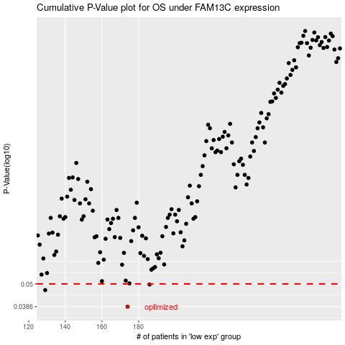

 |  |  |  |  |  | cases_OS | p_OS | rank | exp
 |  |  |  |  |  | 174 | 0.0386 | 50 | -0.3362679119
 |  |  |  |  |  | 129 | 0.0466 | 157 | -0.41178048822
 |  |  |  |  |  | 186 | 0.0497 | 357 | -0.32274945569
 |  |  |  |  |  |  | cases_RFS | p_RFS | rank | exp
 |  |  |  |  |  |  | 173 | 0.0386 | 80 | -0.33772338529
 |  |  |  |  |  |  | 128 | 0.0466 | 413 | -0.41333773166
 |  |  |  |  |  |  | 185 | 0.0497 | 113 | -0.32395131163

