FAM149A _multivariate
Reported by Tex Li-Hsing Chi. tex@gate.sinica.edu.tw 2019-08-20

Table 2. The clinicopathological features of HNSCC cohort and FAM149A expression. (Chi square test)
Cutoff at -0.437 (49.8%)
 |  | FAM149A expression |  | FAM149A expression |  | (Optimised)
 | Features | Low | (%) | High | (%) | Case no | P-value | Remark | Matthews
Gender | Female | 151 | 36.4 | 155 | 37.3 | 415 | 0.8007 | 0 | 0
2 | Male | 56 | 13.5 | 53 | 12.8
Age at diagnosis | <=65y | 141 | 34 | 133 | 32 | 415 | 0.4272 | 0 | 0
4 | >65y | 66 | 15.9 | 75 | 18.1
Clinical T Status | T1+T2 | 63 | 15.2 | 86 | 20.7 | 415 | 0.0268 | 1 | 0
6 | T3+T4 | 144 | 34.7 | 122 | 29.4
Clinical N Status | N0 | 105 | 25.3 | 111 | 26.7 | 415 | 0.6598 | 0 | 0
8 | N1-3 | 102 | 24.6 | 97 | 23.4
Clinical M Status | M0 | 204 | 49.2 | 208 | 50.1 | 415 | 0.1232 | 0 | 0
10 | M1 | 3 | 0.7 | 0 | 0
Clinical Stage | Stage I+II | 45 | 10.8 | 57 | 13.7 | 415 | 0.2202 | 0 | 0
12 | Stage III+IV | 162 | 39 | 151 | 36.4
Surgical Margin status | Negative | 165 | 39.8 | 153 | 36.9 | 415 | 0.1639 | 0 | 0
14 | Positive | 42 | 10.1 | 55 | 13.3
Tobacco Exposure | Low | 84 | 20.2 | 77 | 18.6 | 415 | 0.4816 | 0 | 0
16 | High | 123 | 29.6 | 131 | 31.6

Table 3. Univariate/Multivariate Cox's proportional hazards regression analyses on OS time of FAM149A gene expression in HNSCC

 |  | Univariate |  |  |  | Multivariate
 | Features | HR | CI95%(L) | CI95%(H) | P-value | HR | CI95%(L) | CI95%(H) | P-value
1 | Female | 1 |  |  |  | 1
Gender | Male | 1.157 | 0.843 | 1.587 | 0.367 | 1.208 | 0.865 | 1.688 | 0.268
11 | <=65y | 1 |  |  |  | 1
Age at diagnosis | >65y | 1.329 | 0.99 | 1.784 | 0.058 | 1.391 | 1.023 | 1.891 | 0.035
12 | T1+T2 | 1 |  |  |  | 1
Clinical T Status | T3+T4 | 1.409 | 1.028 | 1.931 | 0.033 | 2.248 | 1.185 | 4.264 | 0.013
13 | N0 | 1 |  |  |  | 1
Clinical N Status | N1-3 | 1.185 | 0.89 | 1.577 | 0.246 | 1.242 | 0.871 | 1.773 | 0.231
14 | M0 | 1 |  |  |  | 1
Clinical M Status | M1 | 4.097 | 1.009 | 16.644 | 0.049 | 10.032 | 2.161 | 46.573 | 0.003
15 | Stage I+II | 1 |  |  |  | 1
Clinical Stage | Stage III+IV | 1.245 | 0.882 | 1.759 | 0.213 | 0.502 | 0.234 | 1.078 | 0.077
16 | Negative | 1 |  |  |  | 1
Surgical Margin status | Positive | 1.591 | 1.155 | 2.191 | 0.004 | 1.655 | 1.196 | 2.29 | 0.002
17 | Low | 1 |  |  |  | 1
Tobacco Exposure | High | 1.364 | 1.008 | 1.844 | 0.044 | 1.446 | 1.049 | 1.992 | 0.024
18 | Low | 1 |  |  |  | 1
RNAseq(z-score) | High | 1.074 | 0.806 | 1.432 | 0.626 | 1.103 | 0.822 | 1.481 | 0.514

Table 4. Univariate/Multivariate Cox's proportional hazards regression analyses on RFS time of FAM149A gene expression in HNSCC

 |  | Univariate |  |  |  | Multivariate
 | Features | HR | CI95%(L) | CI95%(H) | P-value | HR | CI95%(L) | CI95%(H) | P-value
1 | Female | 1 |  |  |  | 1
Gender | Male | 1.157 | 0.843 | 1.587 | 0.367 | 1.208 | 0.865 | 1.688 | 0.268
11 | <=65y | 1 |  |  |  | 1
Age at diagnosis | >65y | 1.329 | 0.99 | 1.784 | 0.058 | 1.391 | 1.023 | 1.891 | 0.035
12 | T1+T2 | 1 |  |  |  | 1
Clinical T Status | T3+T4 | 1.409 | 1.028 | 1.931 | 0.033 | 2.248 | 1.185 | 4.264 | 0.013
13 | N0 | 1 |  |  |  | 1
Clinical N Status | N1-3 | 1.185 | 0.89 | 1.577 | 0.246 | 1.242 | 0.871 | 1.773 | 0.231
14 | M0 | 1 |  |  |  | 1
Clinical M Status | M1 | 4.097 | 1.009 | 16.644 | 0.049 | 10.032 | 2.161 | 46.573 | 0.003
15 | Stage I+II | 1 |  |  |  | 1
Clinical Stage | Stage III+IV | 1.245 | 0.882 | 1.759 | 0.213 | 0.502 | 0.234 | 1.078 | 0.077
16 | Negative | 1 |  |  |  | 1
Surgical Margin status | Positive | 1.591 | 1.155 | 2.191 | 0.004 | 1.655 | 1.196 | 2.29 | 0.002
17 | Low | 1 |  |  |  | 1
Tobacco Exposure | High | 1.364 | 1.008 | 1.844 | 0.044 | 1.446 | 1.049 | 1.992 | 0.024
18 | Low | 1 |  |  |  | 1
RNAseq(z-score) | High | 1.074 | 0.806 | 1.432 | 0.626 | 1.103 | 0.822 | 1.481 | 0.514

Kaplan-Meier survival estimate: Cutoff at -0.437 (49.8%)



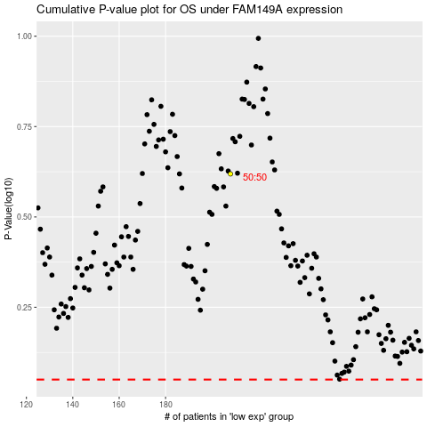

 |  |  |  |  |  | cases_OS | p_OS | rank | exp
 |  |  |  |  |  |  | cases_RFS | p_RFS | rank | exp

