FAM149B1 _multivariate
Reported by Tex Li-Hsing Chi. tex@gate.sinica.edu.tw 2019-08-20

Table 2. The clinicopathological features of HNSCC cohort and FAM149B1 expression. (Chi square test)
Cutoff at -0.615 (30.2%)
 |  | FAM149B1 expression |  | FAM149B1 expression |  | (Optimised)
 | Features | Low | (%) | High | (%) | Case no | P-value | Remark | Matthews
Gender | Female | 100 | 24.1 | 206 | 49.6 | 415 | 0.1097 | 0 | 0
2 | Male | 26 | 6.3 | 83 | 20
Age at diagnosis | <=65y | 86 | 20.7 | 188 | 45.3 | 415 | 0.6027 | 0 | 0
4 | >65y | 40 | 9.6 | 101 | 24.3
Clinical T Status | T1+T2 | 43 | 10.4 | 106 | 25.5 | 415 | 0.6988 | 0 | 0
6 | T3+T4 | 83 | 20 | 183 | 44.1
Clinical N Status | N0 | 72 | 17.3 | 144 | 34.7 | 415 | 0.2059 | 0 | 0
8 | N1-3 | 54 | 13 | 145 | 34.9
Clinical M Status | M0 | 125 | 30.1 | 287 | 69.2 | 415 | 1 | 0 | 0
10 | M1 | 1 | 0.2 | 2 | 0.5
Clinical Stage | Stage I+II | 29 | 7 | 73 | 17.6 | 415 | 0.7157 | 0 | 0
12 | Stage III+IV | 97 | 23.4 | 216 | 52
Surgical Margin status | Negative | 106 | 25.5 | 212 | 51.1 | 415 | 0.0169 | 1 | 0
14 | Positive | 20 | 4.8 | 77 | 18.6
Tobacco Exposure | Low | 38 | 9.2 | 123 | 29.6 | 415 | 0.0212 | 1 | 0
16 | High | 88 | 21.2 | 166 | 40

Table 3. Univariate/Multivariate Cox's proportional hazards regression analyses on OS time of FAM149B1 gene expression in HNSCC

 |  | Univariate |  |  |  | Multivariate
 | Features | HR | CI95%(L) | CI95%(H) | P-value | HR | CI95%(L) | CI95%(H) | P-value
1 | Female | 1 |  |  |  | 1
Gender | Male | 1.157 | 0.843 | 1.587 | 0.367 | 1.182 | 0.847 | 1.651 | 0.325
11 | <=65y | 1 |  |  |  | 1
Age at diagnosis | >65y | 1.329 | 0.99 | 1.784 | 0.058 | 1.427 | 1.048 | 1.943 | 0.024
12 | T1+T2 | 1 |  |  |  | 1
Clinical T Status | T3+T4 | 1.409 | 1.028 | 1.931 | 0.033 | 2.186 | 1.155 | 4.137 | 0.016
13 | N0 | 1 |  |  |  | 1
Clinical N Status | N1-3 | 1.185 | 0.89 | 1.577 | 0.246 | 1.198 | 0.838 | 1.713 | 0.321
14 | M0 | 1 |  |  |  | 1
Clinical M Status | M1 | 4.097 | 1.009 | 16.644 | 0.049 | 9.827 | 2.141 | 45.107 | 0.003
15 | Stage I+II | 1 |  |  |  | 1
Clinical Stage | Stage III+IV | 1.245 | 0.882 | 1.759 | 0.213 | 0.519 | 0.242 | 1.115 | 0.093
16 | Negative | 1 |  |  |  | 1
Surgical Margin status | Positive | 1.591 | 1.155 | 2.191 | 0.004 | 1.647 | 1.19 | 2.278 | 0.003
17 | Low | 1 |  |  |  | 1
Tobacco Exposure | High | 1.364 | 1.008 | 1.844 | 0.044 | 1.505 | 1.09 | 2.078 | 0.013
18 | Low | 1 |  |  |  | 1
RNAseq(z-score) | High | 1.422 | 1.019 | 1.983 | 0.038 | 1.467 | 1.047 | 2.056 | 0.026

Table 4. Univariate/Multivariate Cox's proportional hazards regression analyses on RFS time of FAM149B1 gene expression in HNSCC

 |  | Univariate |  |  |  | Multivariate
 | Features | HR | CI95%(L) | CI95%(H) | P-value | HR | CI95%(L) | CI95%(H) | P-value
1 | Female | 1 |  |  |  | 1
Gender | Male | 1.157 | 0.843 | 1.587 | 0.367 | 1.182 | 0.847 | 1.651 | 0.325
11 | <=65y | 1 |  |  |  | 1
Age at diagnosis | >65y | 1.329 | 0.99 | 1.784 | 0.058 | 1.427 | 1.048 | 1.943 | 0.024
12 | T1+T2 | 1 |  |  |  | 1
Clinical T Status | T3+T4 | 1.409 | 1.028 | 1.931 | 0.033 | 2.186 | 1.155 | 4.137 | 0.016
13 | N0 | 1 |  |  |  | 1
Clinical N Status | N1-3 | 1.185 | 0.89 | 1.577 | 0.246 | 1.198 | 0.838 | 1.713 | 0.321
14 | M0 | 1 |  |  |  | 1
Clinical M Status | M1 | 4.097 | 1.009 | 16.644 | 0.049 | 9.827 | 2.141 | 45.107 | 0.003
15 | Stage I+II | 1 |  |  |  | 1
Clinical Stage | Stage III+IV | 1.245 | 0.882 | 1.759 | 0.213 | 0.519 | 0.242 | 1.115 | 0.093
16 | Negative | 1 |  |  |  | 1
Surgical Margin status | Positive | 1.591 | 1.155 | 2.191 | 0.004 | 1.647 | 1.19 | 2.278 | 0.003
17 | Low | 1 |  |  |  | 1
Tobacco Exposure | High | 1.364 | 1.008 | 1.844 | 0.044 | 1.505 | 1.09 | 2.078 | 0.013
18 | Low | 1 |  |  |  | 1
RNAseq(z-score) | High | 1.422 | 1.019 | 1.983 | 0.038 | 1.467 | 1.047 | 2.056 | 0.026

Kaplan-Meier survival estimate: Cutoff at -0.615 (30.2%)



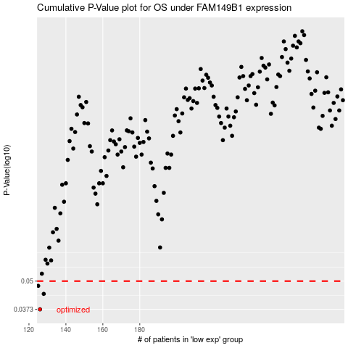

 |  |  |  |  |  | cases_OS | p_OS | rank | exp
 |  |  |  |  |  | 126 | 0.0373 | 297 | -0.61527556007
 |  |  |  |  |  | 128 | 0.0438 | 398 | -0.60554714098
 |  |  |  |  |  | 125 | 0.0476 | 127 | -0.61583814944
 |  |  |  |  |  |  | cases_RFS | p_RFS | rank | exp
 |  |  |  |  |  |  | 125 | 0.0373 | 127 | -0.61583814944
 |  |  |  |  |  |  | 127 | 0.0438 | 14 | -0.61225551205
 |  |  |  |  |  |  |  | 0.0476 | 219 | -0.62076907974

