FAM157B _multivariate
Reported by Tex Li-Hsing Chi. tex@gate.sinica.edu.tw 2019-08-20

Table 2. The clinicopathological features of HNSCC cohort and FAM157B expression. (Chi square test)
Cutoff at -0.357 (50.0%)
 |  | FAM157B expression |  | FAM157B expression |  | (Optimised)
 | Features | Low | (%) | High | (%) | Case no | P-value | Remark | Matthews
Gender | Female | 156 | 37.6 | 150 | 36.1 | 415 | 0.5222 | 0 | 0
2 | Male | 51 | 12.3 | 58 | 14
Age at diagnosis | <=65y | 144 | 34.7 | 130 | 31.3 | 415 | 0.1568 | 0 | 0
4 | >65y | 63 | 15.2 | 78 | 18.8
Clinical T Status | T1+T2 | 77 | 18.6 | 72 | 17.3 | 415 | 0.6556 | 0 | 0
6 | T3+T4 | 130 | 31.3 | 136 | 32.8
Clinical N Status | N0 | 108 | 26 | 108 | 26 | 415 | 1 | 0 | 0
8 | N1-3 | 99 | 23.9 | 100 | 24.1
Clinical M Status | M0 | 205 | 49.4 | 207 | 49.9 | 415 | 0.6232 | 0 | 0
10 | M1 | 2 | 0.5 | 1 | 0.2
Clinical Stage | Stage I+II | 55 | 13.3 | 47 | 11.3 | 415 | 0.4087 | 0 | 0
12 | Stage III+IV | 152 | 36.6 | 161 | 38.8
Surgical Margin status | Negative | 160 | 38.6 | 158 | 38.1 | 415 | 0.8167 | 0 | 0
14 | Positive | 47 | 11.3 | 50 | 12
Tobacco Exposure | Low | 85 | 20.5 | 76 | 18.3 | 415 | 0.3655 | 0 | 0
16 | High | 122 | 29.4 | 132 | 31.8

Table 3. Univariate/Multivariate Cox's proportional hazards regression analyses on OS time of FAM157B gene expression in HNSCC

 |  | Univariate |  |  |  | Multivariate
 | Features | HR | CI95%(L) | CI95%(H) | P-value | HR | CI95%(L) | CI95%(H) | P-value
1 | Female | 1 |  |  |  | 1
Gender | Male | 1.157 | 0.843 | 1.587 | 0.367 | 1.191 | 0.851 | 1.666 | 0.308
11 | <=65y | 1 |  |  |  | 1
Age at diagnosis | >65y | 1.329 | 0.99 | 1.784 | 0.058 | 1.4 | 1.03 | 1.904 | 0.032
12 | T1+T2 | 1 |  |  |  | 1
Clinical T Status | T3+T4 | 1.409 | 1.028 | 1.931 | 0.033 | 2.172 | 1.147 | 4.111 | 0.017
13 | N0 | 1 |  |  |  | 1
Clinical N Status | N1-3 | 1.185 | 0.89 | 1.577 | 0.246 | 1.232 | 0.863 | 1.758 | 0.25
14 | M0 | 1 |  |  |  | 1
Clinical M Status | M1 | 4.097 | 1.009 | 16.644 | 0.049 | 9.014 | 1.957 | 41.526 | 0.005
15 | Stage I+II | 1 |  |  |  | 1
Clinical Stage | Stage III+IV | 1.245 | 0.882 | 1.759 | 0.213 | 0.515 | 0.239 | 1.108 | 0.09
16 | Negative | 1 |  |  |  | 1
Surgical Margin status | Positive | 1.591 | 1.155 | 2.191 | 0.004 | 1.661 | 1.202 | 2.295 | 0.002
17 | Low | 1 |  |  |  | 1
Tobacco Exposure | High | 1.364 | 1.008 | 1.844 | 0.044 | 1.459 | 1.058 | 2.011 | 0.021
18 | Low | 1 |  |  |  | 1
RNAseq(z-score) | High | 0.881 | 0.662 | 1.173 | 0.386 | 0.907 | 0.679 | 1.213 | 0.511

Table 4. Univariate/Multivariate Cox's proportional hazards regression analyses on RFS time of FAM157B gene expression in HNSCC

 |  | Univariate |  |  |  | Multivariate
 | Features | HR | CI95%(L) | CI95%(H) | P-value | HR | CI95%(L) | CI95%(H) | P-value
1 | Female | 1 |  |  |  | 1
Gender | Male | 1.157 | 0.843 | 1.587 | 0.367 | 1.191 | 0.851 | 1.666 | 0.308
11 | <=65y | 1 |  |  |  | 1
Age at diagnosis | >65y | 1.329 | 0.99 | 1.784 | 0.058 | 1.4 | 1.03 | 1.904 | 0.032
12 | T1+T2 | 1 |  |  |  | 1
Clinical T Status | T3+T4 | 1.409 | 1.028 | 1.931 | 0.033 | 2.172 | 1.147 | 4.111 | 0.017
13 | N0 | 1 |  |  |  | 1
Clinical N Status | N1-3 | 1.185 | 0.89 | 1.577 | 0.246 | 1.232 | 0.863 | 1.758 | 0.25
14 | M0 | 1 |  |  |  | 1
Clinical M Status | M1 | 4.097 | 1.009 | 16.644 | 0.049 | 9.014 | 1.957 | 41.526 | 0.005
15 | Stage I+II | 1 |  |  |  | 1
Clinical Stage | Stage III+IV | 1.245 | 0.882 | 1.759 | 0.213 | 0.515 | 0.239 | 1.108 | 0.09
16 | Negative | 1 |  |  |  | 1
Surgical Margin status | Positive | 1.591 | 1.155 | 2.191 | 0.004 | 1.661 | 1.202 | 2.295 | 0.002
17 | Low | 1 |  |  |  | 1
Tobacco Exposure | High | 1.364 | 1.008 | 1.844 | 0.044 | 1.459 | 1.058 | 2.011 | 0.021
18 | Low | 1 |  |  |  | 1
RNAseq(z-score) | High | 0.881 | 0.662 | 1.173 | 0.386 | 0.907 | 0.679 | 1.213 | 0.511

Kaplan-Meier survival estimate: Cutoff at -0.357 (50.0%)



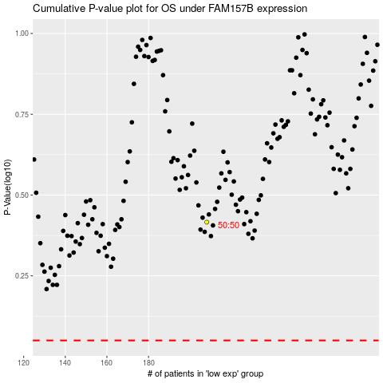

 |  |  |  |  |  | cases_OS | p_OS | rank | exp
 |  |  |  |  |  |  | cases_RFS | p_RFS | rank | exp

