FAM158A _multivariate
Reported by Tex Li-Hsing Chi. tex@gate.sinica.edu.tw 2019-08-20

Table 2. The clinicopathological features of HNSCC cohort and FAM158A expression. (Chi square test)
Cutoff at -0.273 (49.8%)
 |  | FAM158A expression |  | FAM158A expression |  | (Optimised)
 | Features | Low | (%) | High | (%) | Case no | P-value | Remark | Matthews
Gender | Female | 149 | 35.9 | 157 | 37.8 | 415 | 0.4848 | 0 | 0
2 | Male | 58 | 14 | 51 | 12.3
Age at diagnosis | <=65y | 134 | 32.3 | 140 | 33.7 | 415 | 0.6529 | 0 | 0
4 | >65y | 73 | 17.6 | 68 | 16.4
Clinical T Status | T1+T2 | 74 | 17.8 | 75 | 18.1 | 415 | 1 | 0 | 0
6 | T3+T4 | 133 | 32 | 133 | 32
Clinical N Status | N0 | 107 | 25.8 | 109 | 26.3 | 415 | 0.9624 | 0 | 0
8 | N1-3 | 100 | 24.1 | 99 | 23.9
Clinical M Status | M0 | 207 | 49.9 | 205 | 49.4 | 415 | 0.2482 | 0 | 0
10 | M1 | 0 | 0 | 3 | 0.7
Clinical Stage | Stage I+II | 49 | 11.8 | 53 | 12.8 | 415 | 0.7535 | 0 | 0
12 | Stage III+IV | 158 | 38.1 | 155 | 37.3
Surgical Margin status | Negative | 167 | 40.2 | 151 | 36.4 | 415 | 0.0632 | 0 | 0
14 | Positive | 40 | 9.6 | 57 | 13.7
Tobacco Exposure | Low | 86 | 20.7 | 75 | 18.1 | 415 | 0.2687 | 0 | 0
16 | High | 121 | 29.2 | 133 | 32

Table 3. Univariate/Multivariate Cox's proportional hazards regression analyses on OS time of FAM158A gene expression in HNSCC

 |  | Univariate |  |  |  | Multivariate
 | Features | HR | CI95%(L) | CI95%(H) | P-value | HR | CI95%(L) | CI95%(H) | P-value
1 | Female | 1 |  |  |  | 1
Gender | Male | 1.157 | 0.843 | 1.587 | 0.367 | 1.208 | 0.864 | 1.689 | 0.268
11 | <=65y | 1 |  |  |  | 1
Age at diagnosis | >65y | 1.329 | 0.99 | 1.784 | 0.058 | 1.391 | 1.024 | 1.891 | 0.035
12 | T1+T2 | 1 |  |  |  | 1
Clinical T Status | T3+T4 | 1.409 | 1.028 | 1.931 | 0.033 | 2.141 | 1.129 | 4.06 | 0.02
13 | N0 | 1 |  |  |  | 1
Clinical N Status | N1-3 | 1.185 | 0.89 | 1.577 | 0.246 | 1.233 | 0.864 | 1.76 | 0.248
14 | M0 | 1 |  |  |  | 1
Clinical M Status | M1 | 4.097 | 1.009 | 16.644 | 0.049 | 8.612 | 1.855 | 39.981 | 0.006
15 | Stage I+II | 1 |  |  |  | 1
Clinical Stage | Stage III+IV | 1.245 | 0.882 | 1.759 | 0.213 | 0.521 | 0.242 | 1.121 | 0.095
16 | Negative | 1 |  |  |  | 1
Surgical Margin status | Positive | 1.591 | 1.155 | 2.191 | 0.004 | 1.633 | 1.177 | 2.266 | 0.003
17 | Low | 1 |  |  |  | 1
Tobacco Exposure | High | 1.364 | 1.008 | 1.844 | 0.044 | 1.435 | 1.04 | 1.98 | 0.028
18 | Low | 1 |  |  |  | 1
RNAseq(z-score) | High | 1.288 | 0.966 | 1.718 | 0.085 | 1.138 | 0.846 | 1.531 | 0.394

Table 4. Univariate/Multivariate Cox's proportional hazards regression analyses on RFS time of FAM158A gene expression in HNSCC

 |  | Univariate |  |  |  | Multivariate
 | Features | HR | CI95%(L) | CI95%(H) | P-value | HR | CI95%(L) | CI95%(H) | P-value
1 | Female | 1 |  |  |  | 1
Gender | Male | 1.157 | 0.843 | 1.587 | 0.367 | 1.208 | 0.864 | 1.689 | 0.268
11 | <=65y | 1 |  |  |  | 1
Age at diagnosis | >65y | 1.329 | 0.99 | 1.784 | 0.058 | 1.391 | 1.024 | 1.891 | 0.035
12 | T1+T2 | 1 |  |  |  | 1
Clinical T Status | T3+T4 | 1.409 | 1.028 | 1.931 | 0.033 | 2.141 | 1.129 | 4.06 | 0.02
13 | N0 | 1 |  |  |  | 1
Clinical N Status | N1-3 | 1.185 | 0.89 | 1.577 | 0.246 | 1.233 | 0.864 | 1.76 | 0.248
14 | M0 | 1 |  |  |  | 1
Clinical M Status | M1 | 4.097 | 1.009 | 16.644 | 0.049 | 8.612 | 1.855 | 39.981 | 0.006
15 | Stage I+II | 1 |  |  |  | 1
Clinical Stage | Stage III+IV | 1.245 | 0.882 | 1.759 | 0.213 | 0.521 | 0.242 | 1.121 | 0.095
16 | Negative | 1 |  |  |  | 1
Surgical Margin status | Positive | 1.591 | 1.155 | 2.191 | 0.004 | 1.633 | 1.177 | 2.266 | 0.003
17 | Low | 1 |  |  |  | 1
Tobacco Exposure | High | 1.364 | 1.008 | 1.844 | 0.044 | 1.435 | 1.04 | 1.98 | 0.028
18 | Low | 1 |  |  |  | 1
RNAseq(z-score) | High | 1.288 | 0.966 | 1.718 | 0.085 | 1.138 | 0.846 | 1.531 | 0.394

Kaplan-Meier survival estimate: Cutoff at -0.273 (49.8%)



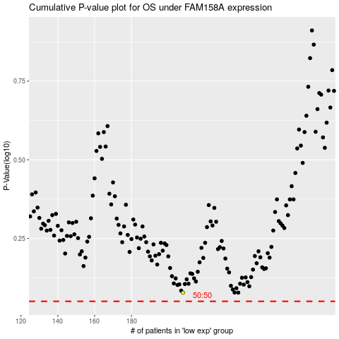

 |  |  |  |  |  | cases_OS | p_OS | rank | exp
 |  |  |  |  |  |  | cases_RFS | p_RFS | rank | exp

