FAM162A _multivariate
Reported by Tex Li-Hsing Chi. tex@gate.sinica.edu.tw 2019-08-20

Table 2. The clinicopathological features of HNSCC cohort and FAM162A expression. (Chi square test)
Cutoff at -0.298 (49.8%)
 |  | FAM162A expression |  | FAM162A expression |  | (Optimised)
 | Features | Low | (%) | High | (%) | Case no | P-value | Remark | Matthews
Gender | Female | 149 | 35.9 | 157 | 37.8 | 415 | 0.4848 | 0 | 0
2 | Male | 58 | 14 | 51 | 12.3
Age at diagnosis | <=65y | 136 | 32.8 | 138 | 33.3 | 415 | 0.9719 | 0 | 0
4 | >65y | 71 | 17.1 | 70 | 16.9
Clinical T Status | T1+T2 | 76 | 18.3 | 73 | 17.6 | 415 | 0.8092 | 0 | 0
6 | T3+T4 | 131 | 31.6 | 135 | 32.5
Clinical N Status | N0 | 106 | 25.5 | 110 | 26.5 | 415 | 0.8075 | 0 | 0
8 | N1-3 | 101 | 24.3 | 98 | 23.6
Clinical M Status | M0 | 206 | 49.6 | 206 | 49.6 | 415 | 1 | 0 | 0
10 | M1 | 1 | 0.2 | 2 | 0.5
Clinical Stage | Stage I+II | 57 | 13.7 | 45 | 10.8 | 415 | 0.1998 | 0 | 0
12 | Stage III+IV | 150 | 36.1 | 163 | 39.3
Surgical Margin status | Negative | 163 | 39.3 | 155 | 37.3 | 415 | 0.3537 | 0 | 0
14 | Positive | 44 | 10.6 | 53 | 12.8
Tobacco Exposure | Low | 86 | 20.7 | 75 | 18.1 | 415 | 0.2687 | 0 | 0
16 | High | 121 | 29.2 | 133 | 32

Table 3. Univariate/Multivariate Cox's proportional hazards regression analyses on OS time of FAM162A gene expression in HNSCC

 |  | Univariate |  |  |  | Multivariate
 | Features | HR | CI95%(L) | CI95%(H) | P-value | HR | CI95%(L) | CI95%(H) | P-value
1 | Female | 1 |  |  |  | 1
Gender | Male | 1.157 | 0.843 | 1.587 | 0.367 | 1.24 | 0.885 | 1.737 | 0.212
11 | <=65y | 1 |  |  |  | 1
Age at diagnosis | >65y | 1.329 | 0.99 | 1.784 | 0.058 | 1.407 | 1.033 | 1.916 | 0.03
12 | T1+T2 | 1 |  |  |  | 1
Clinical T Status | T3+T4 | 1.409 | 1.028 | 1.931 | 0.033 | 2.105 | 1.111 | 3.987 | 0.022
13 | N0 | 1 |  |  |  | 1
Clinical N Status | N1-3 | 1.185 | 0.89 | 1.577 | 0.246 | 1.207 | 0.845 | 1.725 | 0.301
14 | M0 | 1 |  |  |  | 1
Clinical M Status | M1 | 4.097 | 1.009 | 16.644 | 0.049 | 9.411 | 2.052 | 43.164 | 0.004
15 | Stage I+II | 1 |  |  |  | 1
Clinical Stage | Stage III+IV | 1.245 | 0.882 | 1.759 | 0.213 | 0.542 | 0.251 | 1.168 | 0.118
16 | Negative | 1 |  |  |  | 1
Surgical Margin status | Positive | 1.591 | 1.155 | 2.191 | 0.004 | 1.67 | 1.209 | 2.308 | 0.002
17 | Low | 1 |  |  |  | 1
Tobacco Exposure | High | 1.364 | 1.008 | 1.844 | 0.044 | 1.521 | 1.098 | 2.108 | 0.012
18 | Low | 1 |  |  |  | 1
RNAseq(z-score) | High | 0.799 | 0.6 | 1.065 | 0.125 | 0.773 | 0.577 | 1.036 | 0.085

Table 4. Univariate/Multivariate Cox's proportional hazards regression analyses on RFS time of FAM162A gene expression in HNSCC

 |  | Univariate |  |  |  | Multivariate
 | Features | HR | CI95%(L) | CI95%(H) | P-value | HR | CI95%(L) | CI95%(H) | P-value
1 | Female | 1 |  |  |  | 1
Gender | Male | 1.157 | 0.843 | 1.587 | 0.367 | 1.24 | 0.885 | 1.737 | 0.212
11 | <=65y | 1 |  |  |  | 1
Age at diagnosis | >65y | 1.329 | 0.99 | 1.784 | 0.058 | 1.407 | 1.033 | 1.916 | 0.03
12 | T1+T2 | 1 |  |  |  | 1
Clinical T Status | T3+T4 | 1.409 | 1.028 | 1.931 | 0.033 | 2.105 | 1.111 | 3.987 | 0.022
13 | N0 | 1 |  |  |  | 1
Clinical N Status | N1-3 | 1.185 | 0.89 | 1.577 | 0.246 | 1.207 | 0.845 | 1.725 | 0.301
14 | M0 | 1 |  |  |  | 1
Clinical M Status | M1 | 4.097 | 1.009 | 16.644 | 0.049 | 9.411 | 2.052 | 43.164 | 0.004
15 | Stage I+II | 1 |  |  |  | 1
Clinical Stage | Stage III+IV | 1.245 | 0.882 | 1.759 | 0.213 | 0.542 | 0.251 | 1.168 | 0.118
16 | Negative | 1 |  |  |  | 1
Surgical Margin status | Positive | 1.591 | 1.155 | 2.191 | 0.004 | 1.67 | 1.209 | 2.308 | 0.002
17 | Low | 1 |  |  |  | 1
Tobacco Exposure | High | 1.364 | 1.008 | 1.844 | 0.044 | 1.521 | 1.098 | 2.108 | 0.012
18 | Low | 1 |  |  |  | 1
RNAseq(z-score) | High | 0.799 | 0.6 | 1.065 | 0.125 | 0.773 | 0.577 | 1.036 | 0.085

Kaplan-Meier survival estimate: Cutoff at -0.298 (49.8%)



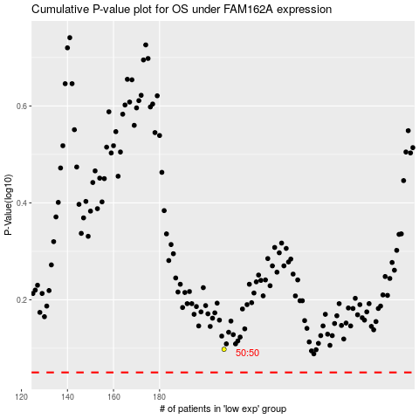

 |  |  |  |  |  | cases_OS | p_OS | rank | exp
 |  |  |  |  |  |  | cases_RFS | p_RFS | rank | exp

