FAM163A _multivariate
Reported by Tex Li-Hsing Chi. tex@gate.sinica.edu.tw 2019-08-20

Table 2. The clinicopathological features of HNSCC cohort and FAM163A expression. (Chi square test)
Cutoff at -0.147 (50.0%)
 |  | FAM163A expression |  | FAM163A expression |  | (Optimised)
 | Features | Low | (%) | High | (%) | Case no | P-value | Remark | Matthews
Gender | Female | 155 | 37.3 | 151 | 36.4 | 415 | 0.6768 | 0 | 0
2 | Male | 52 | 12.5 | 57 | 13.7
Age at diagnosis | <=65y | 132 | 31.8 | 142 | 34.2 | 415 | 0.3874 | 0 | 0
4 | >65y | 75 | 18.1 | 66 | 15.9
Clinical T Status | T1+T2 | 65 | 15.7 | 84 | 20.2 | 415 | 0.0711 | 0 | 0
6 | T3+T4 | 142 | 34.2 | 124 | 29.9
Clinical N Status | N0 | 122 | 29.4 | 94 | 22.7 | 415 | 0.0068 | 1 | 0
8 | N1-3 | 85 | 20.5 | 114 | 27.5
Clinical M Status | M0 | 206 | 49.6 | 206 | 49.6 | 415 | 1 | 0 | 0
10 | M1 | 1 | 0.2 | 2 | 0.5
Clinical Stage | Stage I+II | 52 | 12.5 | 50 | 12 | 415 | 0.8871 | 0 | 0
12 | Stage III+IV | 155 | 37.3 | 158 | 38.1
Surgical Margin status | Negative | 159 | 38.3 | 159 | 38.3 | 415 | 1 | 0 | 0
14 | Positive | 48 | 11.6 | 49 | 11.8
Tobacco Exposure | Low | 79 | 19 | 82 | 19.8 | 415 | 0.8405 | 0 | 0
16 | High | 128 | 30.8 | 126 | 30.4

Table 3. Univariate/Multivariate Cox's proportional hazards regression analyses on OS time of FAM163A gene expression in HNSCC

 |  | Univariate |  |  |  | Multivariate
 | Features | HR | CI95%(L) | CI95%(H) | P-value | HR | CI95%(L) | CI95%(H) | P-value
1 | Female | 1 |  |  |  | 1
Gender | Male | 1.157 | 0.843 | 1.587 | 0.367 | 1.204 | 0.861 | 1.682 | 0.278
11 | <=65y | 1 |  |  |  | 1
Age at diagnosis | >65y | 1.329 | 0.99 | 1.784 | 0.058 | 1.394 | 1.025 | 1.895 | 0.034
12 | T1+T2 | 1 |  |  |  | 1
Clinical T Status | T3+T4 | 1.409 | 1.028 | 1.931 | 0.033 | 2.176 | 1.148 | 4.125 | 0.017
13 | N0 | 1 |  |  |  | 1
Clinical N Status | N1-3 | 1.185 | 0.89 | 1.577 | 0.246 | 1.256 | 0.876 | 1.801 | 0.215
14 | M0 | 1 |  |  |  | 1
Clinical M Status | M1 | 4.097 | 1.009 | 16.644 | 0.049 | 9.458 | 2.063 | 43.363 | 0.004
15 | Stage I+II | 1 |  |  |  | 1
Clinical Stage | Stage III+IV | 1.245 | 0.882 | 1.759 | 0.213 | 0.504 | 0.235 | 1.082 | 0.079
16 | Negative | 1 |  |  |  | 1
Surgical Margin status | Positive | 1.591 | 1.155 | 2.191 | 0.004 | 1.667 | 1.206 | 2.304 | 0.002
17 | Low | 1 |  |  |  | 1
Tobacco Exposure | High | 1.364 | 1.008 | 1.844 | 0.044 | 1.458 | 1.058 | 2.011 | 0.021
18 | Low | 1 |  |  |  | 1
RNAseq(z-score) | High | 0.927 | 0.696 | 1.235 | 0.605 | 0.939 | 0.7 | 1.261 | 0.676

Table 4. Univariate/Multivariate Cox's proportional hazards regression analyses on RFS time of FAM163A gene expression in HNSCC

 |  | Univariate |  |  |  | Multivariate
 | Features | HR | CI95%(L) | CI95%(H) | P-value | HR | CI95%(L) | CI95%(H) | P-value
1 | Female | 1 |  |  |  | 1
Gender | Male | 1.157 | 0.843 | 1.587 | 0.367 | 1.204 | 0.861 | 1.682 | 0.278
11 | <=65y | 1 |  |  |  | 1
Age at diagnosis | >65y | 1.329 | 0.99 | 1.784 | 0.058 | 1.394 | 1.025 | 1.895 | 0.034
12 | T1+T2 | 1 |  |  |  | 1
Clinical T Status | T3+T4 | 1.409 | 1.028 | 1.931 | 0.033 | 2.176 | 1.148 | 4.125 | 0.017
13 | N0 | 1 |  |  |  | 1
Clinical N Status | N1-3 | 1.185 | 0.89 | 1.577 | 0.246 | 1.256 | 0.876 | 1.801 | 0.215
14 | M0 | 1 |  |  |  | 1
Clinical M Status | M1 | 4.097 | 1.009 | 16.644 | 0.049 | 9.458 | 2.063 | 43.363 | 0.004
15 | Stage I+II | 1 |  |  |  | 1
Clinical Stage | Stage III+IV | 1.245 | 0.882 | 1.759 | 0.213 | 0.504 | 0.235 | 1.082 | 0.079
16 | Negative | 1 |  |  |  | 1
Surgical Margin status | Positive | 1.591 | 1.155 | 2.191 | 0.004 | 1.667 | 1.206 | 2.304 | 0.002
17 | Low | 1 |  |  |  | 1
Tobacco Exposure | High | 1.364 | 1.008 | 1.844 | 0.044 | 1.458 | 1.058 | 2.011 | 0.021
18 | Low | 1 |  |  |  | 1
RNAseq(z-score) | High | 0.927 | 0.696 | 1.235 | 0.605 | 0.939 | 0.7 | 1.261 | 0.676

Kaplan-Meier survival estimate: Cutoff at -0.147 (50.0%)



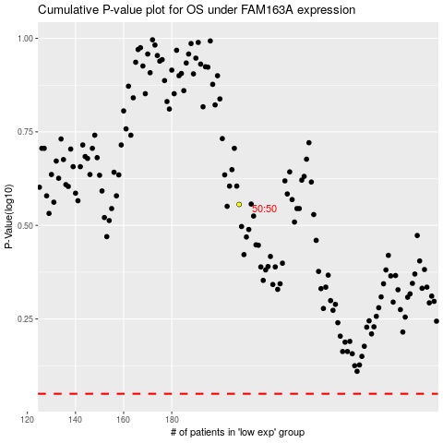

 |  |  |  |  |  | cases_OS | p_OS | rank | exp
 |  |  |  |  |  |  | cases_RFS | p_RFS | rank | exp

