FAM164C _multivariate
Reported by Tex Li-Hsing Chi. tex@gate.sinica.edu.tw 2019-08-20

Table 2. The clinicopathological features of HNSCC cohort and FAM164C expression. (Chi square test)
Cutoff at -0.306 (49.8%)
 |  | FAM164C expression |  | FAM164C expression |  | (Optimised)
 | Features | Low | (%) | High | (%) | Case no | P-value | Remark | Matthews
Gender | Female | 141 | 34 | 165 | 39.8 | 415 | 0.013 | 1 | 0
2 | Male | 66 | 15.9 | 43 | 10.4
Age at diagnosis | <=65y | 122 | 29.4 | 152 | 36.6 | 415 | 0.0033 | 1 | 0
4 | >65y | 85 | 20.5 | 56 | 13.5
Clinical T Status | T1+T2 | 73 | 17.6 | 76 | 18.3 | 415 | 0.8666 | 0 | 0
6 | T3+T4 | 134 | 32.3 | 132 | 31.8
Clinical N Status | N0 | 115 | 27.7 | 101 | 24.3 | 415 | 0.184 | 1 | 0
8 | N1-3 | 92 | 22.2 | 107 | 25.8
Clinical M Status | M0 | 206 | 49.6 | 206 | 49.6 | 415 | 1 | 0 | 0
10 | M1 | 1 | 0.2 | 2 | 0.5
Clinical Stage | Stage I+II | 60 | 14.5 | 42 | 10.1 | 415 | 0.0493 | 1 | 0
12 | Stage III+IV | 147 | 35.4 | 166 | 40
Surgical Margin status | Negative | 160 | 38.6 | 158 | 38.1 | 415 | 0.8167 | 0 | 0
14 | Positive | 47 | 11.3 | 50 | 12
Tobacco Exposure | Low | 93 | 22.4 | 68 | 16.4 | 415 | 0.0118 | 1 | 0
16 | High | 114 | 27.5 | 140 | 33.7

Table 3. Univariate/Multivariate Cox's proportional hazards regression analyses on OS time of FAM164C gene expression in HNSCC

 |  | Univariate |  |  |  | Multivariate
 | Features | HR | CI95%(L) | CI95%(H) | P-value | HR | CI95%(L) | CI95%(H) | P-value
1 | Female | 1 |  |  |  | 1
Gender | Male | 1.157 | 0.843 | 1.587 | 0.367 | 1.205 | 0.863 | 1.683 | 0.273
11 | <=65y | 1 |  |  |  | 1
Age at diagnosis | >65y | 1.329 | 0.99 | 1.784 | 0.058 | 1.372 | 1.008 | 1.867 | 0.044
12 | T1+T2 | 1 |  |  |  | 1
Clinical T Status | T3+T4 | 1.409 | 1.028 | 1.931 | 0.033 | 2.068 | 1.089 | 3.926 | 0.026
13 | N0 | 1 |  |  |  | 1
Clinical N Status | N1-3 | 1.185 | 0.89 | 1.577 | 0.246 | 1.217 | 0.852 | 1.737 | 0.28
14 | M0 | 1 |  |  |  | 1
Clinical M Status | M1 | 4.097 | 1.009 | 16.644 | 0.049 | 9.574 | 2.088 | 43.894 | 0.004
15 | Stage I+II | 1 |  |  |  | 1
Clinical Stage | Stage III+IV | 1.245 | 0.882 | 1.759 | 0.213 | 0.561 | 0.258 | 1.217 | 0.143
16 | Negative | 1 |  |  |  | 1
Surgical Margin status | Positive | 1.591 | 1.155 | 2.191 | 0.004 | 1.678 | 1.214 | 2.32 | 0.002
17 | Low | 1 |  |  |  | 1
Tobacco Exposure | High | 1.364 | 1.008 | 1.844 | 0.044 | 1.515 | 1.093 | 2.099 | 0.013
18 | Low | 1 |  |  |  | 1
RNAseq(z-score) | High | 0.803 | 0.603 | 1.071 | 0.136 | 0.785 | 0.583 | 1.058 | 0.112

Table 4. Univariate/Multivariate Cox's proportional hazards regression analyses on RFS time of FAM164C gene expression in HNSCC

 |  | Univariate |  |  |  | Multivariate
 | Features | HR | CI95%(L) | CI95%(H) | P-value | HR | CI95%(L) | CI95%(H) | P-value
1 | Female | 1 |  |  |  | 1
Gender | Male | 1.157 | 0.843 | 1.587 | 0.367 | 1.205 | 0.863 | 1.683 | 0.273
11 | <=65y | 1 |  |  |  | 1
Age at diagnosis | >65y | 1.329 | 0.99 | 1.784 | 0.058 | 1.372 | 1.008 | 1.867 | 0.044
12 | T1+T2 | 1 |  |  |  | 1
Clinical T Status | T3+T4 | 1.409 | 1.028 | 1.931 | 0.033 | 2.068 | 1.089 | 3.926 | 0.026
13 | N0 | 1 |  |  |  | 1
Clinical N Status | N1-3 | 1.185 | 0.89 | 1.577 | 0.246 | 1.217 | 0.852 | 1.737 | 0.28
14 | M0 | 1 |  |  |  | 1
Clinical M Status | M1 | 4.097 | 1.009 | 16.644 | 0.049 | 9.574 | 2.088 | 43.894 | 0.004
15 | Stage I+II | 1 |  |  |  | 1
Clinical Stage | Stage III+IV | 1.245 | 0.882 | 1.759 | 0.213 | 0.561 | 0.258 | 1.217 | 0.143
16 | Negative | 1 |  |  |  | 1
Surgical Margin status | Positive | 1.591 | 1.155 | 2.191 | 0.004 | 1.678 | 1.214 | 2.32 | 0.002
17 | Low | 1 |  |  |  | 1
Tobacco Exposure | High | 1.364 | 1.008 | 1.844 | 0.044 | 1.515 | 1.093 | 2.099 | 0.013
18 | Low | 1 |  |  |  | 1
RNAseq(z-score) | High | 0.803 | 0.603 | 1.071 | 0.136 | 0.785 | 0.583 | 1.058 | 0.112

Kaplan-Meier survival estimate: Cutoff at -0.306 (49.8%)



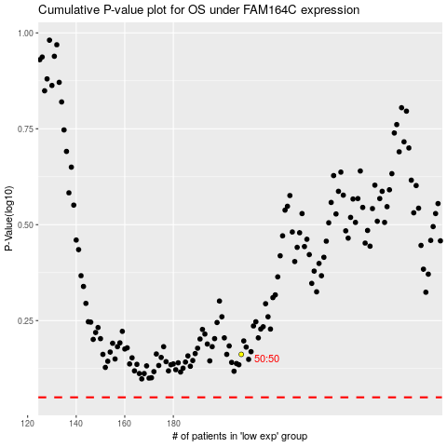

 |  |  |  |  |  | cases_OS | p_OS | rank | exp
 |  |  |  |  |  |  | cases_RFS | p_RFS | rank | exp

