FAM166B _multivariate
Reported by Tex Li-Hsing Chi. tex@gate.sinica.edu.tw 2019-08-20

Table 2. The clinicopathological features of HNSCC cohort and FAM166B expression. (Chi square test)
Cutoff at -0.147 (50.0%)
 |  | FAM166B expression |  | FAM166B expression |  | (Optimised)
 | Features | Low | (%) | High | (%) | Case no | P-value | Remark | Matthews
Gender | Female | 158 | 38.1 | 148 | 35.7 | 415 | 0.2774 | 0 | 0
2 | Male | 49 | 11.8 | 60 | 14.5
Age at diagnosis | <=65y | 139 | 33.5 | 135 | 32.5 | 415 | 0.7044 | 0 | 0
4 | >65y | 68 | 16.4 | 73 | 17.6
Clinical T Status | T1+T2 | 63 | 15.2 | 86 | 20.7 | 415 | 0.0268 | 1 | 0
6 | T3+T4 | 144 | 34.7 | 122 | 29.4
Clinical N Status | N0 | 103 | 24.8 | 113 | 27.2 | 415 | 0.4047 | 0 | 0
8 | N1-3 | 104 | 25.1 | 95 | 22.9
Clinical M Status | M0 | 207 | 49.9 | 205 | 49.4 | 415 | 0.2482 | 0 | 0
10 | M1 | 0 | 0 | 3 | 0.7
Clinical Stage | Stage I+II | 42 | 10.1 | 60 | 14.5 | 415 | 0.0561 | 0 | 0
12 | Stage III+IV | 165 | 39.8 | 148 | 35.7
Surgical Margin status | Negative | 165 | 39.8 | 153 | 36.9 | 415 | 0.1639 | 0 | 0
14 | Positive | 42 | 10.1 | 55 | 13.3
Tobacco Exposure | Low | 75 | 18.1 | 86 | 20.7 | 415 | 0.3141 | 0 | 0
16 | High | 132 | 31.8 | 122 | 29.4

Table 3. Univariate/Multivariate Cox's proportional hazards regression analyses on OS time of FAM166B gene expression in HNSCC

 |  | Univariate |  |  |  | Multivariate
 | Features | HR | CI95%(L) | CI95%(H) | P-value | HR | CI95%(L) | CI95%(H) | P-value
1 | Female | 1 |  |  |  | 1
Gender | Male | 1.157 | 0.843 | 1.587 | 0.367 | 1.201 | 0.859 | 1.679 | 0.283
11 | <=65y | 1 |  |  |  | 1
Age at diagnosis | >65y | 1.329 | 0.99 | 1.784 | 0.058 | 1.428 | 1.048 | 1.945 | 0.024
12 | T1+T2 | 1 |  |  |  | 1
Clinical T Status | T3+T4 | 1.409 | 1.028 | 1.931 | 0.033 | 2.253 | 1.19 | 4.264 | 0.013
13 | N0 | 1 |  |  |  | 1
Clinical N Status | N1-3 | 1.185 | 0.89 | 1.577 | 0.246 | 1.256 | 0.88 | 1.791 | 0.209
14 | M0 | 1 |  |  |  | 1
Clinical M Status | M1 | 4.097 | 1.009 | 16.644 | 0.049 | 10.896 | 2.346 | 50.617 | 0.002
15 | Stage I+II | 1 |  |  |  | 1
Clinical Stage | Stage III+IV | 1.245 | 0.882 | 1.759 | 0.213 | 0.488 | 0.227 | 1.05 | 0.066
16 | Negative | 1 |  |  |  | 1
Surgical Margin status | Positive | 1.591 | 1.155 | 2.191 | 0.004 | 1.745 | 1.256 | 2.423 | 0.001
17 | Low | 1 |  |  |  | 1
Tobacco Exposure | High | 1.364 | 1.008 | 1.844 | 0.044 | 1.467 | 1.064 | 2.022 | 0.019
18 | Low | 1 |  |  |  | 1
RNAseq(z-score) | High | 0.897 | 0.673 | 1.195 | 0.458 | 0.795 | 0.591 | 1.069 | 0.128

Table 4. Univariate/Multivariate Cox's proportional hazards regression analyses on RFS time of FAM166B gene expression in HNSCC

 |  | Univariate |  |  |  | Multivariate
 | Features | HR | CI95%(L) | CI95%(H) | P-value | HR | CI95%(L) | CI95%(H) | P-value
1 | Female | 1 |  |  |  | 1
Gender | Male | 1.157 | 0.843 | 1.587 | 0.367 | 1.201 | 0.859 | 1.679 | 0.283
11 | <=65y | 1 |  |  |  | 1
Age at diagnosis | >65y | 1.329 | 0.99 | 1.784 | 0.058 | 1.428 | 1.048 | 1.945 | 0.024
12 | T1+T2 | 1 |  |  |  | 1
Clinical T Status | T3+T4 | 1.409 | 1.028 | 1.931 | 0.033 | 2.253 | 1.19 | 4.264 | 0.013
13 | N0 | 1 |  |  |  | 1
Clinical N Status | N1-3 | 1.185 | 0.89 | 1.577 | 0.246 | 1.256 | 0.88 | 1.791 | 0.209
14 | M0 | 1 |  |  |  | 1
Clinical M Status | M1 | 4.097 | 1.009 | 16.644 | 0.049 | 10.896 | 2.346 | 50.617 | 0.002
15 | Stage I+II | 1 |  |  |  | 1
Clinical Stage | Stage III+IV | 1.245 | 0.882 | 1.759 | 0.213 | 0.488 | 0.227 | 1.05 | 0.066
16 | Negative | 1 |  |  |  | 1
Surgical Margin status | Positive | 1.591 | 1.155 | 2.191 | 0.004 | 1.745 | 1.256 | 2.423 | 0.001
17 | Low | 1 |  |  |  | 1
Tobacco Exposure | High | 1.364 | 1.008 | 1.844 | 0.044 | 1.467 | 1.064 | 2.022 | 0.019
18 | Low | 1 |  |  |  | 1
RNAseq(z-score) | High | 0.897 | 0.673 | 1.195 | 0.458 | 0.795 | 0.591 | 1.069 | 0.128

Kaplan-Meier survival estimate: Cutoff at -0.147 (50.0%)



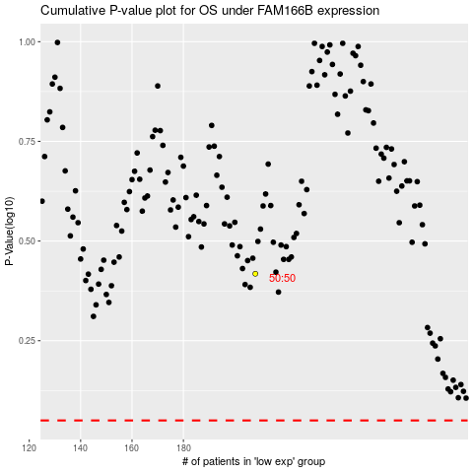

 |  |  |  |  |  | cases_OS | p_OS | rank | exp
 |  |  |  |  |  |  | cases_RFS | p_RFS | rank | exp

