FAM168A _multivariate
Reported by Tex Li-Hsing Chi. tex@gate.sinica.edu.tw 2019-08-20

Table 2. The clinicopathological features of HNSCC cohort and FAM168A expression. (Chi square test)
Cutoff at -0.504 (31.2%)
 |  | FAM168A expression |  | FAM168A expression |  | (Optimised)
 | Features | Low | (%) | High | (%) | Case no | P-value | Remark | Matthews
Gender | Female | 97 | 23.4 | 209 | 50.4 | 415 | 0.8768 | 0 | 0
2 | Male | 33 | 8 | 76 | 18.3
Age at diagnosis | <=65y | 82 | 19.8 | 192 | 46.3 | 415 | 0.4566 | 0 | 0
4 | >65y | 48 | 11.6 | 93 | 22.4
Clinical T Status | T1+T2 | 50 | 12 | 99 | 23.9 | 415 | 0.5331 | 0 | 0
6 | T3+T4 | 80 | 19.3 | 186 | 44.8
Clinical N Status | N0 | 63 | 15.2 | 153 | 36.9 | 415 | 0.3779 | 0 | 0
8 | N1-3 | 67 | 16.1 | 132 | 31.8
Clinical M Status | M0 | 127 | 30.6 | 285 | 68.7 | 415 | 0.0303 | 1 | 0
10 | M1 | 3 | 0.7 | 0 | 0
Clinical Stage | Stage I+II | 31 | 7.5 | 71 | 17.1 | 415 | 0.9116 | 0 | 0
12 | Stage III+IV | 99 | 23.9 | 214 | 51.6
Surgical Margin status | Negative | 92 | 22.2 | 226 | 54.5 | 415 | 0.0615 | 0 | 0
14 | Positive | 38 | 9.2 | 59 | 14.2
Tobacco Exposure | Low | 44 | 10.6 | 117 | 28.2 | 415 | 0.1925 | 0 | 0
16 | High | 86 | 20.7 | 168 | 40.5

Table 3. Univariate/Multivariate Cox's proportional hazards regression analyses on OS time of FAM168A gene expression in HNSCC

 |  | Univariate |  |  |  | Multivariate
 | Features | HR | CI95%(L) | CI95%(H) | P-value | HR | CI95%(L) | CI95%(H) | P-value
1 | Female | 1 |  |  |  | 1
Gender | Male | 1.157 | 0.843 | 1.587 | 0.367 | 1.194 | 0.853 | 1.67 | 0.302
11 | <=65y | 1 |  |  |  | 1
Age at diagnosis | >65y | 1.329 | 0.99 | 1.784 | 0.058 | 1.363 | 1 | 1.858 | 0.05
12 | T1+T2 | 1 |  |  |  | 1
Clinical T Status | T3+T4 | 1.409 | 1.028 | 1.931 | 0.033 | 2.228 | 1.178 | 4.217 | 0.014
13 | N0 | 1 |  |  |  | 1
Clinical N Status | N1-3 | 1.185 | 0.89 | 1.577 | 0.246 | 1.239 | 0.869 | 1.768 | 0.237
14 | M0 | 1 |  |  |  | 1
Clinical M Status | M1 | 4.097 | 1.009 | 16.644 | 0.049 | 8.363 | 1.798 | 38.899 | 0.007
15 | Stage I+II | 1 |  |  |  | 1
Clinical Stage | Stage III+IV | 1.245 | 0.882 | 1.759 | 0.213 | 0.503 | 0.234 | 1.08 | 0.078
16 | Negative | 1 |  |  |  | 1
Surgical Margin status | Positive | 1.591 | 1.155 | 2.191 | 0.004 | 1.629 | 1.174 | 2.259 | 0.003
17 | Low | 1 |  |  |  | 1
Tobacco Exposure | High | 1.364 | 1.008 | 1.844 | 0.044 | 1.421 | 1.028 | 1.963 | 0.033
18 | Low | 1 |  |  |  | 1
RNAseq(z-score) | High | 0.729 | 0.538 | 0.988 | 0.042 | 0.842 | 0.614 | 1.155 | 0.285

Table 4. Univariate/Multivariate Cox's proportional hazards regression analyses on RFS time of FAM168A gene expression in HNSCC

 |  | Univariate |  |  |  | Multivariate
 | Features | HR | CI95%(L) | CI95%(H) | P-value | HR | CI95%(L) | CI95%(H) | P-value
1 | Female | 1 |  |  |  | 1
Gender | Male | 1.157 | 0.843 | 1.587 | 0.367 | 1.194 | 0.853 | 1.67 | 0.302
11 | <=65y | 1 |  |  |  | 1
Age at diagnosis | >65y | 1.329 | 0.99 | 1.784 | 0.058 | 1.363 | 1 | 1.858 | 0.05
12 | T1+T2 | 1 |  |  |  | 1
Clinical T Status | T3+T4 | 1.409 | 1.028 | 1.931 | 0.033 | 2.228 | 1.178 | 4.217 | 0.014
13 | N0 | 1 |  |  |  | 1
Clinical N Status | N1-3 | 1.185 | 0.89 | 1.577 | 0.246 | 1.239 | 0.869 | 1.768 | 0.237
14 | M0 | 1 |  |  |  | 1
Clinical M Status | M1 | 4.097 | 1.009 | 16.644 | 0.049 | 8.363 | 1.798 | 38.899 | 0.007
15 | Stage I+II | 1 |  |  |  | 1
Clinical Stage | Stage III+IV | 1.245 | 0.882 | 1.759 | 0.213 | 0.503 | 0.234 | 1.08 | 0.078
16 | Negative | 1 |  |  |  | 1
Surgical Margin status | Positive | 1.591 | 1.155 | 2.191 | 0.004 | 1.629 | 1.174 | 2.259 | 0.003
17 | Low | 1 |  |  |  | 1
Tobacco Exposure | High | 1.364 | 1.008 | 1.844 | 0.044 | 1.421 | 1.028 | 1.963 | 0.033
18 | Low | 1 |  |  |  | 1
RNAseq(z-score) | High | 0.729 | 0.538 | 0.988 | 0.042 | 0.842 | 0.614 | 1.155 | 0.285

Kaplan-Meier survival estimate: Cutoff at -0.504 (31.2%)



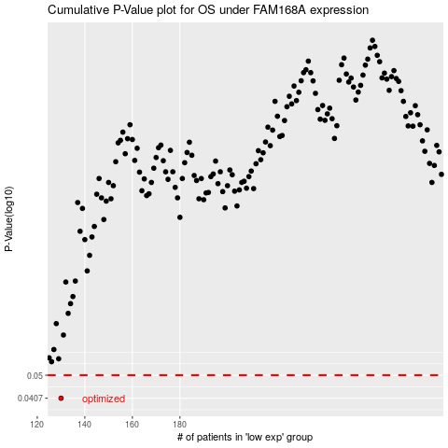

 |  |  |  |  |  | cases_OS | p_OS | rank | exp
 |  |  |  |  |  | 130 | 0.0407 | 230 | -0.50412672334
 |  |  |  |  |  |  | cases_RFS | p_RFS | rank | exp
 |  |  |  |  |  |  | 129 | 0.0407 | 289 | -0.50636136714

