FAM174B _multivariate
Reported by Tex Li-Hsing Chi. tex@gate.sinica.edu.tw 2019-08-20

Table 2. The clinicopathological features of HNSCC cohort and FAM174B expression. (Chi square test)
Cutoff at -0.3 (50.0%)
 |  | FAM174B expression |  | FAM174B expression |  | (Optimised)
 | Features | Low | (%) | High | (%) | Case no | P-value | Remark | Matthews
Gender | Female | 148 | 35.7 | 158 | 38.1 | 415 | 0.3567 | 0 | 0
2 | Male | 59 | 14.2 | 50 | 12
Age at diagnosis | <=65y | 127 | 30.6 | 147 | 35.4 | 415 | 0.0573 | 0 | 0
4 | >65y | 80 | 19.3 | 61 | 14.7
Clinical T Status | T1+T2 | 73 | 17.6 | 76 | 18.3 | 415 | 0.8666 | 0 | 0
6 | T3+T4 | 134 | 32.3 | 132 | 31.8
Clinical N Status | N0 | 108 | 26 | 108 | 26 | 415 | 1 | 0 | 0
8 | N1-3 | 99 | 23.9 | 100 | 24.1
Clinical M Status | M0 | 204 | 49.2 | 208 | 50.1 | 415 | 0.1232 | 0 | 0
10 | M1 | 3 | 0.7 | 0 | 0
Clinical Stage | Stage I+II | 53 | 12.8 | 49 | 11.8 | 415 | 0.7113 | 0 | 0
12 | Stage III+IV | 154 | 37.1 | 159 | 38.3
Surgical Margin status | Negative | 160 | 38.6 | 158 | 38.1 | 415 | 0.8167 | 0 | 0
14 | Positive | 47 | 11.3 | 50 | 12
Tobacco Exposure | Low | 88 | 21.2 | 73 | 17.6 | 415 | 0.1314 | 0 | 0
16 | High | 119 | 28.7 | 135 | 32.5

Table 3. Univariate/Multivariate Cox's proportional hazards regression analyses on OS time of FAM174B gene expression in HNSCC

 |  | Univariate |  |  |  | Multivariate
 | Features | HR | CI95%(L) | CI95%(H) | P-value | HR | CI95%(L) | CI95%(H) | P-value
1 | Female | 1 |  |  |  | 1
Gender | Male | 1.157 | 0.843 | 1.587 | 0.367 | 1.202 | 0.86 | 1.679 | 0.281
11 | <=65y | 1 |  |  |  | 1
Age at diagnosis | >65y | 1.329 | 0.99 | 1.784 | 0.058 | 1.387 | 1.019 | 1.887 | 0.037
12 | T1+T2 | 1 |  |  |  | 1
Clinical T Status | T3+T4 | 1.409 | 1.028 | 1.931 | 0.033 | 2.194 | 1.16 | 4.15 | 0.016
13 | N0 | 1 |  |  |  | 1
Clinical N Status | N1-3 | 1.185 | 0.89 | 1.577 | 0.246 | 1.238 | 0.867 | 1.766 | 0.24
14 | M0 | 1 |  |  |  | 1
Clinical M Status | M1 | 4.097 | 1.009 | 16.644 | 0.049 | 9.149 | 1.98 | 42.27 | 0.005
15 | Stage I+II | 1 |  |  |  | 1
Clinical Stage | Stage III+IV | 1.245 | 0.882 | 1.759 | 0.213 | 0.507 | 0.236 | 1.09 | 0.082
16 | Negative | 1 |  |  |  | 1
Surgical Margin status | Positive | 1.591 | 1.155 | 2.191 | 0.004 | 1.671 | 1.209 | 2.308 | 0.002
17 | Low | 1 |  |  |  | 1
Tobacco Exposure | High | 1.364 | 1.008 | 1.844 | 0.044 | 1.463 | 1.059 | 2.021 | 0.021
18 | Low | 1 |  |  |  | 1
RNAseq(z-score) | High | 0.93 | 0.699 | 1.239 | 0.621 | 0.949 | 0.709 | 1.271 | 0.727

Table 4. Univariate/Multivariate Cox's proportional hazards regression analyses on RFS time of FAM174B gene expression in HNSCC

 |  | Univariate |  |  |  | Multivariate
 | Features | HR | CI95%(L) | CI95%(H) | P-value | HR | CI95%(L) | CI95%(H) | P-value
1 | Female | 1 |  |  |  | 1
Gender | Male | 1.157 | 0.843 | 1.587 | 0.367 | 1.202 | 0.86 | 1.679 | 0.281
11 | <=65y | 1 |  |  |  | 1
Age at diagnosis | >65y | 1.329 | 0.99 | 1.784 | 0.058 | 1.387 | 1.019 | 1.887 | 0.037
12 | T1+T2 | 1 |  |  |  | 1
Clinical T Status | T3+T4 | 1.409 | 1.028 | 1.931 | 0.033 | 2.194 | 1.16 | 4.15 | 0.016
13 | N0 | 1 |  |  |  | 1
Clinical N Status | N1-3 | 1.185 | 0.89 | 1.577 | 0.246 | 1.238 | 0.867 | 1.766 | 0.24
14 | M0 | 1 |  |  |  | 1
Clinical M Status | M1 | 4.097 | 1.009 | 16.644 | 0.049 | 9.149 | 1.98 | 42.27 | 0.005
15 | Stage I+II | 1 |  |  |  | 1
Clinical Stage | Stage III+IV | 1.245 | 0.882 | 1.759 | 0.213 | 0.507 | 0.236 | 1.09 | 0.082
16 | Negative | 1 |  |  |  | 1
Surgical Margin status | Positive | 1.591 | 1.155 | 2.191 | 0.004 | 1.671 | 1.209 | 2.308 | 0.002
17 | Low | 1 |  |  |  | 1
Tobacco Exposure | High | 1.364 | 1.008 | 1.844 | 0.044 | 1.463 | 1.059 | 2.021 | 0.021
18 | Low | 1 |  |  |  | 1
RNAseq(z-score) | High | 0.93 | 0.699 | 1.239 | 0.621 | 0.949 | 0.709 | 1.271 | 0.727

Kaplan-Meier survival estimate: Cutoff at -0.3 (50.0%)



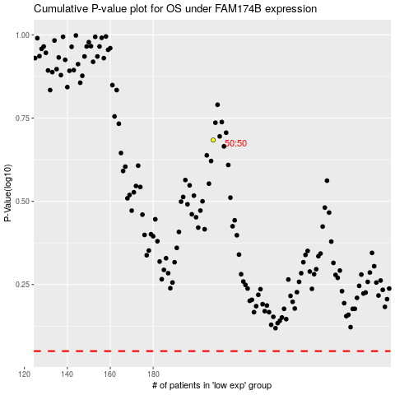

 |  |  |  |  |  | cases_OS | p_OS | rank | exp
 |  |  |  |  |  |  | cases_RFS | p_RFS | rank | exp

