FAM175B _multivariate
Reported by Tex Li-Hsing Chi. tex@gate.sinica.edu.tw 2019-08-20

Table 2. The clinicopathological features of HNSCC cohort and FAM175B expression. (Chi square test)
Cutoff at 0.041 (50.0%)
 |  | FAM175B expression |  | FAM175B expression |  | (Optimised)
 | Features | Low | (%) | High | (%) | Case no | P-value | Remark | Matthews
Gender | Female | 152 | 36.6 | 154 | 37.1 | 415 | 0.9766 | 0 | 0
2 | Male | 55 | 13.3 | 54 | 13
Age at diagnosis | <=65y | 136 | 32.8 | 138 | 33.3 | 415 | 0.9719 | 0 | 0
4 | >65y | 71 | 17.1 | 70 | 16.9
Clinical T Status | T1+T2 | 71 | 17.1 | 78 | 18.8 | 415 | 0.5638 | 0 | 0
6 | T3+T4 | 136 | 32.8 | 130 | 31.3
Clinical N Status | N0 | 120 | 28.9 | 96 | 23.1 | 415 | 0.0208 | 1 | 0
8 | N1-3 | 87 | 21 | 112 | 27
Clinical M Status | M0 | 206 | 49.6 | 206 | 49.6 | 415 | 1 | 0 | 0
10 | M1 | 1 | 0.2 | 2 | 0.5
Clinical Stage | Stage I+II | 47 | 11.3 | 55 | 13.3 | 415 | 0.4413 | 0 | 0
12 | Stage III+IV | 160 | 38.6 | 153 | 36.9
Surgical Margin status | Negative | 157 | 37.8 | 161 | 38.8 | 415 | 0.729 | 0 | 0
14 | Positive | 50 | 12 | 47 | 11.3
Tobacco Exposure | Low | 82 | 19.8 | 79 | 19 | 415 | 0.763 | 0 | 0
16 | High | 125 | 30.1 | 129 | 31.1

Table 3. Univariate/Multivariate Cox's proportional hazards regression analyses on OS time of FAM175B gene expression in HNSCC

 |  | Univariate |  |  |  | Multivariate
 | Features | HR | CI95%(L) | CI95%(H) | P-value | HR | CI95%(L) | CI95%(H) | P-value
1 | Female | 1 |  |  |  | 1
Gender | Male | 1.157 | 0.843 | 1.587 | 0.367 | 1.207 | 0.864 | 1.685 | 0.27
11 | <=65y | 1 |  |  |  | 1
Age at diagnosis | >65y | 1.329 | 0.99 | 1.784 | 0.058 | 1.389 | 1.021 | 1.89 | 0.036
12 | T1+T2 | 1 |  |  |  | 1
Clinical T Status | T3+T4 | 1.409 | 1.028 | 1.931 | 0.033 | 2.18 | 1.152 | 4.126 | 0.017
13 | N0 | 1 |  |  |  | 1
Clinical N Status | N1-3 | 1.185 | 0.89 | 1.577 | 0.246 | 1.187 | 0.826 | 1.705 | 0.355
14 | M0 | 1 |  |  |  | 1
Clinical M Status | M1 | 4.097 | 1.009 | 16.644 | 0.049 | 9.341 | 2.037 | 42.829 | 0.004
15 | Stage I+II | 1 |  |  |  | 1
Clinical Stage | Stage III+IV | 1.245 | 0.882 | 1.759 | 0.213 | 0.526 | 0.244 | 1.132 | 0.101
16 | Negative | 1 |  |  |  | 1
Surgical Margin status | Positive | 1.591 | 1.155 | 2.191 | 0.004 | 1.708 | 1.233 | 2.364 | 0.001
17 | Low | 1 |  |  |  | 1
Tobacco Exposure | High | 1.364 | 1.008 | 1.844 | 0.044 | 1.459 | 1.058 | 2.013 | 0.021
18 | Low | 1 |  |  |  | 1
RNAseq(z-score) | High | 1.183 | 0.888 | 1.576 | 0.251 | 1.208 | 0.9 | 1.621 | 0.208

Table 4. Univariate/Multivariate Cox's proportional hazards regression analyses on RFS time of FAM175B gene expression in HNSCC

 |  | Univariate |  |  |  | Multivariate
 | Features | HR | CI95%(L) | CI95%(H) | P-value | HR | CI95%(L) | CI95%(H) | P-value
1 | Female | 1 |  |  |  | 1
Gender | Male | 1.157 | 0.843 | 1.587 | 0.367 | 1.207 | 0.864 | 1.685 | 0.27
11 | <=65y | 1 |  |  |  | 1
Age at diagnosis | >65y | 1.329 | 0.99 | 1.784 | 0.058 | 1.389 | 1.021 | 1.89 | 0.036
12 | T1+T2 | 1 |  |  |  | 1
Clinical T Status | T3+T4 | 1.409 | 1.028 | 1.931 | 0.033 | 2.18 | 1.152 | 4.126 | 0.017
13 | N0 | 1 |  |  |  | 1
Clinical N Status | N1-3 | 1.185 | 0.89 | 1.577 | 0.246 | 1.187 | 0.826 | 1.705 | 0.355
14 | M0 | 1 |  |  |  | 1
Clinical M Status | M1 | 4.097 | 1.009 | 16.644 | 0.049 | 9.341 | 2.037 | 42.829 | 0.004
15 | Stage I+II | 1 |  |  |  | 1
Clinical Stage | Stage III+IV | 1.245 | 0.882 | 1.759 | 0.213 | 0.526 | 0.244 | 1.132 | 0.101
16 | Negative | 1 |  |  |  | 1
Surgical Margin status | Positive | 1.591 | 1.155 | 2.191 | 0.004 | 1.708 | 1.233 | 2.364 | 0.001
17 | Low | 1 |  |  |  | 1
Tobacco Exposure | High | 1.364 | 1.008 | 1.844 | 0.044 | 1.459 | 1.058 | 2.013 | 0.021
18 | Low | 1 |  |  |  | 1
RNAseq(z-score) | High | 1.183 | 0.888 | 1.576 | 0.251 | 1.208 | 0.9 | 1.621 | 0.208

Kaplan-Meier survival estimate: Cutoff at 0.041 (50.0%)



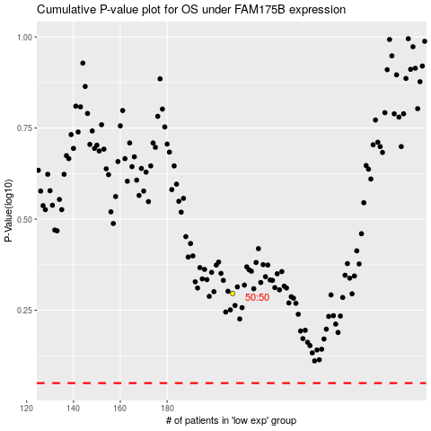

 |  |  |  |  |  | cases_OS | p_OS | rank | exp
 |  |  |  |  |  |  | cases_RFS | p_RFS | rank | exp

