FAM176A _multivariate
Reported by Tex Li-Hsing Chi. tex@gate.sinica.edu.tw 2019-08-20

Table 2. The clinicopathological features of HNSCC cohort and FAM176A expression. (Chi square test)
Cutoff at -0.288 (47.1%)
 |  | FAM176A expression |  | FAM176A expression |  | (Optimised)
 | Features | Low | (%) | High | (%) | Case no | P-value | Remark | Matthews
Gender | Female | 140 | 33.7 | 166 | 40 | 415 | 0.4631 | 0 | 0
2 | Male | 55 | 13.3 | 54 | 13
Age at diagnosis | <=65y | 123 | 29.6 | 151 | 36.4 | 415 | 0.2759 | 0 | 0
4 | >65y | 72 | 17.3 | 69 | 16.6
Clinical T Status | T1+T2 | 63 | 15.2 | 86 | 20.7 | 415 | 0.1818 | 0 | 0
6 | T3+T4 | 132 | 31.8 | 134 | 32.3
Clinical N Status | N0 | 102 | 24.6 | 114 | 27.5 | 415 | 0.9991 | 0 | 0
8 | N1-3 | 93 | 22.4 | 106 | 25.5
Clinical M Status | M0 | 194 | 46.7 | 218 | 52.5 | 415 | 1 | 0 | 0
10 | M1 | 1 | 0.2 | 2 | 0.5
Clinical Stage | Stage I+II | 38 | 9.2 | 64 | 15.4 | 415 | 0.0313 | 1 | 0
12 | Stage III+IV | 157 | 37.8 | 156 | 37.6
Surgical Margin status | Negative | 150 | 36.1 | 168 | 40.5 | 415 | 0.908 | 0 | 0
14 | Positive | 45 | 10.8 | 52 | 12.5
Tobacco Exposure | Low | 76 | 18.3 | 85 | 20.5 | 415 | 1 | 0 | 0
16 | High | 119 | 28.7 | 135 | 32.5

Table 3. Univariate/Multivariate Cox's proportional hazards regression analyses on OS time of FAM176A gene expression in HNSCC

 |  | Univariate |  |  |  | Multivariate
 | Features | HR | CI95%(L) | CI95%(H) | P-value | HR | CI95%(L) | CI95%(H) | P-value
1 | Female | 1 |  |  |  | 1
Gender | Male | 1.157 | 0.843 | 1.587 | 0.367 | 1.209 | 0.865 | 1.689 | 0.266
11 | <=65y | 1 |  |  |  | 1
Age at diagnosis | >65y | 1.329 | 0.99 | 1.784 | 0.058 | 1.427 | 1.049 | 1.942 | 0.024
12 | T1+T2 | 1 |  |  |  | 1
Clinical T Status | T3+T4 | 1.409 | 1.028 | 1.931 | 0.033 | 2.124 | 1.123 | 4.018 | 0.021
13 | N0 | 1 |  |  |  | 1
Clinical N Status | N1-3 | 1.185 | 0.89 | 1.577 | 0.246 | 1.246 | 0.873 | 1.778 | 0.225
14 | M0 | 1 |  |  |  | 1
Clinical M Status | M1 | 4.097 | 1.009 | 16.644 | 0.049 | 8.75 | 1.907 | 40.143 | 0.005
15 | Stage I+II | 1 |  |  |  | 1
Clinical Stage | Stage III+IV | 1.245 | 0.882 | 1.759 | 0.213 | 0.546 | 0.253 | 1.175 | 0.122
16 | Negative | 1 |  |  |  | 1
Surgical Margin status | Positive | 1.591 | 1.155 | 2.191 | 0.004 | 1.634 | 1.183 | 2.258 | 0.003
17 | Low | 1 |  |  |  | 1
Tobacco Exposure | High | 1.364 | 1.008 | 1.844 | 0.044 | 1.458 | 1.058 | 2.009 | 0.021
18 | Low | 1 |  |  |  | 1
RNAseq(z-score) | High | 1.351 | 1.011 | 1.807 | 0.042 | 1.37 | 1.021 | 1.838 | 0.036

Table 4. Univariate/Multivariate Cox's proportional hazards regression analyses on RFS time of FAM176A gene expression in HNSCC

 |  | Univariate |  |  |  | Multivariate
 | Features | HR | CI95%(L) | CI95%(H) | P-value | HR | CI95%(L) | CI95%(H) | P-value
1 | Female | 1 |  |  |  | 1
Gender | Male | 1.157 | 0.843 | 1.587 | 0.367 | 1.209 | 0.865 | 1.689 | 0.266
11 | <=65y | 1 |  |  |  | 1
Age at diagnosis | >65y | 1.329 | 0.99 | 1.784 | 0.058 | 1.427 | 1.049 | 1.942 | 0.024
12 | T1+T2 | 1 |  |  |  | 1
Clinical T Status | T3+T4 | 1.409 | 1.028 | 1.931 | 0.033 | 2.124 | 1.123 | 4.018 | 0.021
13 | N0 | 1 |  |  |  | 1
Clinical N Status | N1-3 | 1.185 | 0.89 | 1.577 | 0.246 | 1.246 | 0.873 | 1.778 | 0.225
14 | M0 | 1 |  |  |  | 1
Clinical M Status | M1 | 4.097 | 1.009 | 16.644 | 0.049 | 8.75 | 1.907 | 40.143 | 0.005
15 | Stage I+II | 1 |  |  |  | 1
Clinical Stage | Stage III+IV | 1.245 | 0.882 | 1.759 | 0.213 | 0.546 | 0.253 | 1.175 | 0.122
16 | Negative | 1 |  |  |  | 1
Surgical Margin status | Positive | 1.591 | 1.155 | 2.191 | 0.004 | 1.634 | 1.183 | 2.258 | 0.003
17 | Low | 1 |  |  |  | 1
Tobacco Exposure | High | 1.364 | 1.008 | 1.844 | 0.044 | 1.458 | 1.058 | 2.009 | 0.021
18 | Low | 1 |  |  |  | 1
RNAseq(z-score) | High | 1.351 | 1.011 | 1.807 | 0.042 | 1.37 | 1.021 | 1.838 | 0.036

Kaplan-Meier survival estimate: Cutoff at -0.288 (47.1%)



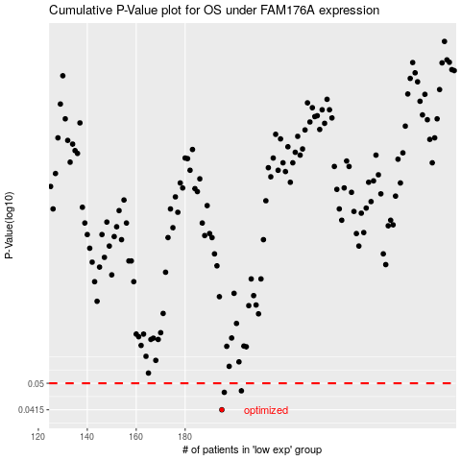

 |  |  |  |  |  | cases_OS | p_OS | rank | exp
 |  |  |  |  |  | 195 | 0.0415 | 240 | -0.28813302966
 |  |  |  |  |  | 196 | 0.0469 | 85 | -0.28811169033
 |  |  |  |  |  | 203 | 0.0474 | 21 | -0.26509333139
 |  |  |  |  |  |  | cases_RFS | p_RFS | rank | exp
 |  |  |  |  |  |  | 194 | 0.0415 | 245 | -0.29144909326
 |  |  |  |  |  |  | 195 | 0.0469 | 240 | -0.28813302966
 |  |  |  |  |  |  | 202 | 0.0474 | 347 | -0.26812690296

