FAM176B _multivariate
Reported by Tex Li-Hsing Chi. tex@gate.sinica.edu.tw 2019-08-20

Table 2. The clinicopathological features of HNSCC cohort and FAM176B expression. (Chi square test)
Cutoff at -0.193 (49.8%)
 |  | FAM176B expression |  | FAM176B expression |  | (Optimised)
 | Features | Low | (%) | High | (%) | Case no | P-value | Remark | Matthews
Gender | Female | 152 | 36.6 | 154 | 37.1 | 415 | 0.9766 | 0 | 0
2 | Male | 55 | 13.3 | 54 | 13
Age at diagnosis | <=65y | 142 | 34.2 | 132 | 31.8 | 415 | 0.3167 | 0 | 0
4 | >65y | 65 | 15.7 | 76 | 18.3
Clinical T Status | T1+T2 | 85 | 20.5 | 64 | 15.4 | 415 | 0.0372 | 1 | 0
6 | T3+T4 | 122 | 29.4 | 144 | 34.7
Clinical N Status | N0 | 109 | 26.3 | 107 | 25.8 | 415 | 0.8812 | 0 | 0
8 | N1-3 | 98 | 23.6 | 101 | 24.3
Clinical M Status | M0 | 206 | 49.6 | 206 | 49.6 | 415 | 1 | 0 | 0
10 | M1 | 1 | 0.2 | 2 | 0.5
Clinical Stage | Stage I+II | 57 | 13.7 | 45 | 10.8 | 415 | 0.1998 | 0 | 0
12 | Stage III+IV | 150 | 36.1 | 163 | 39.3
Surgical Margin status | Negative | 158 | 38.1 | 160 | 38.6 | 415 | 0.9081 | 0 | 0
14 | Positive | 49 | 11.8 | 48 | 11.6
Tobacco Exposure | Low | 82 | 19.8 | 79 | 19 | 415 | 0.763 | 0 | 0
16 | High | 125 | 30.1 | 129 | 31.1

Table 3. Univariate/Multivariate Cox's proportional hazards regression analyses on OS time of FAM176B gene expression in HNSCC

 |  | Univariate |  |  |  | Multivariate
 | Features | HR | CI95%(L) | CI95%(H) | P-value | HR | CI95%(L) | CI95%(H) | P-value
1 | Female | 1 |  |  |  | 1
Gender | Male | 1.157 | 0.843 | 1.587 | 0.367 | 1.196 | 0.857 | 1.668 | 0.293
11 | <=65y | 1 |  |  |  | 1
Age at diagnosis | >65y | 1.329 | 0.99 | 1.784 | 0.058 | 1.412 | 1.039 | 1.92 | 0.028
12 | T1+T2 | 1 |  |  |  | 1
Clinical T Status | T3+T4 | 1.409 | 1.028 | 1.931 | 0.033 | 2.312 | 1.217 | 4.39 | 0.01
13 | N0 | 1 |  |  |  | 1
Clinical N Status | N1-3 | 1.185 | 0.89 | 1.577 | 0.246 | 1.258 | 0.882 | 1.796 | 0.206
14 | M0 | 1 |  |  |  | 1
Clinical M Status | M1 | 4.097 | 1.009 | 16.644 | 0.049 | 9.934 | 2.162 | 45.642 | 0.003
15 | Stage I+II | 1 |  |  |  | 1
Clinical Stage | Stage III+IV | 1.245 | 0.882 | 1.759 | 0.213 | 0.491 | 0.229 | 1.056 | 0.069
16 | Negative | 1 |  |  |  | 1
Surgical Margin status | Positive | 1.591 | 1.155 | 2.191 | 0.004 | 1.666 | 1.205 | 2.303 | 0.002
17 | Low | 1 |  |  |  | 1
Tobacco Exposure | High | 1.364 | 1.008 | 1.844 | 0.044 | 1.452 | 1.055 | 1.999 | 0.022
18 | Low | 1 |  |  |  | 1
RNAseq(z-score) | High | 0.881 | 0.661 | 1.174 | 0.386 | 0.816 | 0.609 | 1.092 | 0.172

Table 4. Univariate/Multivariate Cox's proportional hazards regression analyses on RFS time of FAM176B gene expression in HNSCC

 |  | Univariate |  |  |  | Multivariate
 | Features | HR | CI95%(L) | CI95%(H) | P-value | HR | CI95%(L) | CI95%(H) | P-value
1 | Female | 1 |  |  |  | 1
Gender | Male | 1.157 | 0.843 | 1.587 | 0.367 | 1.196 | 0.857 | 1.668 | 0.293
11 | <=65y | 1 |  |  |  | 1
Age at diagnosis | >65y | 1.329 | 0.99 | 1.784 | 0.058 | 1.412 | 1.039 | 1.92 | 0.028
12 | T1+T2 | 1 |  |  |  | 1
Clinical T Status | T3+T4 | 1.409 | 1.028 | 1.931 | 0.033 | 2.312 | 1.217 | 4.39 | 0.01
13 | N0 | 1 |  |  |  | 1
Clinical N Status | N1-3 | 1.185 | 0.89 | 1.577 | 0.246 | 1.258 | 0.882 | 1.796 | 0.206
14 | M0 | 1 |  |  |  | 1
Clinical M Status | M1 | 4.097 | 1.009 | 16.644 | 0.049 | 9.934 | 2.162 | 45.642 | 0.003
15 | Stage I+II | 1 |  |  |  | 1
Clinical Stage | Stage III+IV | 1.245 | 0.882 | 1.759 | 0.213 | 0.491 | 0.229 | 1.056 | 0.069
16 | Negative | 1 |  |  |  | 1
Surgical Margin status | Positive | 1.591 | 1.155 | 2.191 | 0.004 | 1.666 | 1.205 | 2.303 | 0.002
17 | Low | 1 |  |  |  | 1
Tobacco Exposure | High | 1.364 | 1.008 | 1.844 | 0.044 | 1.452 | 1.055 | 1.999 | 0.022
18 | Low | 1 |  |  |  | 1
RNAseq(z-score) | High | 0.881 | 0.661 | 1.174 | 0.386 | 0.816 | 0.609 | 1.092 | 0.172

Kaplan-Meier survival estimate: Cutoff at -0.193 (49.8%)



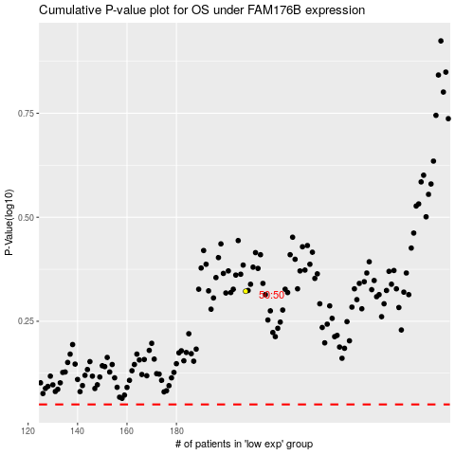

 |  |  |  |  |  | cases_OS | p_OS | rank | exp
 |  |  |  |  |  |  | cases_RFS | p_RFS | rank | exp

