FAM177A1 _multivariate
Reported by Tex Li-Hsing Chi. tex@gate.sinica.edu.tw 2019-08-20

Table 2. The clinicopathological features of HNSCC cohort and FAM177A1 expression. (Chi square test)
Cutoff at -0.406 (37.7%)
 |  | FAM177A1 expression |  | FAM177A1 expression |  | (Optimised)
 | Features | Low | (%) | High | (%) | Case no | P-value | Remark | Matthews
Gender | Female | 129 | 31.1 | 177 | 42.7 | 415 | 0.0019 | 1 | 0
2 | Male | 27 | 6.5 | 82 | 19.8
Age at diagnosis | <=65y | 109 | 26.3 | 165 | 39.8 | 415 | 0.239 | 0 | 0
4 | >65y | 47 | 11.3 | 94 | 22.7
Clinical T Status | T1+T2 | 48 | 11.6 | 101 | 24.3 | 415 | 0.1126 | 0 | 0
6 | T3+T4 | 108 | 26 | 158 | 38.1
Clinical N Status | N0 | 72 | 17.3 | 144 | 34.7 | 415 | 0.0777 | 0 | 0
8 | N1-3 | 84 | 20.2 | 115 | 27.7
Clinical M Status | M0 | 156 | 37.6 | 256 | 61.7 | 415 | 0.2945 | 0 | 0
10 | M1 | 0 | 0 | 3 | 0.7
Clinical Stage | Stage I+II | 25 | 6 | 77 | 18.6 | 415 | 0.0025 | 1 | 0
12 | Stage III+IV | 131 | 31.6 | 182 | 43.9
Surgical Margin status | Negative | 133 | 32 | 185 | 44.6 | 415 | 0.0012 | 1 | 0
14 | Positive | 23 | 5.5 | 74 | 17.8
Tobacco Exposure | Low | 55 | 13.3 | 106 | 25.5 | 415 | 0.2551 | 0 | 0
16 | High | 101 | 24.3 | 153 | 36.9

Table 3. Univariate/Multivariate Cox's proportional hazards regression analyses on OS time of FAM177A1 gene expression in HNSCC

 |  | Univariate |  |  |  | Multivariate
 | Features | HR | CI95%(L) | CI95%(H) | P-value | HR | CI95%(L) | CI95%(H) | P-value
1 | Female | 1 |  |  |  | 1
Gender | Male | 1.157 | 0.843 | 1.587 | 0.367 | 1.154 | 0.823 | 1.619 | 0.407
11 | <=65y | 1 |  |  |  | 1
Age at diagnosis | >65y | 1.329 | 0.99 | 1.784 | 0.058 | 1.383 | 1.018 | 1.879 | 0.038
12 | T1+T2 | 1 |  |  |  | 1
Clinical T Status | T3+T4 | 1.409 | 1.028 | 1.931 | 0.033 | 2.141 | 1.13 | 4.053 | 0.019
13 | N0 | 1 |  |  |  | 1
Clinical N Status | N1-3 | 1.185 | 0.89 | 1.577 | 0.246 | 1.241 | 0.871 | 1.77 | 0.233
14 | M0 | 1 |  |  |  | 1
Clinical M Status | M1 | 4.097 | 1.009 | 16.644 | 0.049 | 8.231 | 1.778 | 38.112 | 0.007
15 | Stage I+II | 1 |  |  |  | 1
Clinical Stage | Stage III+IV | 1.245 | 0.882 | 1.759 | 0.213 | 0.538 | 0.25 | 1.16 | 0.114
16 | Negative | 1 |  |  |  | 1
Surgical Margin status | Positive | 1.591 | 1.155 | 2.191 | 0.004 | 1.601 | 1.153 | 2.224 | 0.005
17 | Low | 1 |  |  |  | 1
Tobacco Exposure | High | 1.364 | 1.008 | 1.844 | 0.044 | 1.449 | 1.052 | 1.997 | 0.023
18 | Low | 1 |  |  |  | 1
RNAseq(z-score) | High | 1.373 | 1.016 | 1.857 | 0.039 | 1.263 | 0.92 | 1.732 | 0.148

Table 4. Univariate/Multivariate Cox's proportional hazards regression analyses on RFS time of FAM177A1 gene expression in HNSCC

 |  | Univariate |  |  |  | Multivariate
 | Features | HR | CI95%(L) | CI95%(H) | P-value | HR | CI95%(L) | CI95%(H) | P-value
1 | Female | 1 |  |  |  | 1
Gender | Male | 1.157 | 0.843 | 1.587 | 0.367 | 1.154 | 0.823 | 1.619 | 0.407
11 | <=65y | 1 |  |  |  | 1
Age at diagnosis | >65y | 1.329 | 0.99 | 1.784 | 0.058 | 1.383 | 1.018 | 1.879 | 0.038
12 | T1+T2 | 1 |  |  |  | 1
Clinical T Status | T3+T4 | 1.409 | 1.028 | 1.931 | 0.033 | 2.141 | 1.13 | 4.053 | 0.019
13 | N0 | 1 |  |  |  | 1
Clinical N Status | N1-3 | 1.185 | 0.89 | 1.577 | 0.246 | 1.241 | 0.871 | 1.77 | 0.233
14 | M0 | 1 |  |  |  | 1
Clinical M Status | M1 | 4.097 | 1.009 | 16.644 | 0.049 | 8.231 | 1.778 | 38.112 | 0.007
15 | Stage I+II | 1 |  |  |  | 1
Clinical Stage | Stage III+IV | 1.245 | 0.882 | 1.759 | 0.213 | 0.538 | 0.25 | 1.16 | 0.114
16 | Negative | 1 |  |  |  | 1
Surgical Margin status | Positive | 1.591 | 1.155 | 2.191 | 0.004 | 1.601 | 1.153 | 2.224 | 0.005
17 | Low | 1 |  |  |  | 1
Tobacco Exposure | High | 1.364 | 1.008 | 1.844 | 0.044 | 1.449 | 1.052 | 1.997 | 0.023
18 | Low | 1 |  |  |  | 1
RNAseq(z-score) | High | 1.373 | 1.016 | 1.857 | 0.039 | 1.263 | 0.92 | 1.732 | 0.148

Kaplan-Meier survival estimate: Cutoff at -0.406 (37.7%)



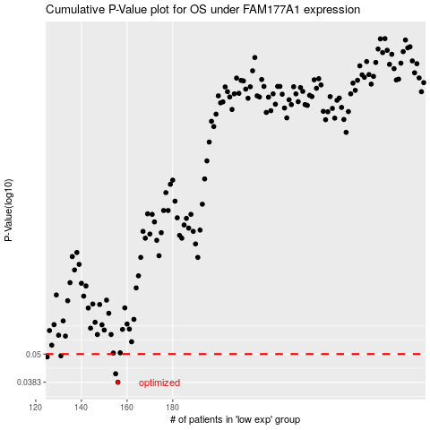

 |  |  |  |  |  | cases_OS | p_OS | rank | exp
 |  |  |  |  |  | 156 | 0.0383 | 52 | -0.40580253608
 |  |  |  |  |  | 155 | 0.0415 | 238 | -0.40907364537
 |  |  |  |  |  | 125 | 0.0487 | 176 | -0.55616313817
 |  |  |  |  |  | 131 | 0.0492 | 344 | -0.53693345725
 |  |  |  |  |  |  | cases_RFS | p_RFS | rank | exp
 |  |  |  |  |  |  | 155 | 0.0383 | 238 | -0.40907364537
 |  |  |  |  |  |  | 154 | 0.0415 | 30 | -0.41022076988
 |  |  |  |  |  |  |  | 0.0487 | 214 | -0.56010635939
 |  |  |  |  |  |  | 130 | 0.0492 | 328 | -0.537542337

