FAM180A _multivariate
Reported by Tex Li-Hsing Chi. tex@gate.sinica.edu.tw 2019-08-20

Table 2. The clinicopathological features of HNSCC cohort and FAM180A expression. (Chi square test)
Cutoff at -0.333 (49.8%)
 |  | FAM180A expression |  | FAM180A expression |  | (Optimised)
 | Features | Low | (%) | High | (%) | Case no | P-value | Remark | Matthews
Gender | Female | 150 | 36.1 | 156 | 37.6 | 415 | 0.6344 | 0 | 0
2 | Male | 57 | 13.7 | 52 | 12.5
Age at diagnosis | <=65y | 136 | 32.8 | 138 | 33.3 | 415 | 0.9719 | 0 | 0
4 | >65y | 71 | 17.1 | 70 | 16.9
Clinical T Status | T1+T2 | 82 | 19.8 | 67 | 16.1 | 415 | 0.1417 | 0 | 0
6 | T3+T4 | 125 | 30.1 | 141 | 34
Clinical N Status | N0 | 100 | 24.1 | 116 | 28 | 415 | 0.1548 | 0 | 0
8 | N1-3 | 107 | 25.8 | 92 | 22.2
Clinical M Status | M0 | 204 | 49.2 | 208 | 50.1 | 415 | 0.1232 | 0 | 0
10 | M1 | 3 | 0.7 | 0 | 0
Clinical Stage | Stage I+II | 49 | 11.8 | 53 | 12.8 | 415 | 0.7535 | 0 | 0
12 | Stage III+IV | 158 | 38.1 | 155 | 37.3
Surgical Margin status | Negative | 152 | 36.6 | 166 | 40 | 415 | 0.1329 | 0 | 0
14 | Positive | 55 | 13.3 | 42 | 10.1
Tobacco Exposure | Low | 89 | 21.4 | 72 | 17.3 | 415 | 0.0872 | 0 | 0
16 | High | 118 | 28.4 | 136 | 32.8

Table 3. Univariate/Multivariate Cox's proportional hazards regression analyses on OS time of FAM180A gene expression in HNSCC

 |  | Univariate |  |  |  | Multivariate
 | Features | HR | CI95%(L) | CI95%(H) | P-value | HR | CI95%(L) | CI95%(H) | P-value
1 | Female | 1 |  |  |  | 1
Gender | Male | 1.157 | 0.843 | 1.587 | 0.367 | 1.183 | 0.845 | 1.655 | 0.328
11 | <=65y | 1 |  |  |  | 1
Age at diagnosis | >65y | 1.329 | 0.99 | 1.784 | 0.058 | 1.401 | 1.03 | 1.905 | 0.032
12 | T1+T2 | 1 |  |  |  | 1
Clinical T Status | T3+T4 | 1.409 | 1.028 | 1.931 | 0.033 | 2.296 | 1.211 | 4.354 | 0.011
13 | N0 | 1 |  |  |  | 1
Clinical N Status | N1-3 | 1.185 | 0.89 | 1.577 | 0.246 | 1.216 | 0.852 | 1.737 | 0.282
14 | M0 | 1 |  |  |  | 1
Clinical M Status | M1 | 4.097 | 1.009 | 16.644 | 0.049 | 8.853 | 1.927 | 40.682 | 0.005
15 | Stage I+II | 1 |  |  |  | 1
Clinical Stage | Stage III+IV | 1.245 | 0.882 | 1.759 | 0.213 | 0.493 | 0.23 | 1.059 | 0.07
16 | Negative | 1 |  |  |  | 1
Surgical Margin status | Positive | 1.591 | 1.155 | 2.191 | 0.004 | 1.665 | 1.205 | 2.301 | 0.002
17 | Low | 1 |  |  |  | 1
Tobacco Exposure | High | 1.364 | 1.008 | 1.844 | 0.044 | 1.474 | 1.069 | 2.032 | 0.018
18 | Low | 1 |  |  |  | 1
RNAseq(z-score) | High | 0.831 | 0.622 | 1.11 | 0.21 | 0.813 | 0.605 | 1.093 | 0.171

Table 4. Univariate/Multivariate Cox's proportional hazards regression analyses on RFS time of FAM180A gene expression in HNSCC

 |  | Univariate |  |  |  | Multivariate
 | Features | HR | CI95%(L) | CI95%(H) | P-value | HR | CI95%(L) | CI95%(H) | P-value
1 | Female | 1 |  |  |  | 1
Gender | Male | 1.157 | 0.843 | 1.587 | 0.367 | 1.183 | 0.845 | 1.655 | 0.328
11 | <=65y | 1 |  |  |  | 1
Age at diagnosis | >65y | 1.329 | 0.99 | 1.784 | 0.058 | 1.401 | 1.03 | 1.905 | 0.032
12 | T1+T2 | 1 |  |  |  | 1
Clinical T Status | T3+T4 | 1.409 | 1.028 | 1.931 | 0.033 | 2.296 | 1.211 | 4.354 | 0.011
13 | N0 | 1 |  |  |  | 1
Clinical N Status | N1-3 | 1.185 | 0.89 | 1.577 | 0.246 | 1.216 | 0.852 | 1.737 | 0.282
14 | M0 | 1 |  |  |  | 1
Clinical M Status | M1 | 4.097 | 1.009 | 16.644 | 0.049 | 8.853 | 1.927 | 40.682 | 0.005
15 | Stage I+II | 1 |  |  |  | 1
Clinical Stage | Stage III+IV | 1.245 | 0.882 | 1.759 | 0.213 | 0.493 | 0.23 | 1.059 | 0.07
16 | Negative | 1 |  |  |  | 1
Surgical Margin status | Positive | 1.591 | 1.155 | 2.191 | 0.004 | 1.665 | 1.205 | 2.301 | 0.002
17 | Low | 1 |  |  |  | 1
Tobacco Exposure | High | 1.364 | 1.008 | 1.844 | 0.044 | 1.474 | 1.069 | 2.032 | 0.018
18 | Low | 1 |  |  |  | 1
RNAseq(z-score) | High | 0.831 | 0.622 | 1.11 | 0.21 | 0.813 | 0.605 | 1.093 | 0.171

Kaplan-Meier survival estimate: Cutoff at -0.333 (49.8%)



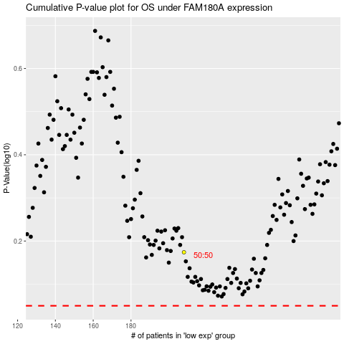

 |  |  |  |  |  | cases_OS | p_OS | rank | exp
 |  |  |  |  |  |  | cases_RFS | p_RFS | rank | exp

