FAM181A _multivariate
Reported by Tex Li-Hsing Chi. tex@gate.sinica.edu.tw 2019-08-20

Table 2. The clinicopathological features of HNSCC cohort and FAM181A expression. (Chi square test)
Cutoff at -0.238 (49.8%)
 |  | FAM181A expression |  | FAM181A expression |  | (Optimised)
 | Features | Low | (%) | High | (%) | Case no | P-value | Remark | Matthews
Gender | Female | 141 | 34 | 165 | 39.8 | 415 | 0.013 | 1 | 0
2 | Male | 66 | 15.9 | 43 | 10.4
Age at diagnosis | <=65y | 133 | 32 | 141 | 34 | 415 | 0.5111 | 0 | 0
4 | >65y | 74 | 17.8 | 67 | 16.1
Clinical T Status | T1+T2 | 81 | 19.5 | 68 | 16.4 | 415 | 0.206 | 0 | 0
6 | T3+T4 | 126 | 30.4 | 140 | 33.7
Clinical N Status | N0 | 111 | 26.7 | 105 | 25.3 | 415 | 0.5875 | 0 | 0
8 | N1-3 | 96 | 23.1 | 103 | 24.8
Clinical M Status | M0 | 206 | 49.6 | 206 | 49.6 | 415 | 1 | 0 | 0
10 | M1 | 1 | 0.2 | 2 | 0.5
Clinical Stage | Stage I+II | 57 | 13.7 | 45 | 10.8 | 415 | 0.1998 | 0 | 0
12 | Stage III+IV | 150 | 36.1 | 163 | 39.3
Surgical Margin status | Negative | 162 | 39 | 156 | 37.6 | 415 | 0.4867 | 0 | 0
14 | Positive | 45 | 10.8 | 52 | 12.5
Tobacco Exposure | Low | 87 | 21 | 74 | 17.8 | 415 | 0.1911 | 0 | 0
16 | High | 120 | 28.9 | 134 | 32.3

Table 3. Univariate/Multivariate Cox's proportional hazards regression analyses on OS time of FAM181A gene expression in HNSCC

 |  | Univariate |  |  |  | Multivariate
 | Features | HR | CI95%(L) | CI95%(H) | P-value | HR | CI95%(L) | CI95%(H) | P-value
1 | Female | 1 |  |  |  | 1
Gender | Male | 1.157 | 0.843 | 1.587 | 0.367 | 1.18 | 0.844 | 1.651 | 0.334
11 | <=65y | 1 |  |  |  | 1
Age at diagnosis | >65y | 1.329 | 0.99 | 1.784 | 0.058 | 1.371 | 1.007 | 1.867 | 0.045
12 | T1+T2 | 1 |  |  |  | 1
Clinical T Status | T3+T4 | 1.409 | 1.028 | 1.931 | 0.033 | 2.225 | 1.176 | 4.21 | 0.014
13 | N0 | 1 |  |  |  | 1
Clinical N Status | N1-3 | 1.185 | 0.89 | 1.577 | 0.246 | 1.241 | 0.87 | 1.769 | 0.233
14 | M0 | 1 |  |  |  | 1
Clinical M Status | M1 | 4.097 | 1.009 | 16.644 | 0.049 | 9.832 | 2.139 | 45.189 | 0.003
15 | Stage I+II | 1 |  |  |  | 1
Clinical Stage | Stage III+IV | 1.245 | 0.882 | 1.759 | 0.213 | 0.506 | 0.236 | 1.087 | 0.081
16 | Negative | 1 |  |  |  | 1
Surgical Margin status | Positive | 1.591 | 1.155 | 2.191 | 0.004 | 1.672 | 1.21 | 2.309 | 0.002
17 | Low | 1 |  |  |  | 1
Tobacco Exposure | High | 1.364 | 1.008 | 1.844 | 0.044 | 1.467 | 1.064 | 2.022 | 0.019
18 | Low | 1 |  |  |  | 1
RNAseq(z-score) | High | 0.88 | 0.66 | 1.172 | 0.382 | 0.86 | 0.64 | 1.155 | 0.316

Table 4. Univariate/Multivariate Cox's proportional hazards regression analyses on RFS time of FAM181A gene expression in HNSCC

 |  | Univariate |  |  |  | Multivariate
 | Features | HR | CI95%(L) | CI95%(H) | P-value | HR | CI95%(L) | CI95%(H) | P-value
1 | Female | 1 |  |  |  | 1
Gender | Male | 1.157 | 0.843 | 1.587 | 0.367 | 1.18 | 0.844 | 1.651 | 0.334
11 | <=65y | 1 |  |  |  | 1
Age at diagnosis | >65y | 1.329 | 0.99 | 1.784 | 0.058 | 1.371 | 1.007 | 1.867 | 0.045
12 | T1+T2 | 1 |  |  |  | 1
Clinical T Status | T3+T4 | 1.409 | 1.028 | 1.931 | 0.033 | 2.225 | 1.176 | 4.21 | 0.014
13 | N0 | 1 |  |  |  | 1
Clinical N Status | N1-3 | 1.185 | 0.89 | 1.577 | 0.246 | 1.241 | 0.87 | 1.769 | 0.233
14 | M0 | 1 |  |  |  | 1
Clinical M Status | M1 | 4.097 | 1.009 | 16.644 | 0.049 | 9.832 | 2.139 | 45.189 | 0.003
15 | Stage I+II | 1 |  |  |  | 1
Clinical Stage | Stage III+IV | 1.245 | 0.882 | 1.759 | 0.213 | 0.506 | 0.236 | 1.087 | 0.081
16 | Negative | 1 |  |  |  | 1
Surgical Margin status | Positive | 1.591 | 1.155 | 2.191 | 0.004 | 1.672 | 1.21 | 2.309 | 0.002
17 | Low | 1 |  |  |  | 1
Tobacco Exposure | High | 1.364 | 1.008 | 1.844 | 0.044 | 1.467 | 1.064 | 2.022 | 0.019
18 | Low | 1 |  |  |  | 1
RNAseq(z-score) | High | 0.88 | 0.66 | 1.172 | 0.382 | 0.86 | 0.64 | 1.155 | 0.316

Kaplan-Meier survival estimate: Cutoff at -0.238 (49.8%)



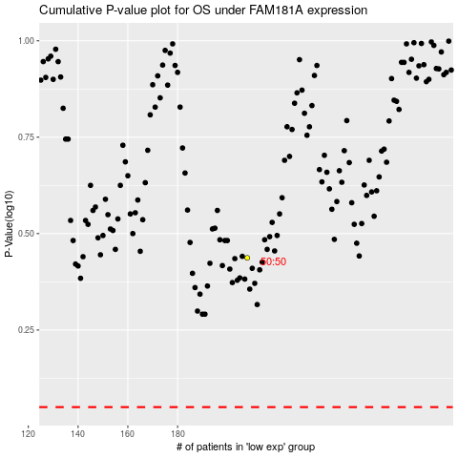

 |  |  |  |  |  | cases_OS | p_OS | rank | exp
 |  |  |  |  |  |  | cases_RFS | p_RFS | rank | exp

