FAM183A _multivariate
Reported by Tex Li-Hsing Chi. tex@gate.sinica.edu.tw 2019-08-20

Table 2. The clinicopathological features of HNSCC cohort and FAM183A expression. (Chi square test)
Cutoff at -0.115 (60.6%)
 |  | FAM183A expression |  | FAM183A expression |  | (Optimised)
 | Features | Low | (%) | High | (%) | Case no | P-value | Remark | Matthews
Gender | Female | 176 | 42.4 | 130 | 31.3 | 415 | 0.0504 | 0 | 0
2 | Male | 75 | 18.1 | 34 | 8.2
Age at diagnosis | <=65y | 161 | 38.8 | 113 | 27.2 | 415 | 0.3709 | 0 | 0
4 | >65y | 90 | 21.7 | 51 | 12.3
Clinical T Status | T1+T2 | 88 | 21.2 | 61 | 14.7 | 415 | 0.7349 | 0 | 0
6 | T3+T4 | 163 | 39.3 | 103 | 24.8
Clinical N Status | N0 | 132 | 31.8 | 84 | 20.2 | 415 | 0.8629 | 0 | 0
8 | N1-3 | 119 | 28.7 | 80 | 19.3
Clinical M Status | M0 | 250 | 60.2 | 162 | 39 | 415 | 0.5649 | 0 | 0
10 | M1 | 1 | 0.2 | 2 | 0.5
Clinical Stage | Stage I+II | 64 | 15.4 | 38 | 9.2 | 415 | 0.6732 | 0 | 0
12 | Stage III+IV | 187 | 45.1 | 126 | 30.4
Surgical Margin status | Negative | 191 | 46 | 127 | 30.6 | 415 | 0.8128 | 0 | 0
14 | Positive | 60 | 14.5 | 37 | 8.9
Tobacco Exposure | Low | 102 | 24.6 | 59 | 14.2 | 415 | 0.3554 | 0 | 0
16 | High | 149 | 35.9 | 105 | 25.3

Table 3. Univariate/Multivariate Cox's proportional hazards regression analyses on OS time of FAM183A gene expression in HNSCC

 |  | Univariate |  |  |  | Multivariate
 | Features | HR | CI95%(L) | CI95%(H) | P-value | HR | CI95%(L) | CI95%(H) | P-value
1 | Female | 1 |  |  |  | 1
Gender | Male | 1.157 | 0.843 | 1.587 | 0.367 | 1.15 | 0.819 | 1.614 | 0.42
11 | <=65y | 1 |  |  |  | 1
Age at diagnosis | >65y | 1.329 | 0.99 | 1.784 | 0.058 | 1.416 | 1.04 | 1.928 | 0.027
12 | T1+T2 | 1 |  |  |  | 1
Clinical T Status | T3+T4 | 1.409 | 1.028 | 1.931 | 0.033 | 2.073 | 1.094 | 3.925 | 0.025
13 | N0 | 1 |  |  |  | 1
Clinical N Status | N1-3 | 1.185 | 0.89 | 1.577 | 0.246 | 1.263 | 0.885 | 1.802 | 0.199
14 | M0 | 1 |  |  |  | 1
Clinical M Status | M1 | 4.097 | 1.009 | 16.644 | 0.049 | 10.257 | 2.235 | 47.073 | 0.003
15 | Stage I+II | 1 |  |  |  | 1
Clinical Stage | Stage III+IV | 1.245 | 0.882 | 1.759 | 0.213 | 0.535 | 0.249 | 1.151 | 0.11
16 | Negative | 1 |  |  |  | 1
Surgical Margin status | Positive | 1.591 | 1.155 | 2.191 | 0.004 | 1.622 | 1.174 | 2.241 | 0.003
17 | Low | 1 |  |  |  | 1
Tobacco Exposure | High | 1.364 | 1.008 | 1.844 | 0.044 | 1.509 | 1.092 | 2.086 | 0.013
18 | Low | 1 |  |  |  | 1
RNAseq(z-score) | High | 0.685 | 0.505 | 0.928 | 0.015 | 0.681 | 0.499 | 0.93 | 0.016

Table 4. Univariate/Multivariate Cox's proportional hazards regression analyses on RFS time of FAM183A gene expression in HNSCC

 |  | Univariate |  |  |  | Multivariate
 | Features | HR | CI95%(L) | CI95%(H) | P-value | HR | CI95%(L) | CI95%(H) | P-value
1 | Female | 1 |  |  |  | 1
Gender | Male | 1.157 | 0.843 | 1.587 | 0.367 | 1.15 | 0.819 | 1.614 | 0.42
11 | <=65y | 1 |  |  |  | 1
Age at diagnosis | >65y | 1.329 | 0.99 | 1.784 | 0.058 | 1.416 | 1.04 | 1.928 | 0.027
12 | T1+T2 | 1 |  |  |  | 1
Clinical T Status | T3+T4 | 1.409 | 1.028 | 1.931 | 0.033 | 2.073 | 1.094 | 3.925 | 0.025
13 | N0 | 1 |  |  |  | 1
Clinical N Status | N1-3 | 1.185 | 0.89 | 1.577 | 0.246 | 1.263 | 0.885 | 1.802 | 0.199
14 | M0 | 1 |  |  |  | 1
Clinical M Status | M1 | 4.097 | 1.009 | 16.644 | 0.049 | 10.257 | 2.235 | 47.073 | 0.003
15 | Stage I+II | 1 |  |  |  | 1
Clinical Stage | Stage III+IV | 1.245 | 0.882 | 1.759 | 0.213 | 0.535 | 0.249 | 1.151 | 0.11
16 | Negative | 1 |  |  |  | 1
Surgical Margin status | Positive | 1.591 | 1.155 | 2.191 | 0.004 | 1.622 | 1.174 | 2.241 | 0.003
17 | Low | 1 |  |  |  | 1
Tobacco Exposure | High | 1.364 | 1.008 | 1.844 | 0.044 | 1.509 | 1.092 | 2.086 | 0.013
18 | Low | 1 |  |  |  | 1
RNAseq(z-score) | High | 0.685 | 0.505 | 0.928 | 0.015 | 0.681 | 0.499 | 0.93 | 0.016

Kaplan-Meier survival estimate: Cutoff at -0.115 (60.6%)

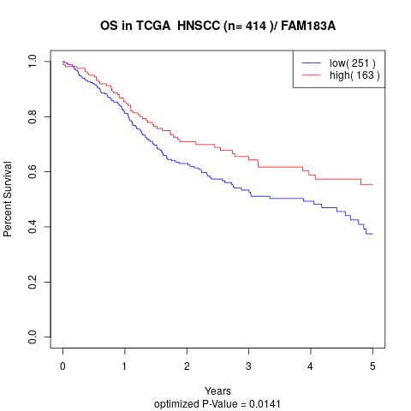

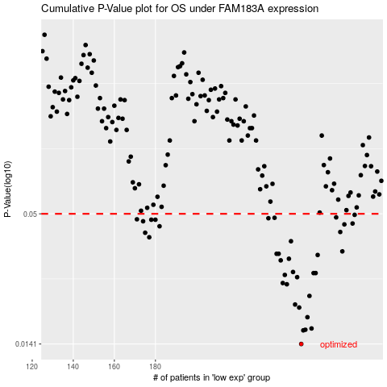

 |  |  |  |  |  | cases_OS | p_OS | rank | exp
 |  |  |  |  |  | 251 | 0.0141 | 309 | -0.11490890725
 |  |  |  |  |  | 252 | 0.0161 | 259 | -0.11399179346
 |  |  |  |  |  | 253 | 0.0162 | 386 | -0.11375005925
 |  |  |  |  |  | 256 | 0.0164 | 175 | -0.10977712972
 |  |  |  |  |  | 254 | 0.0183 | 350 | -0.11245650439
 |  |  |  |  |  | 250 | 0.0201 | 61 | -0.11540344748
 |  |  |  |  |  | 248 | 0.0207 | 193 | -0.11637776554
 |  |  |  |  |  | 255 | 0.0225 | 52 | -0.11209113512
 |  |  |  |  |  | 244 | 0.0252 | 141 | -0.11937268641
 |  |  |  |  |  | 242 | 0.0255 | 46 | -0.12238606027
 |  |  |  |  |  | 249 | 0.027 | 409 | -0.11554738083
 |  |  |  |  |  | 243 | 0.0276 | 243 | -0.12027872839
 |  |  |  |  |  | 257 | 0.0281 | 333 | -0.10829904493
 |  |  |  |  |  | 258 | 0.0281 | 407 | -0.10817356457
 |  |  |  |  |  | 247 | 0.0284 | 88 | -0.11786876743
 |  |  |  |  |  | 241 | 0.0318 | 74 | -0.12247278934
 |  |  |  |  |  | 245 | 0.0323 | 357 | -0.11854783759
 |  |  |  |  |  | 259 | 0.0335 | 184 | -0.10697781058
 |  |  |  |  |  | 239 | 0.0339 | 127 | -0.12250231413
 |  |  |  |  |  | 240 | 0.0339 | 229 | -0.12250231413
 |  |  |  |  |  | 271 | 0.0347 | 122 | -0.099978590099
 |  |  |  |  |  | 246 | 0.0383 | 62 | -0.11797764009
 |  |  |  |  |  | 177 | 0.0398 | 15 | -0.15577306164
 |  |  |  |  |  | 175 | 0.0416 | 166 | -0.15712197548
 |  |  |  |  |  | 270 | 0.0419 | 118 | -0.10021847902
 |  |  |  |  |  | 182 | 0.0443 | 329 | -0.15315642715
 |  |  |  |  |  | 272 | 0.0451 | 336 | -0.09971286699
 |  |  |  |  |  | 276 | 0.0455 | 318 | -0.096282455474
 |  |  |  |  |  | 174 | 0.0465 | 401 | -0.15799111148
 |  |  |  |  |  | 180 | 0.0472 | 165 | -0.15370632636
 |  |  |  |  |  | 178 | 0.0472 | 293 | -0.15425438027
 |  |  |  |  |  | 171 | 0.0474 | 368 | -0.16151194266
 |  |  |  |  |  | 235 | 0.0479 | 134 | -0.12407450918
 |  |  |  |  |  | 238 | 0.0481 | 225 | -0.12327364926
 |  |  |  |  |  | 268 | 0.0483 | 262 | -0.10070379275
 |  |  |  |  |  | 277 | 0.0495 | 384 | -0.094490669792
 |  |  |  |  |  |  | cases_RFS | p_RFS | rank | exp
 |  |  |  |  |  |  | 250 | 0.0141 | 61 | -0.11540344748
 |  |  |  |  |  |  | 251 | 0.0161 | 309 | -0.11490890725
 |  |  |  |  |  |  | 252 | 0.0162 | 259 | -0.11399179346
 |  |  |  |  |  |  | 255 | 0.0164 | 52 | -0.11209113512
 |  |  |  |  |  |  | 253 | 0.0183 | 386 | -0.11375005925
 |  |  |  |  |  |  | 249 | 0.0201 | 409 | -0.11554738083
 |  |  |  |  |  |  | 247 | 0.0207 | 88 | -0.11786876743
 |  |  |  |  |  |  | 254 | 0.0225 | 350 | -0.11245650439
 |  |  |  |  |  |  | 243 | 0.0252 | 243 | -0.12027872839
 |  |  |  |  |  |  | 241 | 0.0255 | 74 | -0.12247278934
 |  |  |  |  |  |  | 248 | 0.027 | 193 | -0.11637776554
 |  |  |  |  |  |  | 242 | 0.0276 | 46 | -0.12238606027
 |  |  |  |  |  |  | 256 | 0.0281 | 175 | -0.10977712972
 |  |  |  |  |  |  | 257 | 0.0281 | 333 | -0.10829904493
 |  |  |  |  |  |  | 246 | 0.0284 | 62 | -0.11797764009
 |  |  |  |  |  |  | 240 | 0.0318 | 229 | -0.12250231413
 |  |  |  |  |  |  | 244 | 0.0323 | 141 | -0.11937268641
 |  |  |  |  |  |  | 258 | 0.0335 | 407 | -0.10817356457
 |  |  |  |  |  |  | 239 | 0.0339 | 127 | -0.12250231413
 |  |  |  |  |  |  | 238 | 0.0339 | 225 | -0.12327364926
 |  |  |  |  |  |  | 270 | 0.0347 | 118 | -0.10021847902
 |  |  |  |  |  |  | 245 | 0.0383 | 357 | -0.11854783759
 |  |  |  |  |  |  | 176 | 0.0398 | 68 | -0.15628051897
 |  |  |  |  |  |  | 174 | 0.0416 | 401 | -0.15799111148
 |  |  |  |  |  |  | 269 | 0.0419 | 159 | -0.10031627988
 |  |  |  |  |  |  | 181 | 0.0443 | 204 | -0.15342399555
 |  |  |  |  |  |  | 271 | 0.0451 | 122 | -0.099978590099
 |  |  |  |  |  |  | 275 | 0.0455 | 355 | -0.097804827449
 |  |  |  |  |  |  | 173 | 0.0465 | 226 | -0.16017594593
 |  |  |  |  |  |  | 177 | 0.0472 | 15 | -0.15577306164
 |  |  |  |  |  |  | 179 | 0.0472 | 153 | -0.15402740845
 |  |  |  |  |  |  | 170 | 0.0474 | 223 | -0.16164480422
 |  |  |  |  |  |  | 234 | 0.0479 | 276 | -0.12448970154
 |  |  |  |  |  |  | 237 | 0.0481 | 370 | -0.12348770399
 |  |  |  |  |  |  | 267 | 0.0483 | 124 | -0.10167995611
 |  |  |  |  |  |  | 276 | 0.0495 | 318 | -0.096282455474

