FAM183B _multivariate
Reported by Tex Li-Hsing Chi. tex@gate.sinica.edu.tw 2019-08-20

Table 2. The clinicopathological features of HNSCC cohort and FAM183B expression. (Chi square test)
Cutoff at -0.299 (49.8%)
 |  | FAM183B expression |  | FAM183B expression |  | (Optimised)
 | Features | Low | (%) | High | (%) | Case no | P-value | Remark | Matthews
Gender | Female | 153 | 36.9 | 153 | 36.9 | 415 | 1 | 0 | 0
2 | Male | 54 | 13 | 55 | 13.3
Age at diagnosis | <=65y | 144 | 34.7 | 130 | 31.3 | 415 | 0.1568 | 0 | 0
4 | >65y | 63 | 15.2 | 78 | 18.8
Clinical T Status | T1+T2 | 86 | 20.7 | 63 | 15.2 | 415 | 0.0221 | 1 | 0
6 | T3+T4 | 121 | 29.2 | 145 | 34.9
Clinical N Status | N0 | 98 | 23.6 | 118 | 28.4 | 415 | 0.0694 | 0 | 0
8 | N1-3 | 109 | 26.3 | 90 | 21.7
Clinical M Status | M0 | 207 | 49.9 | 205 | 49.4 | 415 | 0.2482 | 0 | 0
10 | M1 | 0 | 0 | 3 | 0.7
Clinical Stage | Stage I+II | 55 | 13.3 | 47 | 11.3 | 415 | 0.4087 | 0 | 0
12 | Stage III+IV | 152 | 36.6 | 161 | 38.8
Surgical Margin status | Negative | 162 | 39 | 156 | 37.6 | 415 | 0.4867 | 0 | 0
14 | Positive | 45 | 10.8 | 52 | 12.5
Tobacco Exposure | Low | 67 | 16.1 | 94 | 22.7 | 415 | 0.0088 | 1 | 0
16 | High | 140 | 33.7 | 114 | 27.5

Table 3. Univariate/Multivariate Cox's proportional hazards regression analyses on OS time of FAM183B gene expression in HNSCC

 |  | Univariate |  |  |  | Multivariate
 | Features | HR | CI95%(L) | CI95%(H) | P-value | HR | CI95%(L) | CI95%(H) | P-value
1 | Female | 1 |  |  |  | 1
Gender | Male | 1.157 | 0.843 | 1.587 | 0.367 | 1.217 | 0.87 | 1.7 | 0.251
11 | <=65y | 1 |  |  |  | 1
Age at diagnosis | >65y | 1.329 | 0.99 | 1.784 | 0.058 | 1.397 | 1.027 | 1.899 | 0.033
12 | T1+T2 | 1 |  |  |  | 1
Clinical T Status | T3+T4 | 1.409 | 1.028 | 1.931 | 0.033 | 2.28 | 1.204 | 4.317 | 0.011
13 | N0 | 1 |  |  |  | 1
Clinical N Status | N1-3 | 1.185 | 0.89 | 1.577 | 0.246 | 1.201 | 0.839 | 1.718 | 0.317
14 | M0 | 1 |  |  |  | 1
Clinical M Status | M1 | 4.097 | 1.009 | 16.644 | 0.049 | 11.009 | 2.362 | 51.314 | 0.002
15 | Stage I+II | 1 |  |  |  | 1
Clinical Stage | Stage III+IV | 1.245 | 0.882 | 1.759 | 0.213 | 0.5 | 0.233 | 1.073 | 0.075
16 | Negative | 1 |  |  |  | 1
Surgical Margin status | Positive | 1.591 | 1.155 | 2.191 | 0.004 | 1.737 | 1.251 | 2.411 | 0.001
17 | Low | 1 |  |  |  | 1
Tobacco Exposure | High | 1.364 | 1.008 | 1.844 | 0.044 | 1.407 | 1.018 | 1.946 | 0.039
18 | Low | 1 |  |  |  | 1
RNAseq(z-score) | High | 0.871 | 0.654 | 1.16 | 0.345 | 0.806 | 0.597 | 1.09 | 0.161

Table 4. Univariate/Multivariate Cox's proportional hazards regression analyses on RFS time of FAM183B gene expression in HNSCC

 |  | Univariate |  |  |  | Multivariate
 | Features | HR | CI95%(L) | CI95%(H) | P-value | HR | CI95%(L) | CI95%(H) | P-value
1 | Female | 1 |  |  |  | 1
Gender | Male | 1.157 | 0.843 | 1.587 | 0.367 | 1.217 | 0.87 | 1.7 | 0.251
11 | <=65y | 1 |  |  |  | 1
Age at diagnosis | >65y | 1.329 | 0.99 | 1.784 | 0.058 | 1.397 | 1.027 | 1.899 | 0.033
12 | T1+T2 | 1 |  |  |  | 1
Clinical T Status | T3+T4 | 1.409 | 1.028 | 1.931 | 0.033 | 2.28 | 1.204 | 4.317 | 0.011
13 | N0 | 1 |  |  |  | 1
Clinical N Status | N1-3 | 1.185 | 0.89 | 1.577 | 0.246 | 1.201 | 0.839 | 1.718 | 0.317
14 | M0 | 1 |  |  |  | 1
Clinical M Status | M1 | 4.097 | 1.009 | 16.644 | 0.049 | 11.009 | 2.362 | 51.314 | 0.002
15 | Stage I+II | 1 |  |  |  | 1
Clinical Stage | Stage III+IV | 1.245 | 0.882 | 1.759 | 0.213 | 0.5 | 0.233 | 1.073 | 0.075
16 | Negative | 1 |  |  |  | 1
Surgical Margin status | Positive | 1.591 | 1.155 | 2.191 | 0.004 | 1.737 | 1.251 | 2.411 | 0.001
17 | Low | 1 |  |  |  | 1
Tobacco Exposure | High | 1.364 | 1.008 | 1.844 | 0.044 | 1.407 | 1.018 | 1.946 | 0.039
18 | Low | 1 |  |  |  | 1
RNAseq(z-score) | High | 0.871 | 0.654 | 1.16 | 0.345 | 0.806 | 0.597 | 1.09 | 0.161

Kaplan-Meier survival estimate: Cutoff at -0.299 (49.8%)



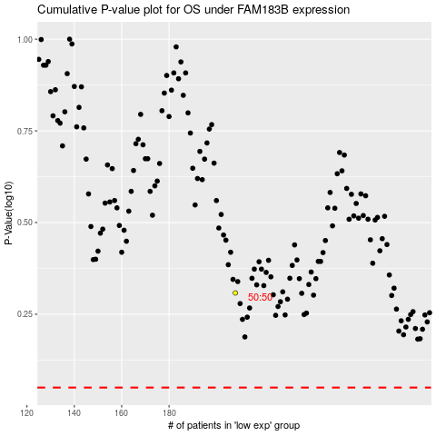

 |  |  |  |  |  | cases_OS | p_OS | rank | exp
 |  |  |  |  |  |  | cases_RFS | p_RFS | rank | exp

