FAM184B _multivariate
Reported by Tex Li-Hsing Chi. tex@gate.sinica.edu.tw 2019-08-20

Table 2. The clinicopathological features of HNSCC cohort and FAM184B expression. (Chi square test)
Cutoff at -0.433 (35.0%)
 |  | FAM184B expression |  | FAM184B expression |  | (Optimised)
 | Features | Low | (%) | High | (%) | Case no | P-value | Remark | Matthews
Gender | Female | 97 | 23.4 | 209 | 50.4 | 415 | 0.0276 | 1 | 0
2 | Male | 48 | 11.6 | 61 | 14.7
Age at diagnosis | <=65y | 90 | 21.7 | 184 | 44.3 | 415 | 0.2551 | 0 | 0
4 | >65y | 55 | 13.3 | 86 | 20.7
Clinical T Status | T1+T2 | 48 | 11.6 | 101 | 24.3 | 415 | 0.4448 | 0 | 0
6 | T3+T4 | 97 | 23.4 | 169 | 40.7
Clinical N Status | N0 | 75 | 18.1 | 141 | 34 | 415 | 1 | 0 | 0
8 | N1-3 | 70 | 16.9 | 129 | 31.1
Clinical M Status | M0 | 143 | 34.5 | 269 | 64.8 | 415 | 0.2804 | 0 | 0
10 | M1 | 2 | 0.5 | 1 | 0.2
Clinical Stage | Stage I+II | 33 | 8 | 69 | 16.6 | 415 | 0.6091 | 0 | 0
12 | Stage III+IV | 112 | 27 | 201 | 48.4
Surgical Margin status | Negative | 107 | 25.8 | 211 | 50.8 | 415 | 0.3321 | 0 | 0
14 | Positive | 38 | 9.2 | 59 | 14.2
Tobacco Exposure | Low | 71 | 17.1 | 90 | 21.7 | 415 | 0.0022 | 1 | 0
16 | High | 74 | 17.8 | 180 | 43.4

Table 3. Univariate/Multivariate Cox's proportional hazards regression analyses on OS time of FAM184B gene expression in HNSCC

 |  | Univariate |  |  |  | Multivariate
 | Features | HR | CI95%(L) | CI95%(H) | P-value | HR | CI95%(L) | CI95%(H) | P-value
1 | Female | 1 |  |  |  | 1
Gender | Male | 1.157 | 0.843 | 1.587 | 0.367 | 1.129 | 0.805 | 1.583 | 0.481
11 | <=65y | 1 |  |  |  | 1
Age at diagnosis | >65y | 1.329 | 0.99 | 1.784 | 0.058 | 1.399 | 1.029 | 1.903 | 0.032
12 | T1+T2 | 1 |  |  |  | 1
Clinical T Status | T3+T4 | 1.409 | 1.028 | 1.931 | 0.033 | 2.221 | 1.176 | 4.196 | 0.014
13 | N0 | 1 |  |  |  | 1
Clinical N Status | N1-3 | 1.185 | 0.89 | 1.577 | 0.246 | 1.264 | 0.886 | 1.804 | 0.196
14 | M0 | 1 |  |  |  | 1
Clinical M Status | M1 | 4.097 | 1.009 | 16.644 | 0.049 | 8.442 | 1.836 | 38.825 | 0.006
15 | Stage I+II | 1 |  |  |  | 1
Clinical Stage | Stage III+IV | 1.245 | 0.882 | 1.759 | 0.213 | 0.509 | 0.237 | 1.094 | 0.084
16 | Negative | 1 |  |  |  | 1
Surgical Margin status | Positive | 1.591 | 1.155 | 2.191 | 0.004 | 1.622 | 1.174 | 2.243 | 0.003
17 | Low | 1 |  |  |  | 1
Tobacco Exposure | High | 1.364 | 1.008 | 1.844 | 0.044 | 1.539 | 1.111 | 2.131 | 0.009
18 | Low | 1 |  |  |  | 1
RNAseq(z-score) | High | 0.735 | 0.548 | 0.986 | 0.04 | 0.707 | 0.519 | 0.963 | 0.028

Table 4. Univariate/Multivariate Cox's proportional hazards regression analyses on RFS time of FAM184B gene expression in HNSCC

 |  | Univariate |  |  |  | Multivariate
 | Features | HR | CI95%(L) | CI95%(H) | P-value | HR | CI95%(L) | CI95%(H) | P-value
1 | Female | 1 |  |  |  | 1
Gender | Male | 1.157 | 0.843 | 1.587 | 0.367 | 1.129 | 0.805 | 1.583 | 0.481
11 | <=65y | 1 |  |  |  | 1
Age at diagnosis | >65y | 1.329 | 0.99 | 1.784 | 0.058 | 1.399 | 1.029 | 1.903 | 0.032
12 | T1+T2 | 1 |  |  |  | 1
Clinical T Status | T3+T4 | 1.409 | 1.028 | 1.931 | 0.033 | 2.221 | 1.176 | 4.196 | 0.014
13 | N0 | 1 |  |  |  | 1
Clinical N Status | N1-3 | 1.185 | 0.89 | 1.577 | 0.246 | 1.264 | 0.886 | 1.804 | 0.196
14 | M0 | 1 |  |  |  | 1
Clinical M Status | M1 | 4.097 | 1.009 | 16.644 | 0.049 | 8.442 | 1.836 | 38.825 | 0.006
15 | Stage I+II | 1 |  |  |  | 1
Clinical Stage | Stage III+IV | 1.245 | 0.882 | 1.759 | 0.213 | 0.509 | 0.237 | 1.094 | 0.084
16 | Negative | 1 |  |  |  | 1
Surgical Margin status | Positive | 1.591 | 1.155 | 2.191 | 0.004 | 1.622 | 1.174 | 2.243 | 0.003
17 | Low | 1 |  |  |  | 1
Tobacco Exposure | High | 1.364 | 1.008 | 1.844 | 0.044 | 1.539 | 1.111 | 2.131 | 0.009
18 | Low | 1 |  |  |  | 1
RNAseq(z-score) | High | 0.735 | 0.548 | 0.986 | 0.04 | 0.707 | 0.519 | 0.963 | 0.028

Kaplan-Meier survival estimate: Cutoff at -0.433 (35.0%)



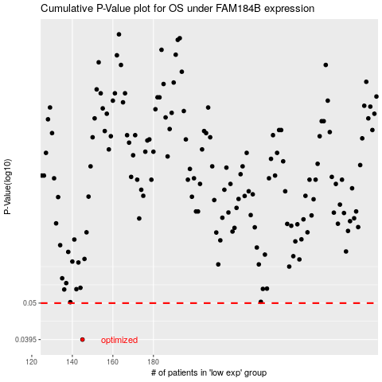

 |  |  |  |  |  | cases_OS | p_OS | rank | exp
 |  |  |  |  |  | 145 | 0.0395 | 219 | -0.43257874815
 |  |  |  |  |  |  | cases_RFS | p_RFS | rank | exp
 |  |  |  |  |  |  | 144 | 0.0395 | 276 | -0.43288644914

