FAM188A _multivariate
Reported by Tex Li-Hsing Chi. tex@gate.sinica.edu.tw 2019-08-20

Table 2. The clinicopathological features of HNSCC cohort and FAM188A expression. (Chi square test)
Cutoff at -0.17 (50.0%)
 |  | FAM188A expression |  | FAM188A expression |  | (Optimised)
 | Features | Low | (%) | High | (%) | Case no | P-value | Remark | Matthews
Gender | Female | 164 | 39.5 | 142 | 34.2 | 415 | 0.0153 | 1 | 0
2 | Male | 43 | 10.4 | 66 | 15.9
Age at diagnosis | <=65y | 141 | 34 | 133 | 32 | 415 | 0.4272 | 0 | 0
4 | >65y | 66 | 15.9 | 75 | 18.1
Clinical T Status | T1+T2 | 73 | 17.6 | 76 | 18.3 | 415 | 0.8666 | 0 | 0
6 | T3+T4 | 134 | 32.3 | 132 | 31.8
Clinical N Status | N0 | 104 | 25.1 | 112 | 27 | 415 | 0.5243 | 0 | 0
8 | N1-3 | 103 | 24.8 | 96 | 23.1
Clinical M Status | M0 | 204 | 49.2 | 208 | 50.1 | 415 | 0.1232 | 0 | 0
10 | M1 | 3 | 0.7 | 0 | 0
Clinical Stage | Stage I+II | 45 | 10.8 | 57 | 13.7 | 415 | 0.2202 | 0 | 0
12 | Stage III+IV | 162 | 39 | 151 | 36.4
Surgical Margin status | Negative | 159 | 38.3 | 159 | 38.3 | 415 | 1 | 0 | 0
14 | Positive | 48 | 11.6 | 49 | 11.8
Tobacco Exposure | Low | 76 | 18.3 | 85 | 20.5 | 415 | 0.4207 | 0 | 0
16 | High | 131 | 31.6 | 123 | 29.6

Table 3. Univariate/Multivariate Cox's proportional hazards regression analyses on OS time of FAM188A gene expression in HNSCC

 |  | Univariate |  |  |  | Multivariate
 | Features | HR | CI95%(L) | CI95%(H) | P-value | HR | CI95%(L) | CI95%(H) | P-value
1 | Female | 1 |  |  |  | 1
Gender | Male | 1.157 | 0.843 | 1.587 | 0.367 | 1.181 | 0.844 | 1.654 | 0.332
11 | <=65y | 1 |  |  |  | 1
Age at diagnosis | >65y | 1.329 | 0.99 | 1.784 | 0.058 | 1.385 | 1.019 | 1.883 | 0.038
12 | T1+T2 | 1 |  |  |  | 1
Clinical T Status | T3+T4 | 1.409 | 1.028 | 1.931 | 0.033 | 2.208 | 1.167 | 4.175 | 0.015
13 | N0 | 1 |  |  |  | 1
Clinical N Status | N1-3 | 1.185 | 0.89 | 1.577 | 0.246 | 1.241 | 0.87 | 1.769 | 0.234
14 | M0 | 1 |  |  |  | 1
Clinical M Status | M1 | 4.097 | 1.009 | 16.644 | 0.049 | 9.959 | 2.158 | 45.966 | 0.003
15 | Stage I+II | 1 |  |  |  | 1
Clinical Stage | Stage III+IV | 1.245 | 0.882 | 1.759 | 0.213 | 0.506 | 0.236 | 1.086 | 0.081
16 | Negative | 1 |  |  |  | 1
Surgical Margin status | Positive | 1.591 | 1.155 | 2.191 | 0.004 | 1.685 | 1.219 | 2.33 | 0.002
17 | Low | 1 |  |  |  | 1
Tobacco Exposure | High | 1.364 | 1.008 | 1.844 | 0.044 | 1.448 | 1.051 | 1.995 | 0.024
18 | Low | 1 |  |  |  | 1
RNAseq(z-score) | High | 1.115 | 0.836 | 1.487 | 0.459 | 1.127 | 0.841 | 1.51 | 0.424

Table 4. Univariate/Multivariate Cox's proportional hazards regression analyses on RFS time of FAM188A gene expression in HNSCC

 |  | Univariate |  |  |  | Multivariate
 | Features | HR | CI95%(L) | CI95%(H) | P-value | HR | CI95%(L) | CI95%(H) | P-value
1 | Female | 1 |  |  |  | 1
Gender | Male | 1.157 | 0.843 | 1.587 | 0.367 | 1.181 | 0.844 | 1.654 | 0.332
11 | <=65y | 1 |  |  |  | 1
Age at diagnosis | >65y | 1.329 | 0.99 | 1.784 | 0.058 | 1.385 | 1.019 | 1.883 | 0.038
12 | T1+T2 | 1 |  |  |  | 1
Clinical T Status | T3+T4 | 1.409 | 1.028 | 1.931 | 0.033 | 2.208 | 1.167 | 4.175 | 0.015
13 | N0 | 1 |  |  |  | 1
Clinical N Status | N1-3 | 1.185 | 0.89 | 1.577 | 0.246 | 1.241 | 0.87 | 1.769 | 0.234
14 | M0 | 1 |  |  |  | 1
Clinical M Status | M1 | 4.097 | 1.009 | 16.644 | 0.049 | 9.959 | 2.158 | 45.966 | 0.003
15 | Stage I+II | 1 |  |  |  | 1
Clinical Stage | Stage III+IV | 1.245 | 0.882 | 1.759 | 0.213 | 0.506 | 0.236 | 1.086 | 0.081
16 | Negative | 1 |  |  |  | 1
Surgical Margin status | Positive | 1.591 | 1.155 | 2.191 | 0.004 | 1.685 | 1.219 | 2.33 | 0.002
17 | Low | 1 |  |  |  | 1
Tobacco Exposure | High | 1.364 | 1.008 | 1.844 | 0.044 | 1.448 | 1.051 | 1.995 | 0.024
18 | Low | 1 |  |  |  | 1
RNAseq(z-score) | High | 1.115 | 0.836 | 1.487 | 0.459 | 1.127 | 0.841 | 1.51 | 0.424

Kaplan-Meier survival estimate: Cutoff at -0.17 (50.0%)



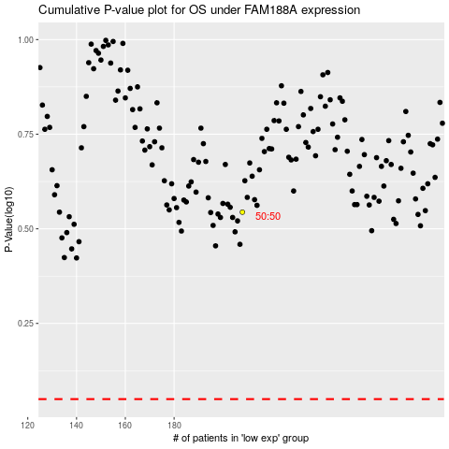

 |  |  |  |  |  | cases_OS | p_OS | rank | exp
 |  |  |  |  |  |  | cases_RFS | p_RFS | rank | exp

