FAM189A2 _multivariate
Reported by Tex Li-Hsing Chi. tex@gate.sinica.edu.tw 2019-08-20

Table 2. The clinicopathological features of HNSCC cohort and FAM189A2 expression. (Chi square test)
Cutoff at -0.273 (62.6%)
 |  | FAM189A2 expression |  | FAM189A2 expression |  | (Optimised)
 | Features | Low | (%) | High | (%) | Case no | P-value | Remark | Matthews
Gender | Female | 194 | 46.7 | 112 | 27 | 415 | 0.5607 | 0 | 0
2 | Male | 65 | 15.7 | 44 | 10.6
Age at diagnosis | <=65y | 167 | 40.2 | 107 | 25.8 | 415 | 0.4536 | 0 | 0
4 | >65y | 92 | 22.2 | 49 | 11.8
Clinical T Status | T1+T2 | 83 | 20 | 66 | 15.9 | 415 | 0.045 | 1 | 0
6 | T3+T4 | 176 | 42.4 | 90 | 21.7
Clinical N Status | N0 | 127 | 30.6 | 89 | 21.4 | 415 | 0.1384 | 0 | 0
8 | N1-3 | 132 | 31.8 | 67 | 16.1
Clinical M Status | M0 | 256 | 61.7 | 156 | 37.6 | 415 | 0.2945 | 0 | 0
10 | M1 | 3 | 0.7 | 0 | 0
Clinical Stage | Stage I+II | 57 | 13.7 | 45 | 10.8 | 415 | 0.1472 | 0 | 0
12 | Stage III+IV | 202 | 48.7 | 111 | 26.7
Surgical Margin status | Negative | 198 | 47.7 | 120 | 28.9 | 415 | 1 | 0 | 0
14 | Positive | 61 | 14.7 | 36 | 8.7
Tobacco Exposure | Low | 93 | 22.4 | 68 | 16.4 | 415 | 0.1453 | 0 | 0
16 | High | 166 | 40 | 88 | 21.2

Table 3. Univariate/Multivariate Cox's proportional hazards regression analyses on OS time of FAM189A2 gene expression in HNSCC

 |  | Univariate |  |  |  | Multivariate
 | Features | HR | CI95%(L) | CI95%(H) | P-value | HR | CI95%(L) | CI95%(H) | P-value
1 | Female | 1 |  |  |  | 1
Gender | Male | 1.157 | 0.843 | 1.587 | 0.367 | 1.213 | 0.868 | 1.696 | 0.259
11 | <=65y | 1 |  |  |  | 1
Age at diagnosis | >65y | 1.329 | 0.99 | 1.784 | 0.058 | 1.371 | 1.008 | 1.863 | 0.044
12 | T1+T2 | 1 |  |  |  | 1
Clinical T Status | T3+T4 | 1.409 | 1.028 | 1.931 | 0.033 | 2.116 | 1.118 | 4.005 | 0.021
13 | N0 | 1 |  |  |  | 1
Clinical N Status | N1-3 | 1.185 | 0.89 | 1.577 | 0.246 | 1.214 | 0.85 | 1.735 | 0.286
14 | M0 | 1 |  |  |  | 1
Clinical M Status | M1 | 4.097 | 1.009 | 16.644 | 0.049 | 8.424 | 1.828 | 38.814 | 0.006
15 | Stage I+II | 1 |  |  |  | 1
Clinical Stage | Stage III+IV | 1.245 | 0.882 | 1.759 | 0.213 | 0.526 | 0.245 | 1.131 | 0.1
16 | Negative | 1 |  |  |  | 1
Surgical Margin status | Positive | 1.591 | 1.155 | 2.191 | 0.004 | 1.68 | 1.216 | 2.322 | 0.002
17 | Low | 1 |  |  |  | 1
Tobacco Exposure | High | 1.364 | 1.008 | 1.844 | 0.044 | 1.467 | 1.063 | 2.025 | 0.02
18 | Low | 1 |  |  |  | 1
RNAseq(z-score) | High | 0.732 | 0.54 | 0.991 | 0.043 | 0.772 | 0.567 | 1.049 | 0.098

Table 4. Univariate/Multivariate Cox's proportional hazards regression analyses on RFS time of FAM189A2 gene expression in HNSCC

 |  | Univariate |  |  |  | Multivariate
 | Features | HR | CI95%(L) | CI95%(H) | P-value | HR | CI95%(L) | CI95%(H) | P-value
1 | Female | 1 |  |  |  | 1
Gender | Male | 1.157 | 0.843 | 1.587 | 0.367 | 1.213 | 0.868 | 1.696 | 0.259
11 | <=65y | 1 |  |  |  | 1
Age at diagnosis | >65y | 1.329 | 0.99 | 1.784 | 0.058 | 1.371 | 1.008 | 1.863 | 0.044
12 | T1+T2 | 1 |  |  |  | 1
Clinical T Status | T3+T4 | 1.409 | 1.028 | 1.931 | 0.033 | 2.116 | 1.118 | 4.005 | 0.021
13 | N0 | 1 |  |  |  | 1
Clinical N Status | N1-3 | 1.185 | 0.89 | 1.577 | 0.246 | 1.214 | 0.85 | 1.735 | 0.286
14 | M0 | 1 |  |  |  | 1
Clinical M Status | M1 | 4.097 | 1.009 | 16.644 | 0.049 | 8.424 | 1.828 | 38.814 | 0.006
15 | Stage I+II | 1 |  |  |  | 1
Clinical Stage | Stage III+IV | 1.245 | 0.882 | 1.759 | 0.213 | 0.526 | 0.245 | 1.131 | 0.1
16 | Negative | 1 |  |  |  | 1
Surgical Margin status | Positive | 1.591 | 1.155 | 2.191 | 0.004 | 1.68 | 1.216 | 2.322 | 0.002
17 | Low | 1 |  |  |  | 1
Tobacco Exposure | High | 1.364 | 1.008 | 1.844 | 0.044 | 1.467 | 1.063 | 2.025 | 0.02
18 | Low | 1 |  |  |  | 1
RNAseq(z-score) | High | 0.732 | 0.54 | 0.991 | 0.043 | 0.772 | 0.567 | 1.049 | 0.098

Kaplan-Meier survival estimate: Cutoff at -0.273 (62.6%)



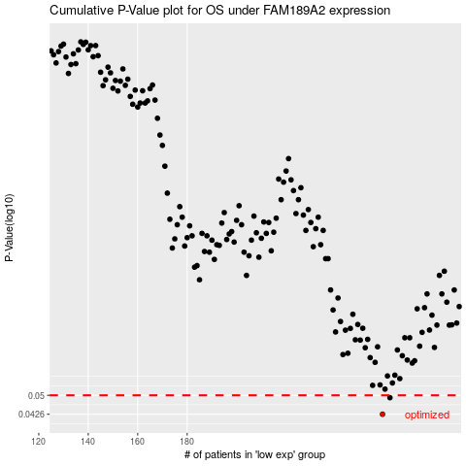

 |  |  |  |  |  | cases_OS | p_OS | rank | exp
 |  |  |  |  |  | 259 | 0.0426 | 60 | -0.2734057388
 |  |  |  |  |  | 262 | 0.049 | 101 | -0.26513880777
 |  |  |  |  |  |  | cases_RFS | p_RFS | rank | exp
 |  |  |  |  |  |  | 258 | 0.0426 | 263 | -0.27402432452
 |  |  |  |  |  |  | 261 | 0.049 | 371 | -0.26720923667

