FAM190B _multivariate
Reported by Tex Li-Hsing Chi. tex@gate.sinica.edu.tw 2019-08-20

Table 2. The clinicopathological features of HNSCC cohort and FAM190B expression. (Chi square test)
Cutoff at 0.327 (69.3%)
 |  | FAM190B expression |  | FAM190B expression |  | (Optimised)
 | Features | Low | (%) | High | (%) | Case no | P-value | Remark | Matthews
Gender | Female | 215 | 51.8 | 91 | 21.9 | 415 | 0.6039 | 0 | 0
2 | Male | 73 | 17.6 | 36 | 8.7
Age at diagnosis | <=65y | 191 | 46 | 83 | 20 | 415 | 0.9372 | 0 | 0
4 | >65y | 97 | 23.4 | 44 | 10.6
Clinical T Status | T1+T2 | 106 | 25.5 | 43 | 10.4 | 415 | 0.6414 | 0 | 0
6 | T3+T4 | 182 | 43.9 | 84 | 20.2
Clinical N Status | N0 | 150 | 36.1 | 66 | 15.9 | 415 | 1 | 0 | 0
8 | N1-3 | 138 | 33.3 | 61 | 14.7
Clinical M Status | M0 | 285 | 68.7 | 127 | 30.6 | 415 | 0.5562 | 0 | 0
10 | M1 | 3 | 0.7 | 0 | 0
Clinical Stage | Stage I+II | 72 | 17.3 | 30 | 7.2 | 415 | 0.8597 | 0 | 0
12 | Stage III+IV | 216 | 52 | 97 | 23.4
Surgical Margin status | Negative | 217 | 52.3 | 101 | 24.3 | 415 | 0.3806 | 0 | 0
14 | Positive | 71 | 17.1 | 26 | 6.3
Tobacco Exposure | Low | 109 | 26.3 | 52 | 12.5 | 415 | 0.5853 | 0 | 0
16 | High | 179 | 43.1 | 75 | 18.1

Table 3. Univariate/Multivariate Cox's proportional hazards regression analyses on OS time of FAM190B gene expression in HNSCC

 |  | Univariate |  |  |  | Multivariate
 | Features | HR | CI95%(L) | CI95%(H) | P-value | HR | CI95%(L) | CI95%(H) | P-value
1 | Female | 1 |  |  |  | 1
Gender | Male | 1.157 | 0.843 | 1.587 | 0.367 | 1.183 | 0.843 | 1.66 | 0.331
11 | <=65y | 1 |  |  |  | 1
Age at diagnosis | >65y | 1.329 | 0.99 | 1.784 | 0.058 | 1.403 | 1.032 | 1.907 | 0.031
12 | T1+T2 | 1 |  |  |  | 1
Clinical T Status | T3+T4 | 1.409 | 1.028 | 1.931 | 0.033 | 2.248 | 1.189 | 4.25 | 0.013
13 | N0 | 1 |  |  |  | 1
Clinical N Status | N1-3 | 1.185 | 0.89 | 1.577 | 0.246 | 1.245 | 0.873 | 1.775 | 0.226
14 | M0 | 1 |  |  |  | 1
Clinical M Status | M1 | 4.097 | 1.009 | 16.644 | 0.049 | 8.564 | 1.865 | 39.335 | 0.006
15 | Stage I+II | 1 |  |  |  | 1
Clinical Stage | Stage III+IV | 1.245 | 0.882 | 1.759 | 0.213 | 0.498 | 0.232 | 1.069 | 0.074
16 | Negative | 1 |  |  |  | 1
Surgical Margin status | Positive | 1.591 | 1.155 | 2.191 | 0.004 | 1.633 | 1.181 | 2.257 | 0.003
17 | Low | 1 |  |  |  | 1
Tobacco Exposure | High | 1.364 | 1.008 | 1.844 | 0.044 | 1.432 | 1.036 | 1.978 | 0.03
18 | Low | 1 |  |  |  | 1
RNAseq(z-score) | High | 0.66 | 0.478 | 0.913 | 0.012 | 0.686 | 0.496 | 0.95 | 0.023

Table 4. Univariate/Multivariate Cox's proportional hazards regression analyses on RFS time of FAM190B gene expression in HNSCC

 |  | Univariate |  |  |  | Multivariate
 | Features | HR | CI95%(L) | CI95%(H) | P-value | HR | CI95%(L) | CI95%(H) | P-value
1 | Female | 1 |  |  |  | 1
Gender | Male | 1.157 | 0.843 | 1.587 | 0.367 | 1.183 | 0.843 | 1.66 | 0.331
11 | <=65y | 1 |  |  |  | 1
Age at diagnosis | >65y | 1.329 | 0.99 | 1.784 | 0.058 | 1.403 | 1.032 | 1.907 | 0.031
12 | T1+T2 | 1 |  |  |  | 1
Clinical T Status | T3+T4 | 1.409 | 1.028 | 1.931 | 0.033 | 2.248 | 1.189 | 4.25 | 0.013
13 | N0 | 1 |  |  |  | 1
Clinical N Status | N1-3 | 1.185 | 0.89 | 1.577 | 0.246 | 1.245 | 0.873 | 1.775 | 0.226
14 | M0 | 1 |  |  |  | 1
Clinical M Status | M1 | 4.097 | 1.009 | 16.644 | 0.049 | 8.564 | 1.865 | 39.335 | 0.006
15 | Stage I+II | 1 |  |  |  | 1
Clinical Stage | Stage III+IV | 1.245 | 0.882 | 1.759 | 0.213 | 0.498 | 0.232 | 1.069 | 0.074
16 | Negative | 1 |  |  |  | 1
Surgical Margin status | Positive | 1.591 | 1.155 | 2.191 | 0.004 | 1.633 | 1.181 | 2.257 | 0.003
17 | Low | 1 |  |  |  | 1
Tobacco Exposure | High | 1.364 | 1.008 | 1.844 | 0.044 | 1.432 | 1.036 | 1.978 | 0.03
18 | Low | 1 |  |  |  | 1
RNAseq(z-score) | High | 0.66 | 0.478 | 0.913 | 0.012 | 0.686 | 0.496 | 0.95 | 0.023

Kaplan-Meier survival estimate: Cutoff at 0.327 (69.3%)

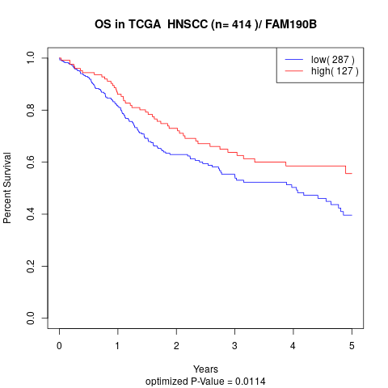

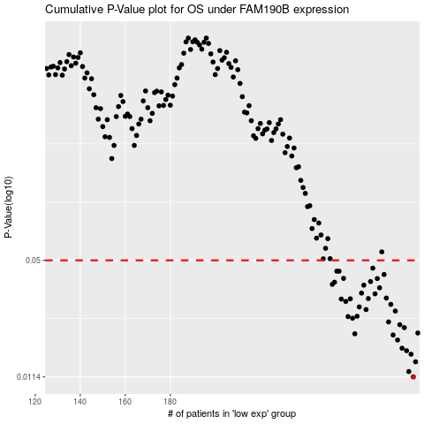

 |  |  |  |  |  | cases_OS | p_OS | rank | exp
 |  |  |  |  |  | 288 | 0.0114 | 334 | 0.327356088
 |  |  |  |  |  | 286 | 0.0122 | 174 | 0.3180812018
 |  |  |  |  |  | 289 | 0.0138 | 35 | 0.33449109908
 |  |  |  |  |  | 287 | 0.0152 | 143 | 0.31984623885
 |  |  |  |  |  | 285 | 0.0159 | 107 | 0.31636223424
 |  |  |  |  |  | 283 | 0.0164 | 73 | 0.29838806862
 |  |  |  |  |  | 281 | 0.0182 | 170 | 0.29391932883
 |  |  |  |  |  | 279 | 0.0194 | 140 | 0.28471171455
 |  |  |  |  |  | 262 | 0.0197 | 42 | 0.17748577952
 |  |  |  |  |  | 290 | 0.0199 | 322 | 0.3489893746
 |  |  |  |  |  | 284 | 0.0213 | 176 | 0.31550759299
 |  |  |  |  |  | 282 | 0.0221 | 117 | 0.29692326849
 |  |  |  |  |  | 277 | 0.0229 | 116 | 0.27364561547
 |  |  |  |  |  | 261 | 0.024 | 323 | 0.17280553893
 |  |  |  |  |  | 259 | 0.0245 | 132 | 0.15797823307
 |  |  |  |  |  | 263 | 0.0246 | 312 | 0.17829696888
 |  |  |  |  |  | 280 | 0.0263 | 78 | 0.28907391867
 |  |  |  |  |  | 267 | 0.0268 | 178 | 0.20158823334
 |  |  |  |  |  | 264 | 0.0277 | 136 | 0.1854487325
 |  |  |  |  |  | 278 | 0.0286 | 274 | 0.27780548033
 |  |  |  |  |  | 258 | 0.0297 | 82 | 0.1537542374
 |  |  |  |  |  | 256 | 0.0306 | 282 | 0.15216667257
 |  |  |  |  |  | 260 | 0.0307 | 206 | 0.15871508303
 |  |  |  |  |  | 268 | 0.0308 | 129 | 0.20405059482
 |  |  |  |  |  | 276 | 0.031 | 58 | 0.26922713329
 |  |  |  |  |  | 271 | 0.0327 | 89 | 0.23819645755
 |  |  |  |  |  | 265 | 0.033 | 147 | 0.19382107566
 |  |  |  |  |  | 273 | 0.0353 | 26 | 0.24571023308
 |  |  |  |  |  | 266 | 0.0365 | 133 | 0.19591435776
 |  |  |  |  |  | 252 | 0.0369 | 25 | 0.14846043506
 |  |  |  |  |  | 253 | 0.0379 | 96 | 0.14857613228
 |  |  |  |  |  | 269 | 0.0382 | 17 | 0.23262466776
 |  |  |  |  |  | 272 | 0.0397 | 211 | 0.24499380027
 |  |  |  |  |  | 257 | 0.0398 | 12 | 0.1527613877
 |  |  |  |  |  | 275 | 0.0418 | 138 | 0.26025798094
 |  |  |  |  |  | 254 | 0.0436 | 333 | 0.14932031148
 |  |  |  |  |  | 255 | 0.0436 | 370 | 0.15105786389
 |  |  |  |  |  | 270 | 0.0453 | 214 | 0.23591863576
 |  |  |  |  |  |  | cases_RFS | p_RFS | rank | exp
 |  |  |  |  |  |  | 287 | 0.0114 | 143 | 0.31984623885
 |  |  |  |  |  |  | 285 | 0.0122 | 107 | 0.31636223424
 |  |  |  |  |  |  | 288 | 0.0138 | 334 | 0.327356088
 |  |  |  |  |  |  | 286 | 0.0152 | 174 | 0.3180812018
 |  |  |  |  |  |  | 284 | 0.0159 | 176 | 0.31550759299
 |  |  |  |  |  |  | 282 | 0.0164 | 117 | 0.29692326849
 |  |  |  |  |  |  | 280 | 0.0182 | 78 | 0.28907391867
 |  |  |  |  |  |  | 278 | 0.0194 | 274 | 0.27780548033
 |  |  |  |  |  |  | 261 | 0.0197 | 323 | 0.17280553893
 |  |  |  |  |  |  | 289 | 0.0199 | 35 | 0.33449109908
 |  |  |  |  |  |  | 283 | 0.0213 | 73 | 0.29838806862
 |  |  |  |  |  |  | 281 | 0.0221 | 170 | 0.29391932883
 |  |  |  |  |  |  | 276 | 0.0229 | 58 | 0.26922713329
 |  |  |  |  |  |  | 260 | 0.024 | 206 | 0.15871508303
 |  |  |  |  |  |  | 258 | 0.0245 | 82 | 0.1537542374
 |  |  |  |  |  |  | 262 | 0.0246 | 42 | 0.17748577952
 |  |  |  |  |  |  | 279 | 0.0263 | 140 | 0.28471171455
 |  |  |  |  |  |  | 266 | 0.0268 | 133 | 0.19591435776
 |  |  |  |  |  |  | 263 | 0.0277 | 312 | 0.17829696888
 |  |  |  |  |  |  | 277 | 0.0286 | 116 | 0.27364561547
 |  |  |  |  |  |  | 257 | 0.0297 | 12 | 0.1527613877
 |  |  |  |  |  |  | 255 | 0.0306 | 370 | 0.15105786389
 |  |  |  |  |  |  | 259 | 0.0307 | 132 | 0.15797823307
 |  |  |  |  |  |  | 267 | 0.0308 | 178 | 0.20158823334
 |  |  |  |  |  |  | 275 | 0.031 | 138 | 0.26025798094
 |  |  |  |  |  |  | 270 | 0.0327 | 214 | 0.23591863576
 |  |  |  |  |  |  | 264 | 0.033 | 136 | 0.1854487325
 |  |  |  |  |  |  | 272 | 0.0353 | 211 | 0.24499380027
 |  |  |  |  |  |  | 265 | 0.0365 | 147 | 0.19382107566
 |  |  |  |  |  |  | 251 | 0.0369 | 210 | 0.14009856224
 |  |  |  |  |  |  | 252 | 0.0379 | 25 | 0.14846043506
 |  |  |  |  |  |  | 268 | 0.0382 | 129 | 0.20405059482
 |  |  |  |  |  |  | 271 | 0.0397 | 89 | 0.23819645755
 |  |  |  |  |  |  | 256 | 0.0398 | 282 | 0.15216667257
 |  |  |  |  |  |  | 274 | 0.0418 | 62 | 0.24970806947
 |  |  |  |  |  |  | 253 | 0.0436 | 96 | 0.14857613228
 |  |  |  |  |  |  | 254 | 0.0436 | 333 | 0.14932031148
 |  |  |  |  |  |  | 269 | 0.0453 | 17 | 0.23262466776

