FAM192A _multivariate
Reported by Tex Li-Hsing Chi. tex@gate.sinica.edu.tw 2019-08-20

Table 2. The clinicopathological features of HNSCC cohort and FAM192A expression. (Chi square test)
Cutoff at -0.156 (49.8%)
 |  | FAM192A expression |  | FAM192A expression |  | (Optimised)
 | Features | Low | (%) | High | (%) | Case no | P-value | Remark | Matthews
Gender | Female | 144 | 34.7 | 162 | 39 | 415 | 0.0697 | 0 | 0
2 | Male | 63 | 15.2 | 46 | 11.1
Age at diagnosis | <=65y | 137 | 33 | 137 | 33 | 415 | 1 | 0 | 0
4 | >65y | 70 | 16.9 | 71 | 17.1
Clinical T Status | T1+T2 | 73 | 17.6 | 76 | 18.3 | 415 | 0.8666 | 0 | 0
6 | T3+T4 | 134 | 32.3 | 132 | 31.8
Clinical N Status | N0 | 104 | 25.1 | 112 | 27 | 415 | 0.5243 | 0 | 0
8 | N1-3 | 103 | 24.8 | 96 | 23.1
Clinical M Status | M0 | 207 | 49.9 | 205 | 49.4 | 415 | 0.2482 | 0 | 0
10 | M1 | 0 | 0 | 3 | 0.7
Clinical Stage | Stage I+II | 48 | 11.6 | 54 | 13 | 415 | 0.5878 | 0 | 0
12 | Stage III+IV | 159 | 38.3 | 154 | 37.1
Surgical Margin status | Negative | 157 | 37.8 | 161 | 38.8 | 415 | 0.729 | 0 | 0
14 | Positive | 50 | 12 | 47 | 11.3
Tobacco Exposure | Low | 83 | 20 | 78 | 18.8 | 415 | 0.6152 | 0 | 0
16 | High | 124 | 29.9 | 130 | 31.3

Table 3. Univariate/Multivariate Cox's proportional hazards regression analyses on OS time of FAM192A gene expression in HNSCC

 |  | Univariate |  |  |  | Multivariate
 | Features | HR | CI95%(L) | CI95%(H) | P-value | HR | CI95%(L) | CI95%(H) | P-value
1 | Female | 1 |  |  |  | 1
Gender | Male | 1.157 | 0.843 | 1.587 | 0.367 | 1.204 | 0.862 | 1.683 | 0.276
11 | <=65y | 1 |  |  |  | 1
Age at diagnosis | >65y | 1.329 | 0.99 | 1.784 | 0.058 | 1.392 | 1.024 | 1.892 | 0.035
12 | T1+T2 | 1 |  |  |  | 1
Clinical T Status | T3+T4 | 1.409 | 1.028 | 1.931 | 0.033 | 2.195 | 1.16 | 4.154 | 0.016
13 | N0 | 1 |  |  |  | 1
Clinical N Status | N1-3 | 1.185 | 0.89 | 1.577 | 0.246 | 1.242 | 0.87 | 1.772 | 0.232
14 | M0 | 1 |  |  |  | 1
Clinical M Status | M1 | 4.097 | 1.009 | 16.644 | 0.049 | 9.208 | 1.99 | 42.617 | 0.005
15 | Stage I+II | 1 |  |  |  | 1
Clinical Stage | Stage III+IV | 1.245 | 0.882 | 1.759 | 0.213 | 0.508 | 0.236 | 1.093 | 0.083
16 | Negative | 1 |  |  |  | 1
Surgical Margin status | Positive | 1.591 | 1.155 | 2.191 | 0.004 | 1.669 | 1.208 | 2.307 | 0.002
17 | Low | 1 |  |  |  | 1
Tobacco Exposure | High | 1.364 | 1.008 | 1.844 | 0.044 | 1.449 | 1.051 | 1.998 | 0.024
18 | Low | 1 |  |  |  | 1
RNAseq(z-score) | High | 1.063 | 0.798 | 1.416 | 0.678 | 1.037 | 0.774 | 1.388 | 0.809

Table 4. Univariate/Multivariate Cox's proportional hazards regression analyses on RFS time of FAM192A gene expression in HNSCC

 |  | Univariate |  |  |  | Multivariate
 | Features | HR | CI95%(L) | CI95%(H) | P-value | HR | CI95%(L) | CI95%(H) | P-value
1 | Female | 1 |  |  |  | 1
Gender | Male | 1.157 | 0.843 | 1.587 | 0.367 | 1.204 | 0.862 | 1.683 | 0.276
11 | <=65y | 1 |  |  |  | 1
Age at diagnosis | >65y | 1.329 | 0.99 | 1.784 | 0.058 | 1.392 | 1.024 | 1.892 | 0.035
12 | T1+T2 | 1 |  |  |  | 1
Clinical T Status | T3+T4 | 1.409 | 1.028 | 1.931 | 0.033 | 2.195 | 1.16 | 4.154 | 0.016
13 | N0 | 1 |  |  |  | 1
Clinical N Status | N1-3 | 1.185 | 0.89 | 1.577 | 0.246 | 1.242 | 0.87 | 1.772 | 0.232
14 | M0 | 1 |  |  |  | 1
Clinical M Status | M1 | 4.097 | 1.009 | 16.644 | 0.049 | 9.208 | 1.99 | 42.617 | 0.005
15 | Stage I+II | 1 |  |  |  | 1
Clinical Stage | Stage III+IV | 1.245 | 0.882 | 1.759 | 0.213 | 0.508 | 0.236 | 1.093 | 0.083
16 | Negative | 1 |  |  |  | 1
Surgical Margin status | Positive | 1.591 | 1.155 | 2.191 | 0.004 | 1.669 | 1.208 | 2.307 | 0.002
17 | Low | 1 |  |  |  | 1
Tobacco Exposure | High | 1.364 | 1.008 | 1.844 | 0.044 | 1.449 | 1.051 | 1.998 | 0.024
18 | Low | 1 |  |  |  | 1
RNAseq(z-score) | High | 1.063 | 0.798 | 1.416 | 0.678 | 1.037 | 0.774 | 1.388 | 0.809

Kaplan-Meier survival estimate: Cutoff at -0.156 (49.8%)



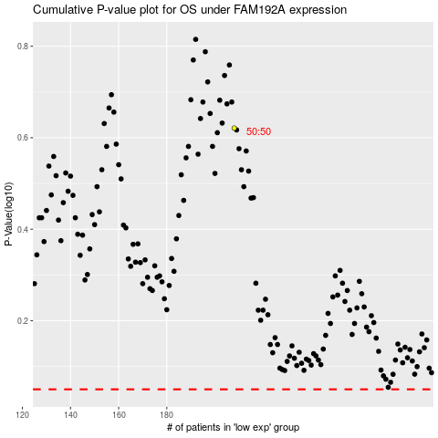

 |  |  |  |  |  | cases_OS | p_OS | rank | exp
 |  |  |  |  |  |  | cases_RFS | p_RFS | rank | exp

