FAM195A _multivariate
Reported by Tex Li-Hsing Chi. tex@gate.sinica.edu.tw 2019-08-20

Table 2. The clinicopathological features of HNSCC cohort and FAM195A expression. (Chi square test)
Cutoff at -0.27 (49.8%)
 |  | FAM195A expression |  | FAM195A expression |  | (Optimised)
 | Features | Low | (%) | High | (%) | Case no | P-value | Remark | Matthews
Gender | Female | 143 | 34.5 | 163 | 39.3 | 415 | 0.0416 | 1 | 0
2 | Male | 64 | 15.4 | 45 | 10.8
Age at diagnosis | <=65y | 136 | 32.8 | 138 | 33.3 | 415 | 0.9719 | 0 | 0
4 | >65y | 71 | 17.1 | 70 | 16.9
Clinical T Status | T1+T2 | 83 | 20 | 66 | 15.9 | 415 | 0.0941 | 0 | 0
6 | T3+T4 | 124 | 29.9 | 142 | 34.2
Clinical N Status | N0 | 114 | 27.5 | 102 | 24.6 | 415 | 0.2576 | 1 | 0
8 | N1-3 | 93 | 22.4 | 106 | 25.5
Clinical M Status | M0 | 206 | 49.6 | 206 | 49.6 | 415 | 1 | 0 | 0
10 | M1 | 1 | 0.2 | 2 | 0.5
Clinical Stage | Stage I+II | 64 | 15.4 | 38 | 9.2 | 415 | 0.004 | 1 | 0
12 | Stage III+IV | 143 | 34.5 | 170 | 41
Surgical Margin status | Negative | 162 | 39 | 156 | 37.6 | 415 | 0.4867 | 0 | 0
14 | Positive | 45 | 10.8 | 52 | 12.5
Tobacco Exposure | Low | 95 | 22.9 | 66 | 15.9 | 415 | 0.0035 | 1 | 0
16 | High | 112 | 27 | 142 | 34.2

Table 3. Univariate/Multivariate Cox's proportional hazards regression analyses on OS time of FAM195A gene expression in HNSCC

 |  | Univariate |  |  |  | Multivariate
 | Features | HR | CI95%(L) | CI95%(H) | P-value | HR | CI95%(L) | CI95%(H) | P-value
1 | Female | 1 |  |  |  | 1
Gender | Male | 1.157 | 0.843 | 1.587 | 0.367 | 1.185 | 0.848 | 1.656 | 0.32
11 | <=65y | 1 |  |  |  | 1
Age at diagnosis | >65y | 1.329 | 0.99 | 1.784 | 0.058 | 1.396 | 1.027 | 1.897 | 0.033
12 | T1+T2 | 1 |  |  |  | 1
Clinical T Status | T3+T4 | 1.409 | 1.028 | 1.931 | 0.033 | 2.191 | 1.158 | 4.145 | 0.016
13 | N0 | 1 |  |  |  | 1
Clinical N Status | N1-3 | 1.185 | 0.89 | 1.577 | 0.246 | 1.241 | 0.87 | 1.77 | 0.233
14 | M0 | 1 |  |  |  | 1
Clinical M Status | M1 | 4.097 | 1.009 | 16.644 | 0.049 | 9.444 | 2.06 | 43.293 | 0.004
15 | Stage I+II | 1 |  |  |  | 1
Clinical Stage | Stage III+IV | 1.245 | 0.882 | 1.759 | 0.213 | 0.525 | 0.244 | 1.13 | 0.1
16 | Negative | 1 |  |  |  | 1
Surgical Margin status | Positive | 1.591 | 1.155 | 2.191 | 0.004 | 1.685 | 1.22 | 2.329 | 0.002
17 | Low | 1 |  |  |  | 1
Tobacco Exposure | High | 1.364 | 1.008 | 1.844 | 0.044 | 1.481 | 1.073 | 2.043 | 0.017
18 | Low | 1 |  |  |  | 1
RNAseq(z-score) | High | 0.91 | 0.683 | 1.213 | 0.52 | 0.84 | 0.625 | 1.129 | 0.248

Table 4. Univariate/Multivariate Cox's proportional hazards regression analyses on RFS time of FAM195A gene expression in HNSCC

 |  | Univariate |  |  |  | Multivariate
 | Features | HR | CI95%(L) | CI95%(H) | P-value | HR | CI95%(L) | CI95%(H) | P-value
1 | Female | 1 |  |  |  | 1
Gender | Male | 1.157 | 0.843 | 1.587 | 0.367 | 1.185 | 0.848 | 1.656 | 0.32
11 | <=65y | 1 |  |  |  | 1
Age at diagnosis | >65y | 1.329 | 0.99 | 1.784 | 0.058 | 1.396 | 1.027 | 1.897 | 0.033
12 | T1+T2 | 1 |  |  |  | 1
Clinical T Status | T3+T4 | 1.409 | 1.028 | 1.931 | 0.033 | 2.191 | 1.158 | 4.145 | 0.016
13 | N0 | 1 |  |  |  | 1
Clinical N Status | N1-3 | 1.185 | 0.89 | 1.577 | 0.246 | 1.241 | 0.87 | 1.77 | 0.233
14 | M0 | 1 |  |  |  | 1
Clinical M Status | M1 | 4.097 | 1.009 | 16.644 | 0.049 | 9.444 | 2.06 | 43.293 | 0.004
15 | Stage I+II | 1 |  |  |  | 1
Clinical Stage | Stage III+IV | 1.245 | 0.882 | 1.759 | 0.213 | 0.525 | 0.244 | 1.13 | 0.1
16 | Negative | 1 |  |  |  | 1
Surgical Margin status | Positive | 1.591 | 1.155 | 2.191 | 0.004 | 1.685 | 1.22 | 2.329 | 0.002
17 | Low | 1 |  |  |  | 1
Tobacco Exposure | High | 1.364 | 1.008 | 1.844 | 0.044 | 1.481 | 1.073 | 2.043 | 0.017
18 | Low | 1 |  |  |  | 1
RNAseq(z-score) | High | 0.91 | 0.683 | 1.213 | 0.52 | 0.84 | 0.625 | 1.129 | 0.248

Kaplan-Meier survival estimate: Cutoff at -0.27 (49.8%)



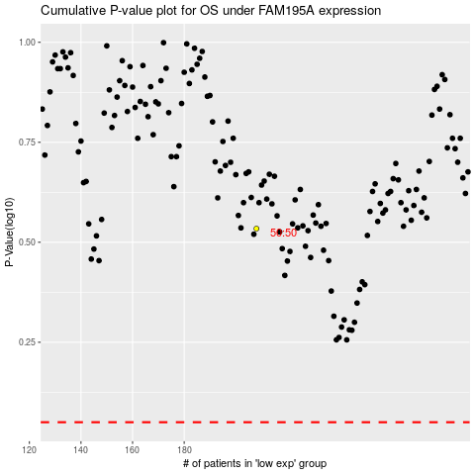

 |  |  |  |  |  | cases_OS | p_OS | rank | exp
 |  |  |  |  |  |  | cases_RFS | p_RFS | rank | exp

