FAM195B _multivariate
Reported by Tex Li-Hsing Chi. tex@gate.sinica.edu.tw 2019-08-20

Table 2. The clinicopathological features of HNSCC cohort and FAM195B expression. (Chi square test)
Cutoff at -0.229 (50.0%)
 |  | FAM195B expression |  | FAM195B expression |  | (Optimised)
 | Features | Low | (%) | High | (%) | Case no | P-value | Remark | Matthews
Gender | Female | 154 | 37.1 | 152 | 36.6 | 415 | 0.8463 | 0 | 0
2 | Male | 53 | 12.8 | 56 | 13.5
Age at diagnosis | <=65y | 128 | 30.8 | 146 | 35.2 | 415 | 0.0904 | 0 | 0
4 | >65y | 79 | 19 | 62 | 14.9
Clinical T Status | T1+T2 | 76 | 18.3 | 73 | 17.6 | 415 | 0.8092 | 0 | 0
6 | T3+T4 | 131 | 31.6 | 135 | 32.5
Clinical N Status | N0 | 123 | 29.6 | 93 | 22.4 | 415 | 0.0037 | 1 | 0
8 | N1-3 | 84 | 20.2 | 115 | 27.7
Clinical M Status | M0 | 206 | 49.6 | 206 | 49.6 | 415 | 1 | 0 | 0
10 | M1 | 1 | 0.2 | 2 | 0.5
Clinical Stage | Stage I+II | 52 | 12.5 | 50 | 12 | 415 | 0.8871 | 0 | 0
12 | Stage III+IV | 155 | 37.3 | 158 | 38.1
Surgical Margin status | Negative | 161 | 38.8 | 157 | 37.8 | 415 | 0.6429 | 0 | 0
14 | Positive | 46 | 11.1 | 51 | 12.3
Tobacco Exposure | Low | 80 | 19.3 | 81 | 19.5 | 415 | 1 | 0 | 0
16 | High | 127 | 30.6 | 127 | 30.6

Table 3. Univariate/Multivariate Cox's proportional hazards regression analyses on OS time of FAM195B gene expression in HNSCC

 |  | Univariate |  |  |  | Multivariate
 | Features | HR | CI95%(L) | CI95%(H) | P-value | HR | CI95%(L) | CI95%(H) | P-value
1 | Female | 1 |  |  |  | 1
Gender | Male | 1.157 | 0.843 | 1.587 | 0.367 | 1.197 | 0.857 | 1.673 | 0.292
11 | <=65y | 1 |  |  |  | 1
Age at diagnosis | >65y | 1.329 | 0.99 | 1.784 | 0.058 | 1.41 | 1.035 | 1.921 | 0.03
12 | T1+T2 | 1 |  |  |  | 1
Clinical T Status | T3+T4 | 1.409 | 1.028 | 1.931 | 0.033 | 2.171 | 1.147 | 4.111 | 0.017
13 | N0 | 1 |  |  |  | 1
Clinical N Status | N1-3 | 1.185 | 0.89 | 1.577 | 0.246 | 1.215 | 0.847 | 1.742 | 0.291
14 | M0 | 1 |  |  |  | 1
Clinical M Status | M1 | 4.097 | 1.009 | 16.644 | 0.049 | 9.074 | 1.972 | 41.746 | 0.005
15 | Stage I+II | 1 |  |  |  | 1
Clinical Stage | Stage III+IV | 1.245 | 0.882 | 1.759 | 0.213 | 0.521 | 0.241 | 1.123 | 0.096
16 | Negative | 1 |  |  |  | 1
Surgical Margin status | Positive | 1.591 | 1.155 | 2.191 | 0.004 | 1.665 | 1.204 | 2.3 | 0.002
17 | Low | 1 |  |  |  | 1
Tobacco Exposure | High | 1.364 | 1.008 | 1.844 | 0.044 | 1.454 | 1.055 | 2.004 | 0.022
18 | Low | 1 |  |  |  | 1
RNAseq(z-score) | High | 1.133 | 0.849 | 1.512 | 0.397 | 1.109 | 0.824 | 1.494 | 0.495

Table 4. Univariate/Multivariate Cox's proportional hazards regression analyses on RFS time of FAM195B gene expression in HNSCC

 |  | Univariate |  |  |  | Multivariate
 | Features | HR | CI95%(L) | CI95%(H) | P-value | HR | CI95%(L) | CI95%(H) | P-value
1 | Female | 1 |  |  |  | 1
Gender | Male | 1.157 | 0.843 | 1.587 | 0.367 | 1.197 | 0.857 | 1.673 | 0.292
11 | <=65y | 1 |  |  |  | 1
Age at diagnosis | >65y | 1.329 | 0.99 | 1.784 | 0.058 | 1.41 | 1.035 | 1.921 | 0.03
12 | T1+T2 | 1 |  |  |  | 1
Clinical T Status | T3+T4 | 1.409 | 1.028 | 1.931 | 0.033 | 2.171 | 1.147 | 4.111 | 0.017
13 | N0 | 1 |  |  |  | 1
Clinical N Status | N1-3 | 1.185 | 0.89 | 1.577 | 0.246 | 1.215 | 0.847 | 1.742 | 0.291
14 | M0 | 1 |  |  |  | 1
Clinical M Status | M1 | 4.097 | 1.009 | 16.644 | 0.049 | 9.074 | 1.972 | 41.746 | 0.005
15 | Stage I+II | 1 |  |  |  | 1
Clinical Stage | Stage III+IV | 1.245 | 0.882 | 1.759 | 0.213 | 0.521 | 0.241 | 1.123 | 0.096
16 | Negative | 1 |  |  |  | 1
Surgical Margin status | Positive | 1.591 | 1.155 | 2.191 | 0.004 | 1.665 | 1.204 | 2.3 | 0.002
17 | Low | 1 |  |  |  | 1
Tobacco Exposure | High | 1.364 | 1.008 | 1.844 | 0.044 | 1.454 | 1.055 | 2.004 | 0.022
18 | Low | 1 |  |  |  | 1
RNAseq(z-score) | High | 1.133 | 0.849 | 1.512 | 0.397 | 1.109 | 0.824 | 1.494 | 0.495

Kaplan-Meier survival estimate: Cutoff at -0.229 (50.0%)

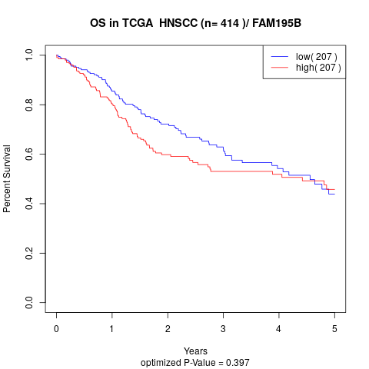

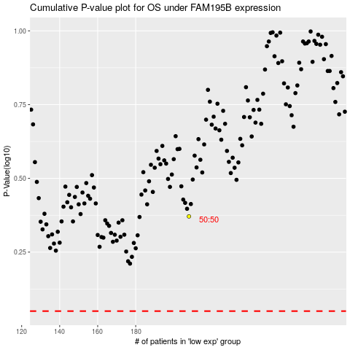

 |  |  |  |  |  | cases_OS | p_OS | rank | exp
 |  |  |  |  |  |  | cases_RFS | p_RFS | rank | exp

