FAM19A2 _multivariate
Reported by Tex Li-Hsing Chi. tex@gate.sinica.edu.tw 2019-08-20

Table 2. The clinicopathological features of HNSCC cohort and FAM19A2 expression. (Chi square test)
Cutoff at -0.264 (49.8%)
 |  | FAM19A2 expression |  | FAM19A2 expression |  | (Optimised)
 | Features | Low | (%) | High | (%) | Case no | P-value | Remark | Matthews
Gender | Female | 158 | 38.1 | 148 | 35.7 | 415 | 0.2774 | 0 | 0
2 | Male | 49 | 11.8 | 60 | 14.5
Age at diagnosis | <=65y | 153 | 36.9 | 121 | 29.2 | 415 | 0.001 | 1 | 0
4 | >65y | 54 | 13 | 87 | 21
Clinical T Status | T1+T2 | 70 | 16.9 | 79 | 19 | 415 | 0.4343 | 0 | 0
6 | T3+T4 | 137 | 33 | 129 | 31.1
Clinical N Status | N0 | 99 | 23.9 | 117 | 28.2 | 415 | 0.1054 | 0 | 0
8 | N1-3 | 108 | 26 | 91 | 21.9
Clinical M Status | M0 | 205 | 49.4 | 207 | 49.9 | 415 | 0.6232 | 0 | 0
10 | M1 | 2 | 0.5 | 1 | 0.2
Clinical Stage | Stage I+II | 44 | 10.6 | 58 | 14 | 415 | 0.1459 | 0 | 0
12 | Stage III+IV | 163 | 39.3 | 150 | 36.1
Surgical Margin status | Negative | 155 | 37.3 | 163 | 39.3 | 415 | 0.4187 | 0 | 0
14 | Positive | 52 | 12.5 | 45 | 10.8
Tobacco Exposure | Low | 72 | 17.3 | 89 | 21.4 | 415 | 0.1071 | 0 | 0
16 | High | 135 | 32.5 | 119 | 28.7

Table 3. Univariate/Multivariate Cox's proportional hazards regression analyses on OS time of FAM19A2 gene expression in HNSCC

 |  | Univariate |  |  |  | Multivariate
 | Features | HR | CI95%(L) | CI95%(H) | P-value | HR | CI95%(L) | CI95%(H) | P-value
1 | Female | 1 |  |  |  | 1
Gender | Male | 1.157 | 0.843 | 1.587 | 0.367 | 1.2 | 0.859 | 1.676 | 0.286
11 | <=65y | 1 |  |  |  | 1
Age at diagnosis | >65y | 1.329 | 0.99 | 1.784 | 0.058 | 1.384 | 1.015 | 1.888 | 0.04
12 | T1+T2 | 1 |  |  |  | 1
Clinical T Status | T3+T4 | 1.409 | 1.028 | 1.931 | 0.033 | 2.209 | 1.168 | 4.178 | 0.015
13 | N0 | 1 |  |  |  | 1
Clinical N Status | N1-3 | 1.185 | 0.89 | 1.577 | 0.246 | 1.245 | 0.872 | 1.778 | 0.228
14 | M0 | 1 |  |  |  | 1
Clinical M Status | M1 | 4.097 | 1.009 | 16.644 | 0.049 | 9.438 | 2.058 | 43.274 | 0.004
15 | Stage I+II | 1 |  |  |  | 1
Clinical Stage | Stage III+IV | 1.245 | 0.882 | 1.759 | 0.213 | 0.505 | 0.235 | 1.084 | 0.08
16 | Negative | 1 |  |  |  | 1
Surgical Margin status | Positive | 1.591 | 1.155 | 2.191 | 0.004 | 1.669 | 1.207 | 2.306 | 0.002
17 | Low | 1 |  |  |  | 1
Tobacco Exposure | High | 1.364 | 1.008 | 1.844 | 0.044 | 1.454 | 1.055 | 2.003 | 0.022
18 | Low | 1 |  |  |  | 1
RNAseq(z-score) | High | 1.038 | 0.779 | 1.383 | 0.797 | 1.036 | 0.77 | 1.393 | 0.816

Table 4. Univariate/Multivariate Cox's proportional hazards regression analyses on RFS time of FAM19A2 gene expression in HNSCC

 |  | Univariate |  |  |  | Multivariate
 | Features | HR | CI95%(L) | CI95%(H) | P-value | HR | CI95%(L) | CI95%(H) | P-value
1 | Female | 1 |  |  |  | 1
Gender | Male | 1.157 | 0.843 | 1.587 | 0.367 | 1.2 | 0.859 | 1.676 | 0.286
11 | <=65y | 1 |  |  |  | 1
Age at diagnosis | >65y | 1.329 | 0.99 | 1.784 | 0.058 | 1.384 | 1.015 | 1.888 | 0.04
12 | T1+T2 | 1 |  |  |  | 1
Clinical T Status | T3+T4 | 1.409 | 1.028 | 1.931 | 0.033 | 2.209 | 1.168 | 4.178 | 0.015
13 | N0 | 1 |  |  |  | 1
Clinical N Status | N1-3 | 1.185 | 0.89 | 1.577 | 0.246 | 1.245 | 0.872 | 1.778 | 0.228
14 | M0 | 1 |  |  |  | 1
Clinical M Status | M1 | 4.097 | 1.009 | 16.644 | 0.049 | 9.438 | 2.058 | 43.274 | 0.004
15 | Stage I+II | 1 |  |  |  | 1
Clinical Stage | Stage III+IV | 1.245 | 0.882 | 1.759 | 0.213 | 0.505 | 0.235 | 1.084 | 0.08
16 | Negative | 1 |  |  |  | 1
Surgical Margin status | Positive | 1.591 | 1.155 | 2.191 | 0.004 | 1.669 | 1.207 | 2.306 | 0.002
17 | Low | 1 |  |  |  | 1
Tobacco Exposure | High | 1.364 | 1.008 | 1.844 | 0.044 | 1.454 | 1.055 | 2.003 | 0.022
18 | Low | 1 |  |  |  | 1
RNAseq(z-score) | High | 1.038 | 0.779 | 1.383 | 0.797 | 1.036 | 0.77 | 1.393 | 0.816

Kaplan-Meier survival estimate: Cutoff at -0.264 (49.8%)



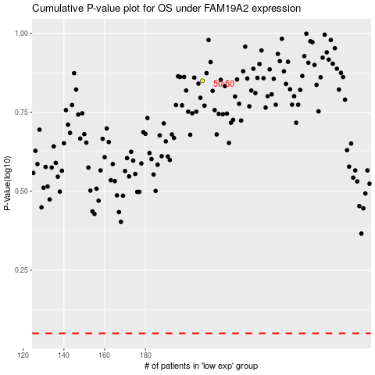

 |  |  |  |  |  | cases_OS | p_OS | rank | exp
 |  |  |  |  |  |  | cases_RFS | p_RFS | rank | exp

