FAM200B _multivariate
Reported by Tex Li-Hsing Chi. tex@gate.sinica.edu.tw 2019-08-20

Table 2. The clinicopathological features of HNSCC cohort and FAM200B expression. (Chi square test)
Cutoff at -0.453 (39.6%)
 |  | FAM200B expression |  | FAM200B expression |  | (Optimised)
 | Features | Low | (%) | High | (%) | Case no | P-value | Remark | Matthews
Gender | Female | 112 | 27 | 194 | 46.7 | 415 | 0.0546 | 0 | 0
2 | Male | 52 | 12.5 | 57 | 13.7
Age at diagnosis | <=65y | 99 | 23.9 | 175 | 42.2 | 415 | 0.0627 | 0 | 0
4 | >65y | 65 | 15.7 | 76 | 18.3
Clinical T Status | T1+T2 | 53 | 12.8 | 96 | 23.1 | 415 | 0.26 | 0 | 0
6 | T3+T4 | 111 | 26.7 | 155 | 37.3
Clinical N Status | N0 | 92 | 22.2 | 124 | 29.9 | 415 | 0.2171 | 0 | 0
8 | N1-3 | 72 | 17.3 | 127 | 30.6
Clinical M Status | M0 | 163 | 39.3 | 249 | 60 | 415 | 1 | 0 | 0
10 | M1 | 1 | 0.2 | 2 | 0.5
Clinical Stage | Stage I+II | 39 | 9.4 | 63 | 15.2 | 415 | 0.8505 | 0 | 0
12 | Stage III+IV | 125 | 30.1 | 188 | 45.3
Surgical Margin status | Negative | 131 | 31.6 | 187 | 45.1 | 415 | 0.2359 | 0 | 0
14 | Positive | 33 | 8 | 64 | 15.4
Tobacco Exposure | Low | 65 | 15.7 | 96 | 23.1 | 415 | 0.8368 | 0 | 0
16 | High | 99 | 23.9 | 155 | 37.3

Table 3. Univariate/Multivariate Cox's proportional hazards regression analyses on OS time of FAM200B gene expression in HNSCC

 |  | Univariate |  |  |  | Multivariate
 | Features | HR | CI95%(L) | CI95%(H) | P-value | HR | CI95%(L) | CI95%(H) | P-value
1 | Female | 1 |  |  |  | 1
Gender | Male | 1.157 | 0.843 | 1.587 | 0.367 | 1.173 | 0.839 | 1.642 | 0.351
11 | <=65y | 1 |  |  |  | 1
Age at diagnosis | >65y | 1.329 | 0.99 | 1.784 | 0.058 | 1.366 | 1.003 | 1.859 | 0.047
12 | T1+T2 | 1 |  |  |  | 1
Clinical T Status | T3+T4 | 1.409 | 1.028 | 1.931 | 0.033 | 2.197 | 1.162 | 4.155 | 0.015
13 | N0 | 1 |  |  |  | 1
Clinical N Status | N1-3 | 1.185 | 0.89 | 1.577 | 0.246 | 1.295 | 0.905 | 1.853 | 0.157
14 | M0 | 1 |  |  |  | 1
Clinical M Status | M1 | 4.097 | 1.009 | 16.644 | 0.049 | 9.822 | 2.14 | 45.078 | 0.003
15 | Stage I+II | 1 |  |  |  | 1
Clinical Stage | Stage III+IV | 1.245 | 0.882 | 1.759 | 0.213 | 0.494 | 0.23 | 1.062 | 0.071
16 | Negative | 1 |  |  |  | 1
Surgical Margin status | Positive | 1.591 | 1.155 | 2.191 | 0.004 | 1.728 | 1.249 | 2.39 | 0.001
17 | Low | 1 |  |  |  | 1
Tobacco Exposure | High | 1.364 | 1.008 | 1.844 | 0.044 | 1.475 | 1.069 | 2.036 | 0.018
18 | Low | 1 |  |  |  | 1
RNAseq(z-score) | High | 0.74 | 0.555 | 0.988 | 0.041 | 0.721 | 0.537 | 0.968 | 0.03

Table 4. Univariate/Multivariate Cox's proportional hazards regression analyses on RFS time of FAM200B gene expression in HNSCC

 |  | Univariate |  |  |  | Multivariate
 | Features | HR | CI95%(L) | CI95%(H) | P-value | HR | CI95%(L) | CI95%(H) | P-value
1 | Female | 1 |  |  |  | 1
Gender | Male | 1.157 | 0.843 | 1.587 | 0.367 | 1.173 | 0.839 | 1.642 | 0.351
11 | <=65y | 1 |  |  |  | 1
Age at diagnosis | >65y | 1.329 | 0.99 | 1.784 | 0.058 | 1.366 | 1.003 | 1.859 | 0.047
12 | T1+T2 | 1 |  |  |  | 1
Clinical T Status | T3+T4 | 1.409 | 1.028 | 1.931 | 0.033 | 2.197 | 1.162 | 4.155 | 0.015
13 | N0 | 1 |  |  |  | 1
Clinical N Status | N1-3 | 1.185 | 0.89 | 1.577 | 0.246 | 1.295 | 0.905 | 1.853 | 0.157
14 | M0 | 1 |  |  |  | 1
Clinical M Status | M1 | 4.097 | 1.009 | 16.644 | 0.049 | 9.822 | 2.14 | 45.078 | 0.003
15 | Stage I+II | 1 |  |  |  | 1
Clinical Stage | Stage III+IV | 1.245 | 0.882 | 1.759 | 0.213 | 0.494 | 0.23 | 1.062 | 0.071
16 | Negative | 1 |  |  |  | 1
Surgical Margin status | Positive | 1.591 | 1.155 | 2.191 | 0.004 | 1.728 | 1.249 | 2.39 | 0.001
17 | Low | 1 |  |  |  | 1
Tobacco Exposure | High | 1.364 | 1.008 | 1.844 | 0.044 | 1.475 | 1.069 | 2.036 | 0.018
18 | Low | 1 |  |  |  | 1
RNAseq(z-score) | High | 0.74 | 0.555 | 0.988 | 0.041 | 0.721 | 0.537 | 0.968 | 0.03

Kaplan-Meier survival estimate: Cutoff at -0.453 (39.6%)



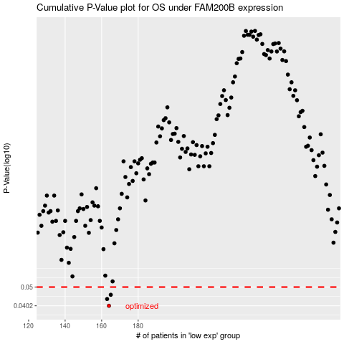

 |  |  |  |  |  | cases_OS | p_OS | rank | exp
 |  |  |  |  |  | 164 | 0.0402 | 299 | -0.45321661888
 |  |  |  |  |  | 163 | 0.0435 | 72 | -0.46536859498
 |  |  |  |  |  | 165 | 0.0457 | 311 | -0.44615555064
 |  |  |  |  |  |  | cases_RFS | p_RFS | rank | exp
 |  |  |  |  |  |  | 163 | 0.0402 | 72 | -0.46536859498
 |  |  |  |  |  |  | 162 | 0.0435 | 52 | -0.47237100255
 |  |  |  |  |  |  | 164 | 0.0457 | 299 | -0.45321661888

