FAM20A _multivariate
Reported by Tex Li-Hsing Chi. tex@gate.sinica.edu.tw 2019-08-20

Table 2. The clinicopathological features of HNSCC cohort and FAM20A expression. (Chi square test)
Cutoff at -0.297 (49.8%)
 |  | FAM20A expression |  | FAM20A expression |  | (Optimised)
 | Features | Low | (%) | High | (%) | Case no | P-value | Remark | Matthews
Gender | Female | 166 | 40 | 140 | 33.7 | 415 | 0.0041 | 1 | 0
2 | Male | 41 | 9.9 | 68 | 16.4
Age at diagnosis | <=65y | 145 | 34.9 | 129 | 31.1 | 415 | 0.1046 | 0 | 0
4 | >65y | 62 | 14.9 | 79 | 19
Clinical T Status | T1+T2 | 71 | 17.1 | 78 | 18.8 | 415 | 0.5638 | 0 | 0
6 | T3+T4 | 136 | 32.8 | 130 | 31.3
Clinical N Status | N0 | 99 | 23.9 | 117 | 28.2 | 415 | 0.1054 | 0 | 0
8 | N1-3 | 108 | 26 | 91 | 21.9
Clinical M Status | M0 | 204 | 49.2 | 208 | 50.1 | 415 | 0.1232 | 0 | 0
10 | M1 | 3 | 0.7 | 0 | 0
Clinical Stage | Stage I+II | 43 | 10.4 | 59 | 14.2 | 415 | 0.0925 | 0 | 0
12 | Stage III+IV | 164 | 39.5 | 149 | 35.9
Surgical Margin status | Negative | 157 | 37.8 | 161 | 38.8 | 415 | 0.729 | 0 | 0
14 | Positive | 50 | 12 | 47 | 11.3
Tobacco Exposure | Low | 78 | 18.8 | 83 | 20 | 415 | 0.6873 | 0 | 0
16 | High | 129 | 31.1 | 125 | 30.1

Table 3. Univariate/Multivariate Cox's proportional hazards regression analyses on OS time of FAM20A gene expression in HNSCC

 |  | Univariate |  |  |  | Multivariate
 | Features | HR | CI95%(L) | CI95%(H) | P-value | HR | CI95%(L) | CI95%(H) | P-value
1 | Female | 1 |  |  |  | 1
Gender | Male | 1.157 | 0.843 | 1.587 | 0.367 | 1.227 | 0.875 | 1.721 | 0.237
11 | <=65y | 1 |  |  |  | 1
Age at diagnosis | >65y | 1.329 | 0.99 | 1.784 | 0.058 | 1.405 | 1.033 | 1.911 | 0.03
12 | T1+T2 | 1 |  |  |  | 1
Clinical T Status | T3+T4 | 1.409 | 1.028 | 1.931 | 0.033 | 2.235 | 1.181 | 4.231 | 0.013
13 | N0 | 1 |  |  |  | 1
Clinical N Status | N1-3 | 1.185 | 0.89 | 1.577 | 0.246 | 1.23 | 0.861 | 1.756 | 0.255
14 | M0 | 1 |  |  |  | 1
Clinical M Status | M1 | 4.097 | 1.009 | 16.644 | 0.049 | 9.074 | 1.975 | 41.684 | 0.005
15 | Stage I+II | 1 |  |  |  | 1
Clinical Stage | Stage III+IV | 1.245 | 0.882 | 1.759 | 0.213 | 0.494 | 0.23 | 1.062 | 0.071
16 | Negative | 1 |  |  |  | 1
Surgical Margin status | Positive | 1.591 | 1.155 | 2.191 | 0.004 | 1.688 | 1.22 | 2.334 | 0.002
17 | Low | 1 |  |  |  | 1
Tobacco Exposure | High | 1.364 | 1.008 | 1.844 | 0.044 | 1.469 | 1.065 | 2.027 | 0.019
18 | Low | 1 |  |  |  | 1
RNAseq(z-score) | High | 0.949 | 0.712 | 1.264 | 0.72 | 0.879 | 0.654 | 1.181 | 0.392

Table 4. Univariate/Multivariate Cox's proportional hazards regression analyses on RFS time of FAM20A gene expression in HNSCC

 |  | Univariate |  |  |  | Multivariate
 | Features | HR | CI95%(L) | CI95%(H) | P-value | HR | CI95%(L) | CI95%(H) | P-value
1 | Female | 1 |  |  |  | 1
Gender | Male | 1.157 | 0.843 | 1.587 | 0.367 | 1.227 | 0.875 | 1.721 | 0.237
11 | <=65y | 1 |  |  |  | 1
Age at diagnosis | >65y | 1.329 | 0.99 | 1.784 | 0.058 | 1.405 | 1.033 | 1.911 | 0.03
12 | T1+T2 | 1 |  |  |  | 1
Clinical T Status | T3+T4 | 1.409 | 1.028 | 1.931 | 0.033 | 2.235 | 1.181 | 4.231 | 0.013
13 | N0 | 1 |  |  |  | 1
Clinical N Status | N1-3 | 1.185 | 0.89 | 1.577 | 0.246 | 1.23 | 0.861 | 1.756 | 0.255
14 | M0 | 1 |  |  |  | 1
Clinical M Status | M1 | 4.097 | 1.009 | 16.644 | 0.049 | 9.074 | 1.975 | 41.684 | 0.005
15 | Stage I+II | 1 |  |  |  | 1
Clinical Stage | Stage III+IV | 1.245 | 0.882 | 1.759 | 0.213 | 0.494 | 0.23 | 1.062 | 0.071
16 | Negative | 1 |  |  |  | 1
Surgical Margin status | Positive | 1.591 | 1.155 | 2.191 | 0.004 | 1.688 | 1.22 | 2.334 | 0.002
17 | Low | 1 |  |  |  | 1
Tobacco Exposure | High | 1.364 | 1.008 | 1.844 | 0.044 | 1.469 | 1.065 | 2.027 | 0.019
18 | Low | 1 |  |  |  | 1
RNAseq(z-score) | High | 0.949 | 0.712 | 1.264 | 0.72 | 0.879 | 0.654 | 1.181 | 0.392

Kaplan-Meier survival estimate: Cutoff at -0.297 (49.8%)



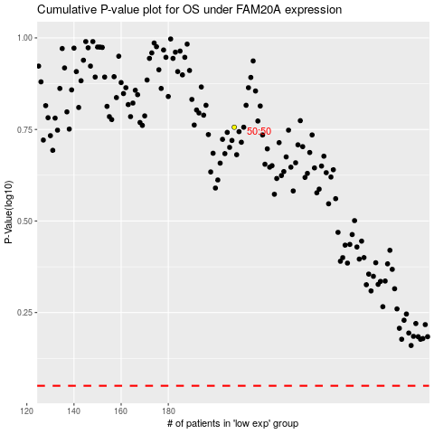

 |  |  |  |  |  | cases_OS | p_OS | rank | exp
 |  |  |  |  |  |  | cases_RFS | p_RFS | rank | exp

