FAM20B _multivariate
Reported by Tex Li-Hsing Chi. tex@gate.sinica.edu.tw 2019-08-20

Table 2. The clinicopathological features of HNSCC cohort and FAM20B expression. (Chi square test)
Cutoff at -0.254 (49.8%)
 |  | FAM20B expression |  | FAM20B expression |  | (Optimised)
 | Features | Low | (%) | High | (%) | Case no | P-value | Remark | Matthews
Gender | Female | 145 | 34.9 | 161 | 38.8 | 415 | 0.1116 | 0 | 0
2 | Male | 62 | 14.9 | 47 | 11.3
Age at diagnosis | <=65y | 131 | 31.6 | 143 | 34.5 | 415 | 0.2839 | 0 | 0
4 | >65y | 76 | 18.3 | 65 | 15.7
Clinical T Status | T1+T2 | 77 | 18.6 | 72 | 17.3 | 415 | 0.6556 | 0 | 0
6 | T3+T4 | 130 | 31.3 | 136 | 32.8
Clinical N Status | N0 | 112 | 27 | 104 | 25.1 | 415 | 0.4599 | 0 | 0
8 | N1-3 | 95 | 22.9 | 104 | 25.1
Clinical M Status | M0 | 205 | 49.4 | 207 | 49.9 | 415 | 0.6232 | 0 | 0
10 | M1 | 2 | 0.5 | 1 | 0.2
Clinical Stage | Stage I+II | 59 | 14.2 | 43 | 10.4 | 415 | 0.0822 | 0 | 0
12 | Stage III+IV | 148 | 35.7 | 165 | 39.8
Surgical Margin status | Negative | 162 | 39 | 156 | 37.6 | 415 | 0.4867 | 0 | 0
14 | Positive | 45 | 10.8 | 52 | 12.5
Tobacco Exposure | Low | 97 | 23.4 | 64 | 15.4 | 415 | 9e-04 | 1 | 0
16 | High | 110 | 26.5 | 144 | 34.7

Table 3. Univariate/Multivariate Cox's proportional hazards regression analyses on OS time of FAM20B gene expression in HNSCC

 |  | Univariate |  |  |  | Multivariate
 | Features | HR | CI95%(L) | CI95%(H) | P-value | HR | CI95%(L) | CI95%(H) | P-value
1 | Female | 1 |  |  |  | 1
Gender | Male | 1.157 | 0.843 | 1.587 | 0.367 | 1.206 | 0.862 | 1.687 | 0.274
11 | <=65y | 1 |  |  |  | 1
Age at diagnosis | >65y | 1.329 | 0.99 | 1.784 | 0.058 | 1.395 | 1.025 | 1.898 | 0.034
12 | T1+T2 | 1 |  |  |  | 1
Clinical T Status | T3+T4 | 1.409 | 1.028 | 1.931 | 0.033 | 2.217 | 1.169 | 4.202 | 0.015
13 | N0 | 1 |  |  |  | 1
Clinical N Status | N1-3 | 1.185 | 0.89 | 1.577 | 0.246 | 1.244 | 0.871 | 1.778 | 0.229
14 | M0 | 1 |  |  |  | 1
Clinical M Status | M1 | 4.097 | 1.009 | 16.644 | 0.049 | 9.513 | 2.069 | 43.746 | 0.004
15 | Stage I+II | 1 |  |  |  | 1
Clinical Stage | Stage III+IV | 1.245 | 0.882 | 1.759 | 0.213 | 0.498 | 0.23 | 1.078 | 0.077
16 | Negative | 1 |  |  |  | 1
Surgical Margin status | Positive | 1.591 | 1.155 | 2.191 | 0.004 | 1.672 | 1.21 | 2.31 | 0.002
17 | Low | 1 |  |  |  | 1
Tobacco Exposure | High | 1.364 | 1.008 | 1.844 | 0.044 | 1.445 | 1.045 | 1.998 | 0.026
18 | Low | 1 |  |  |  | 1
RNAseq(z-score) | High | 1.029 | 0.772 | 1.372 | 0.847 | 1.035 | 0.766 | 1.398 | 0.823

Table 4. Univariate/Multivariate Cox's proportional hazards regression analyses on RFS time of FAM20B gene expression in HNSCC

 |  | Univariate |  |  |  | Multivariate
 | Features | HR | CI95%(L) | CI95%(H) | P-value | HR | CI95%(L) | CI95%(H) | P-value
1 | Female | 1 |  |  |  | 1
Gender | Male | 1.157 | 0.843 | 1.587 | 0.367 | 1.206 | 0.862 | 1.687 | 0.274
11 | <=65y | 1 |  |  |  | 1
Age at diagnosis | >65y | 1.329 | 0.99 | 1.784 | 0.058 | 1.395 | 1.025 | 1.898 | 0.034
12 | T1+T2 | 1 |  |  |  | 1
Clinical T Status | T3+T4 | 1.409 | 1.028 | 1.931 | 0.033 | 2.217 | 1.169 | 4.202 | 0.015
13 | N0 | 1 |  |  |  | 1
Clinical N Status | N1-3 | 1.185 | 0.89 | 1.577 | 0.246 | 1.244 | 0.871 | 1.778 | 0.229
14 | M0 | 1 |  |  |  | 1
Clinical M Status | M1 | 4.097 | 1.009 | 16.644 | 0.049 | 9.513 | 2.069 | 43.746 | 0.004
15 | Stage I+II | 1 |  |  |  | 1
Clinical Stage | Stage III+IV | 1.245 | 0.882 | 1.759 | 0.213 | 0.498 | 0.23 | 1.078 | 0.077
16 | Negative | 1 |  |  |  | 1
Surgical Margin status | Positive | 1.591 | 1.155 | 2.191 | 0.004 | 1.672 | 1.21 | 2.31 | 0.002
17 | Low | 1 |  |  |  | 1
Tobacco Exposure | High | 1.364 | 1.008 | 1.844 | 0.044 | 1.445 | 1.045 | 1.998 | 0.026
18 | Low | 1 |  |  |  | 1
RNAseq(z-score) | High | 1.029 | 0.772 | 1.372 | 0.847 | 1.035 | 0.766 | 1.398 | 0.823

Kaplan-Meier survival estimate: Cutoff at -0.254 (49.8%)



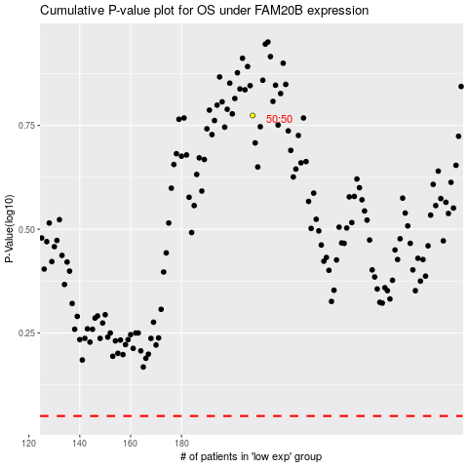

 |  |  |  |  |  | cases_OS | p_OS | rank | exp
 |  |  |  |  |  |  | cases_RFS | p_RFS | rank | exp

