FAM21B _multivariate
Reported by Tex Li-Hsing Chi. tex@gate.sinica.edu.tw 2019-08-20

Table 2. The clinicopathological features of HNSCC cohort and FAM21B expression. (Chi square test)
Cutoff at -0.19 (50.0%)
 |  | FAM21B expression |  | FAM21B expression |  | (Optimised)
 | Features | Low | (%) | High | (%) | Case no | P-value | Remark | Matthews
Gender | Female | 154 | 37.1 | 152 | 36.6 | 415 | 0.8463 | 0 | 0
2 | Male | 53 | 12.8 | 56 | 13.5
Age at diagnosis | <=65y | 146 | 35.2 | 128 | 30.8 | 415 | 0.0672 | 0 | 0
4 | >65y | 61 | 14.7 | 80 | 19.3
Clinical T Status | T1+T2 | 65 | 15.7 | 84 | 20.2 | 415 | 0.0711 | 0 | 0
6 | T3+T4 | 142 | 34.2 | 124 | 29.9
Clinical N Status | N0 | 107 | 25.8 | 109 | 26.3 | 415 | 0.9624 | 0 | 0
8 | N1-3 | 100 | 24.1 | 99 | 23.9
Clinical M Status | M0 | 205 | 49.4 | 207 | 49.9 | 415 | 0.6232 | 0 | 0
10 | M1 | 2 | 0.5 | 1 | 0.2
Clinical Stage | Stage I+II | 45 | 10.8 | 57 | 13.7 | 415 | 0.2202 | 0 | 0
12 | Stage III+IV | 162 | 39 | 151 | 36.4
Surgical Margin status | Negative | 160 | 38.6 | 158 | 38.1 | 415 | 0.8167 | 0 | 0
14 | Positive | 47 | 11.3 | 50 | 12
Tobacco Exposure | Low | 67 | 16.1 | 94 | 22.7 | 415 | 0.0088 | 1 | 0
16 | High | 140 | 33.7 | 114 | 27.5

Table 3. Univariate/Multivariate Cox's proportional hazards regression analyses on OS time of FAM21B gene expression in HNSCC

 |  | Univariate |  |  |  | Multivariate
 | Features | HR | CI95%(L) | CI95%(H) | P-value | HR | CI95%(L) | CI95%(H) | P-value
1 | Female | 1 |  |  |  | 1
Gender | Male | 1.157 | 0.843 | 1.587 | 0.367 | 1.211 | 0.867 | 1.693 | 0.262
11 | <=65y | 1 |  |  |  | 1
Age at diagnosis | >65y | 1.329 | 0.99 | 1.784 | 0.058 | 1.374 | 1.009 | 1.873 | 0.044
12 | T1+T2 | 1 |  |  |  | 1
Clinical T Status | T3+T4 | 1.409 | 1.028 | 1.931 | 0.033 | 2.238 | 1.182 | 4.237 | 0.013
13 | N0 | 1 |  |  |  | 1
Clinical N Status | N1-3 | 1.185 | 0.89 | 1.577 | 0.246 | 1.243 | 0.871 | 1.773 | 0.231
14 | M0 | 1 |  |  |  | 1
Clinical M Status | M1 | 4.097 | 1.009 | 16.644 | 0.049 | 9.612 | 2.094 | 44.117 | 0.004
15 | Stage I+II | 1 |  |  |  | 1
Clinical Stage | Stage III+IV | 1.245 | 0.882 | 1.759 | 0.213 | 0.505 | 0.235 | 1.084 | 0.08
16 | Negative | 1 |  |  |  | 1
Surgical Margin status | Positive | 1.591 | 1.155 | 2.191 | 0.004 | 1.663 | 1.204 | 2.299 | 0.002
17 | Low | 1 |  |  |  | 1
Tobacco Exposure | High | 1.364 | 1.008 | 1.844 | 0.044 | 1.47 | 1.065 | 2.029 | 0.019
18 | Low | 1 |  |  |  | 1
RNAseq(z-score) | High | 1.052 | 0.79 | 1.4 | 0.729 | 1.106 | 0.823 | 1.487 | 0.504

Table 4. Univariate/Multivariate Cox's proportional hazards regression analyses on RFS time of FAM21B gene expression in HNSCC

 |  | Univariate |  |  |  | Multivariate
 | Features | HR | CI95%(L) | CI95%(H) | P-value | HR | CI95%(L) | CI95%(H) | P-value
1 | Female | 1 |  |  |  | 1
Gender | Male | 1.157 | 0.843 | 1.587 | 0.367 | 1.211 | 0.867 | 1.693 | 0.262
11 | <=65y | 1 |  |  |  | 1
Age at diagnosis | >65y | 1.329 | 0.99 | 1.784 | 0.058 | 1.374 | 1.009 | 1.873 | 0.044
12 | T1+T2 | 1 |  |  |  | 1
Clinical T Status | T3+T4 | 1.409 | 1.028 | 1.931 | 0.033 | 2.238 | 1.182 | 4.237 | 0.013
13 | N0 | 1 |  |  |  | 1
Clinical N Status | N1-3 | 1.185 | 0.89 | 1.577 | 0.246 | 1.243 | 0.871 | 1.773 | 0.231
14 | M0 | 1 |  |  |  | 1
Clinical M Status | M1 | 4.097 | 1.009 | 16.644 | 0.049 | 9.612 | 2.094 | 44.117 | 0.004
15 | Stage I+II | 1 |  |  |  | 1
Clinical Stage | Stage III+IV | 1.245 | 0.882 | 1.759 | 0.213 | 0.505 | 0.235 | 1.084 | 0.08
16 | Negative | 1 |  |  |  | 1
Surgical Margin status | Positive | 1.591 | 1.155 | 2.191 | 0.004 | 1.663 | 1.204 | 2.299 | 0.002
17 | Low | 1 |  |  |  | 1
Tobacco Exposure | High | 1.364 | 1.008 | 1.844 | 0.044 | 1.47 | 1.065 | 2.029 | 0.019
18 | Low | 1 |  |  |  | 1
RNAseq(z-score) | High | 1.052 | 0.79 | 1.4 | 0.729 | 1.106 | 0.823 | 1.487 | 0.504

Kaplan-Meier survival estimate: Cutoff at -0.19 (50.0%)



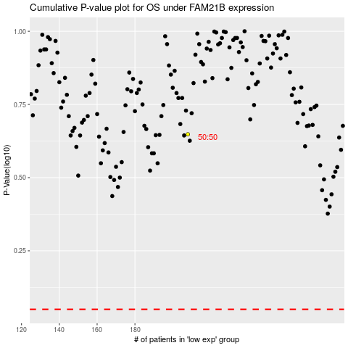

 |  |  |  |  |  | cases_OS | p_OS | rank | exp
 |  |  |  |  |  |  | cases_RFS | p_RFS | rank | exp

