FAM21C _multivariate
Reported by Tex Li-Hsing Chi. tex@gate.sinica.edu.tw 2019-08-20

Table 2. The clinicopathological features of HNSCC cohort and FAM21C expression. (Chi square test)
Cutoff at -0.143 (50.0%)
 |  | FAM21C expression |  | FAM21C expression |  | (Optimised)
 | Features | Low | (%) | High | (%) | Case no | P-value | Remark | Matthews
Gender | Female | 146 | 35.2 | 160 | 38.6 | 415 | 0.1714 | 0 | 0
2 | Male | 61 | 14.7 | 48 | 11.6
Age at diagnosis | <=65y | 140 | 33.7 | 134 | 32.3 | 415 | 0.5574 | 0 | 0
4 | >65y | 67 | 16.1 | 74 | 17.8
Clinical T Status | T1+T2 | 64 | 15.4 | 85 | 20.5 | 415 | 0.0445 | 1 | 0
6 | T3+T4 | 143 | 34.5 | 123 | 29.6
Clinical N Status | N0 | 111 | 26.7 | 105 | 25.3 | 415 | 0.5875 | 0 | 0
8 | N1-3 | 96 | 23.1 | 103 | 24.8
Clinical M Status | M0 | 206 | 49.6 | 206 | 49.6 | 415 | 1 | 0 | 0
10 | M1 | 1 | 0.2 | 2 | 0.5
Clinical Stage | Stage I+II | 45 | 10.8 | 57 | 13.7 | 415 | 0.2202 | 0 | 0
12 | Stage III+IV | 162 | 39 | 151 | 36.4
Surgical Margin status | Negative | 161 | 38.8 | 157 | 37.8 | 415 | 0.6429 | 0 | 0
14 | Positive | 46 | 11.1 | 51 | 12.3
Tobacco Exposure | Low | 68 | 16.4 | 93 | 22.4 | 415 | 0.0156 | 1 | 0
16 | High | 139 | 33.5 | 115 | 27.7

Table 3. Univariate/Multivariate Cox's proportional hazards regression analyses on OS time of FAM21C gene expression in HNSCC

 |  | Univariate |  |  |  | Multivariate
 | Features | HR | CI95%(L) | CI95%(H) | P-value | HR | CI95%(L) | CI95%(H) | P-value
1 | Female | 1 |  |  |  | 1
Gender | Male | 1.157 | 0.843 | 1.587 | 0.367 | 1.191 | 0.851 | 1.665 | 0.308
11 | <=65y | 1 |  |  |  | 1
Age at diagnosis | >65y | 1.329 | 0.99 | 1.784 | 0.058 | 1.39 | 1.023 | 1.888 | 0.035
12 | T1+T2 | 1 |  |  |  | 1
Clinical T Status | T3+T4 | 1.409 | 1.028 | 1.931 | 0.033 | 2.218 | 1.173 | 4.194 | 0.014
13 | N0 | 1 |  |  |  | 1
Clinical N Status | N1-3 | 1.185 | 0.89 | 1.577 | 0.246 | 1.253 | 0.878 | 1.788 | 0.214
14 | M0 | 1 |  |  |  | 1
Clinical M Status | M1 | 4.097 | 1.009 | 16.644 | 0.049 | 9.591 | 2.09 | 44.014 | 0.004
15 | Stage I+II | 1 |  |  |  | 1
Clinical Stage | Stage III+IV | 1.245 | 0.882 | 1.759 | 0.213 | 0.485 | 0.225 | 1.044 | 0.064
16 | Negative | 1 |  |  |  | 1
Surgical Margin status | Positive | 1.591 | 1.155 | 2.191 | 0.004 | 1.69 | 1.222 | 2.337 | 0.002
17 | Low | 1 |  |  |  | 1
Tobacco Exposure | High | 1.364 | 1.008 | 1.844 | 0.044 | 1.422 | 1.029 | 1.965 | 0.033
18 | Low | 1 |  |  |  | 1
RNAseq(z-score) | High | 0.825 | 0.619 | 1.1 | 0.191 | 0.852 | 0.635 | 1.143 | 0.285

Table 4. Univariate/Multivariate Cox's proportional hazards regression analyses on RFS time of FAM21C gene expression in HNSCC

 |  | Univariate |  |  |  | Multivariate
 | Features | HR | CI95%(L) | CI95%(H) | P-value | HR | CI95%(L) | CI95%(H) | P-value
1 | Female | 1 |  |  |  | 1
Gender | Male | 1.157 | 0.843 | 1.587 | 0.367 | 1.191 | 0.851 | 1.665 | 0.308
11 | <=65y | 1 |  |  |  | 1
Age at diagnosis | >65y | 1.329 | 0.99 | 1.784 | 0.058 | 1.39 | 1.023 | 1.888 | 0.035
12 | T1+T2 | 1 |  |  |  | 1
Clinical T Status | T3+T4 | 1.409 | 1.028 | 1.931 | 0.033 | 2.218 | 1.173 | 4.194 | 0.014
13 | N0 | 1 |  |  |  | 1
Clinical N Status | N1-3 | 1.185 | 0.89 | 1.577 | 0.246 | 1.253 | 0.878 | 1.788 | 0.214
14 | M0 | 1 |  |  |  | 1
Clinical M Status | M1 | 4.097 | 1.009 | 16.644 | 0.049 | 9.591 | 2.09 | 44.014 | 0.004
15 | Stage I+II | 1 |  |  |  | 1
Clinical Stage | Stage III+IV | 1.245 | 0.882 | 1.759 | 0.213 | 0.485 | 0.225 | 1.044 | 0.064
16 | Negative | 1 |  |  |  | 1
Surgical Margin status | Positive | 1.591 | 1.155 | 2.191 | 0.004 | 1.69 | 1.222 | 2.337 | 0.002
17 | Low | 1 |  |  |  | 1
Tobacco Exposure | High | 1.364 | 1.008 | 1.844 | 0.044 | 1.422 | 1.029 | 1.965 | 0.033
18 | Low | 1 |  |  |  | 1
RNAseq(z-score) | High | 0.825 | 0.619 | 1.1 | 0.191 | 0.852 | 0.635 | 1.143 | 0.285

Kaplan-Meier survival estimate: Cutoff at -0.143 (50.0%)



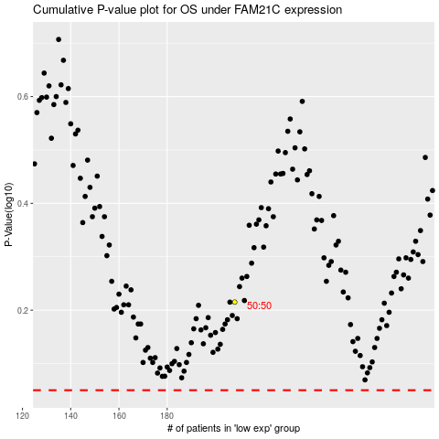

 |  |  |  |  |  | cases_OS | p_OS | rank | exp
 |  |  |  |  |  |  | cases_RFS | p_RFS | rank | exp

