FAM22A _multivariate
Reported by Tex Li-Hsing Chi. tex@gate.sinica.edu.tw 2019-08-20

Table 2. The clinicopathological features of HNSCC cohort and FAM22A expression. (Chi square test)
Cutoff at -0.277 (50.0%)
 |  | FAM22A expression |  | FAM22A expression |  | (Optimised)
 | Features | Low | (%) | High | (%) | Case no | P-value | Remark | Matthews
Gender | Female | 158 | 38.1 | 148 | 35.7 | 415 | 0.2774 | 0 | 0
2 | Male | 49 | 11.8 | 60 | 14.5
Age at diagnosis | <=65y | 136 | 32.8 | 138 | 33.3 | 415 | 0.9719 | 0 | 0
4 | >65y | 71 | 17.1 | 70 | 16.9
Clinical T Status | T1+T2 | 60 | 14.5 | 89 | 21.4 | 415 | 0.0047 | 1 | 0
6 | T3+T4 | 147 | 35.4 | 119 | 28.7
Clinical N Status | N0 | 112 | 27 | 104 | 25.1 | 415 | 0.4599 | 0 | 0
8 | N1-3 | 95 | 22.9 | 104 | 25.1
Clinical M Status | M0 | 207 | 49.9 | 205 | 49.4 | 415 | 0.2482 | 0 | 0
10 | M1 | 0 | 0 | 3 | 0.7
Clinical Stage | Stage I+II | 43 | 10.4 | 59 | 14.2 | 415 | 0.0925 | 0 | 0
12 | Stage III+IV | 164 | 39.5 | 149 | 35.9
Surgical Margin status | Negative | 157 | 37.8 | 161 | 38.8 | 415 | 0.729 | 0 | 0
14 | Positive | 50 | 12 | 47 | 11.3
Tobacco Exposure | Low | 67 | 16.1 | 94 | 22.7 | 415 | 0.0088 | 1 | 0
16 | High | 140 | 33.7 | 114 | 27.5

Table 3. Univariate/Multivariate Cox's proportional hazards regression analyses on OS time of FAM22A gene expression in HNSCC

 |  | Univariate |  |  |  | Multivariate
 | Features | HR | CI95%(L) | CI95%(H) | P-value | HR | CI95%(L) | CI95%(H) | P-value
1 | Female | 1 |  |  |  | 1
Gender | Male | 1.157 | 0.843 | 1.587 | 0.367 | 1.201 | 0.86 | 1.679 | 0.282
11 | <=65y | 1 |  |  |  | 1
Age at diagnosis | >65y | 1.329 | 0.99 | 1.784 | 0.058 | 1.391 | 1.023 | 1.892 | 0.035
12 | T1+T2 | 1 |  |  |  | 1
Clinical T Status | T3+T4 | 1.409 | 1.028 | 1.931 | 0.033 | 2.203 | 1.165 | 4.167 | 0.015
13 | N0 | 1 |  |  |  | 1
Clinical N Status | N1-3 | 1.185 | 0.89 | 1.577 | 0.246 | 1.239 | 0.863 | 1.779 | 0.245
14 | M0 | 1 |  |  |  | 1
Clinical M Status | M1 | 4.097 | 1.009 | 16.644 | 0.049 | 9.385 | 2.038 | 43.218 | 0.004
15 | Stage I+II | 1 |  |  |  | 1
Clinical Stage | Stage III+IV | 1.245 | 0.882 | 1.759 | 0.213 | 0.505 | 0.235 | 1.084 | 0.08
16 | Negative | 1 |  |  |  | 1
Surgical Margin status | Positive | 1.591 | 1.155 | 2.191 | 0.004 | 1.672 | 1.21 | 2.31 | 0.002
17 | Low | 1 |  |  |  | 1
Tobacco Exposure | High | 1.364 | 1.008 | 1.844 | 0.044 | 1.454 | 1.051 | 2.012 | 0.024
18 | Low | 1 |  |  |  | 1
RNAseq(z-score) | High | 0.987 | 0.74 | 1.317 | 0.93 | 1.006 | 0.745 | 1.358 | 0.97

Table 4. Univariate/Multivariate Cox's proportional hazards regression analyses on RFS time of FAM22A gene expression in HNSCC

 |  | Univariate |  |  |  | Multivariate
 | Features | HR | CI95%(L) | CI95%(H) | P-value | HR | CI95%(L) | CI95%(H) | P-value
1 | Female | 1 |  |  |  | 1
Gender | Male | 1.157 | 0.843 | 1.587 | 0.367 | 1.201 | 0.86 | 1.679 | 0.282
11 | <=65y | 1 |  |  |  | 1
Age at diagnosis | >65y | 1.329 | 0.99 | 1.784 | 0.058 | 1.391 | 1.023 | 1.892 | 0.035
12 | T1+T2 | 1 |  |  |  | 1
Clinical T Status | T3+T4 | 1.409 | 1.028 | 1.931 | 0.033 | 2.203 | 1.165 | 4.167 | 0.015
13 | N0 | 1 |  |  |  | 1
Clinical N Status | N1-3 | 1.185 | 0.89 | 1.577 | 0.246 | 1.239 | 0.863 | 1.779 | 0.245
14 | M0 | 1 |  |  |  | 1
Clinical M Status | M1 | 4.097 | 1.009 | 16.644 | 0.049 | 9.385 | 2.038 | 43.218 | 0.004
15 | Stage I+II | 1 |  |  |  | 1
Clinical Stage | Stage III+IV | 1.245 | 0.882 | 1.759 | 0.213 | 0.505 | 0.235 | 1.084 | 0.08
16 | Negative | 1 |  |  |  | 1
Surgical Margin status | Positive | 1.591 | 1.155 | 2.191 | 0.004 | 1.672 | 1.21 | 2.31 | 0.002
17 | Low | 1 |  |  |  | 1
Tobacco Exposure | High | 1.364 | 1.008 | 1.844 | 0.044 | 1.454 | 1.051 | 2.012 | 0.024
18 | Low | 1 |  |  |  | 1
RNAseq(z-score) | High | 0.987 | 0.74 | 1.317 | 0.93 | 1.006 | 0.745 | 1.358 | 0.97

Kaplan-Meier survival estimate: Cutoff at -0.277 (50.0%)



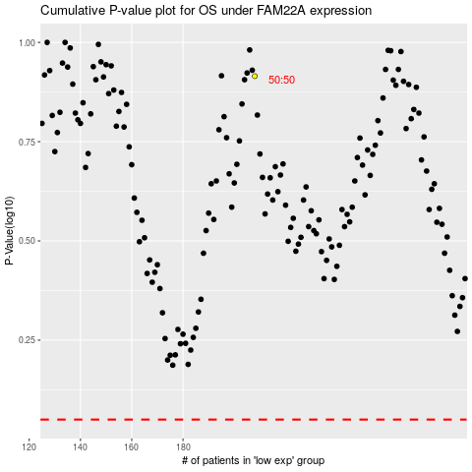

 |  |  |  |  |  | cases_OS | p_OS | rank | exp
 |  |  |  |  |  |  | cases_RFS | p_RFS | rank | exp

