FAM22D _multivariate
Reported by Tex Li-Hsing Chi. tex@gate.sinica.edu.tw 2019-08-20

Table 2. The clinicopathological features of HNSCC cohort and FAM22D expression. (Chi square test)
Cutoff at -0.173 (49.8%)
 |  | FAM22D expression |  | FAM22D expression |  | (Optimised)
 | Features | Low | (%) | High | (%) | Case no | P-value | Remark | Matthews
Gender | Female | 155 | 37.3 | 151 | 36.4 | 415 | 0.6768 | 0 | 0
2 | Male | 52 | 12.5 | 57 | 13.7
Age at diagnosis | <=65y | 137 | 33 | 137 | 33 | 415 | 1 | 0 | 0
4 | >65y | 70 | 16.9 | 71 | 17.1
Clinical T Status | T1+T2 | 61 | 14.7 | 88 | 21.2 | 415 | 0.0087 | 1 | 0
6 | T3+T4 | 146 | 35.2 | 120 | 28.9
Clinical N Status | N0 | 102 | 24.6 | 114 | 27.5 | 415 | 0.3031 | 0 | 0
8 | N1-3 | 105 | 25.3 | 94 | 22.7
Clinical M Status | M0 | 207 | 49.9 | 205 | 49.4 | 415 | 0.2482 | 0 | 0
10 | M1 | 0 | 0 | 3 | 0.7
Clinical Stage | Stage I+II | 37 | 8.9 | 65 | 15.7 | 415 | 0.0023 | 1 | 0
12 | Stage III+IV | 170 | 41 | 143 | 34.5
Surgical Margin status | Negative | 156 | 37.6 | 162 | 39 | 415 | 0.5636 | 0 | 0
14 | Positive | 51 | 12.3 | 46 | 11.1
Tobacco Exposure | Low | 75 | 18.1 | 86 | 20.7 | 415 | 0.3141 | 0 | 0
16 | High | 132 | 31.8 | 122 | 29.4

Table 3. Univariate/Multivariate Cox's proportional hazards regression analyses on OS time of FAM22D gene expression in HNSCC

 |  | Univariate |  |  |  | Multivariate
 | Features | HR | CI95%(L) | CI95%(H) | P-value | HR | CI95%(L) | CI95%(H) | P-value
1 | Female | 1 |  |  |  | 1
Gender | Male | 1.157 | 0.843 | 1.587 | 0.367 | 1.198 | 0.856 | 1.675 | 0.292
11 | <=65y | 1 |  |  |  | 1
Age at diagnosis | >65y | 1.329 | 0.99 | 1.784 | 0.058 | 1.406 | 1.034 | 1.912 | 0.03
12 | T1+T2 | 1 |  |  |  | 1
Clinical T Status | T3+T4 | 1.409 | 1.028 | 1.931 | 0.033 | 2.236 | 1.182 | 4.232 | 0.013
13 | N0 | 1 |  |  |  | 1
Clinical N Status | N1-3 | 1.185 | 0.89 | 1.577 | 0.246 | 1.256 | 0.88 | 1.793 | 0.208
14 | M0 | 1 |  |  |  | 1
Clinical M Status | M1 | 4.097 | 1.009 | 16.644 | 0.049 | 10.473 | 2.259 | 48.561 | 0.003
15 | Stage I+II | 1 |  |  |  | 1
Clinical Stage | Stage III+IV | 1.245 | 0.882 | 1.759 | 0.213 | 0.48 | 0.223 | 1.036 | 0.061
16 | Negative | 1 |  |  |  | 1
Surgical Margin status | Positive | 1.591 | 1.155 | 2.191 | 0.004 | 1.654 | 1.197 | 2.286 | 0.002
17 | Low | 1 |  |  |  | 1
Tobacco Exposure | High | 1.364 | 1.008 | 1.844 | 0.044 | 1.447 | 1.049 | 1.995 | 0.024
18 | Low | 1 |  |  |  | 1
RNAseq(z-score) | High | 0.836 | 0.628 | 1.113 | 0.22 | 0.84 | 0.627 | 1.125 | 0.242

Table 4. Univariate/Multivariate Cox's proportional hazards regression analyses on RFS time of FAM22D gene expression in HNSCC

 |  | Univariate |  |  |  | Multivariate
 | Features | HR | CI95%(L) | CI95%(H) | P-value | HR | CI95%(L) | CI95%(H) | P-value
1 | Female | 1 |  |  |  | 1
Gender | Male | 1.157 | 0.843 | 1.587 | 0.367 | 1.198 | 0.856 | 1.675 | 0.292
11 | <=65y | 1 |  |  |  | 1
Age at diagnosis | >65y | 1.329 | 0.99 | 1.784 | 0.058 | 1.406 | 1.034 | 1.912 | 0.03
12 | T1+T2 | 1 |  |  |  | 1
Clinical T Status | T3+T4 | 1.409 | 1.028 | 1.931 | 0.033 | 2.236 | 1.182 | 4.232 | 0.013
13 | N0 | 1 |  |  |  | 1
Clinical N Status | N1-3 | 1.185 | 0.89 | 1.577 | 0.246 | 1.256 | 0.88 | 1.793 | 0.208
14 | M0 | 1 |  |  |  | 1
Clinical M Status | M1 | 4.097 | 1.009 | 16.644 | 0.049 | 10.473 | 2.259 | 48.561 | 0.003
15 | Stage I+II | 1 |  |  |  | 1
Clinical Stage | Stage III+IV | 1.245 | 0.882 | 1.759 | 0.213 | 0.48 | 0.223 | 1.036 | 0.061
16 | Negative | 1 |  |  |  | 1
Surgical Margin status | Positive | 1.591 | 1.155 | 2.191 | 0.004 | 1.654 | 1.197 | 2.286 | 0.002
17 | Low | 1 |  |  |  | 1
Tobacco Exposure | High | 1.364 | 1.008 | 1.844 | 0.044 | 1.447 | 1.049 | 1.995 | 0.024
18 | Low | 1 |  |  |  | 1
RNAseq(z-score) | High | 0.836 | 0.628 | 1.113 | 0.22 | 0.84 | 0.627 | 1.125 | 0.242

Kaplan-Meier survival estimate: Cutoff at -0.173 (49.8%)



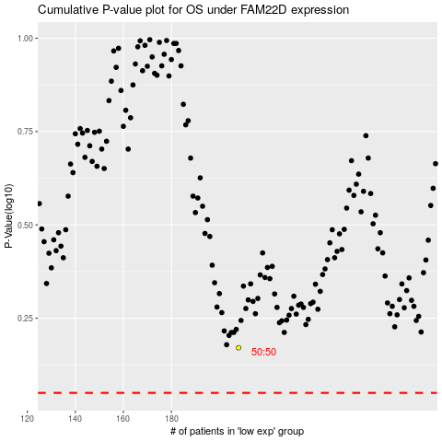

 |  |  |  |  |  | cases_OS | p_OS | rank | exp
 |  |  |  |  |  |  | cases_RFS | p_RFS | rank | exp

