FAM22F _multivariate
Reported by Tex Li-Hsing Chi. tex@gate.sinica.edu.tw 2019-08-20

Table 2. The clinicopathological features of HNSCC cohort and FAM22F expression. (Chi square test)
Cutoff at -0.252 (49.8%)
 |  | FAM22F expression |  | FAM22F expression |  | (Optimised)
 | Features | Low | (%) | High | (%) | Case no | P-value | Remark | Matthews
Gender | Female | 153 | 36.9 | 153 | 36.9 | 415 | 1 | 0 | 0
2 | Male | 54 | 13 | 55 | 13.3
Age at diagnosis | <=65y | 133 | 32 | 141 | 34 | 415 | 0.5111 | 0 | 0
4 | >65y | 74 | 17.8 | 67 | 16.1
Clinical T Status | T1+T2 | 88 | 21.2 | 61 | 14.7 | 415 | 0.007 | 1 | 0
6 | T3+T4 | 119 | 28.7 | 147 | 35.4
Clinical N Status | N0 | 110 | 26.5 | 106 | 25.5 | 415 | 0.7294 | 0 | 0
8 | N1-3 | 97 | 23.4 | 102 | 24.6
Clinical M Status | M0 | 205 | 49.4 | 207 | 49.9 | 415 | 0.6232 | 0 | 0
10 | M1 | 2 | 0.5 | 1 | 0.2
Clinical Stage | Stage I+II | 64 | 15.4 | 38 | 9.2 | 415 | 0.004 | 1 | 0
12 | Stage III+IV | 143 | 34.5 | 170 | 41
Surgical Margin status | Negative | 160 | 38.6 | 158 | 38.1 | 415 | 0.8167 | 0 | 0
14 | Positive | 47 | 11.3 | 50 | 12
Tobacco Exposure | Low | 87 | 21 | 74 | 17.8 | 415 | 0.1911 | 0 | 0
16 | High | 120 | 28.9 | 134 | 32.3

Table 3. Univariate/Multivariate Cox's proportional hazards regression analyses on OS time of FAM22F gene expression in HNSCC

 |  | Univariate |  |  |  | Multivariate
 | Features | HR | CI95%(L) | CI95%(H) | P-value | HR | CI95%(L) | CI95%(H) | P-value
1 | Female | 1 |  |  |  | 1
Gender | Male | 1.157 | 0.843 | 1.587 | 0.367 | 1.197 | 0.857 | 1.672 | 0.29
11 | <=65y | 1 |  |  |  | 1
Age at diagnosis | >65y | 1.329 | 0.99 | 1.784 | 0.058 | 1.4 | 1.029 | 1.903 | 0.032
12 | T1+T2 | 1 |  |  |  | 1
Clinical T Status | T3+T4 | 1.409 | 1.028 | 1.931 | 0.033 | 2.228 | 1.178 | 4.216 | 0.014
13 | N0 | 1 |  |  |  | 1
Clinical N Status | N1-3 | 1.185 | 0.89 | 1.577 | 0.246 | 1.239 | 0.869 | 1.767 | 0.235
14 | M0 | 1 |  |  |  | 1
Clinical M Status | M1 | 4.097 | 1.009 | 16.644 | 0.049 | 8.992 | 1.957 | 41.308 | 0.005
15 | Stage I+II | 1 |  |  |  | 1
Clinical Stage | Stage III+IV | 1.245 | 0.882 | 1.759 | 0.213 | 0.518 | 0.241 | 1.114 | 0.092
16 | Negative | 1 |  |  |  | 1
Surgical Margin status | Positive | 1.591 | 1.155 | 2.191 | 0.004 | 1.691 | 1.223 | 2.338 | 0.001
17 | Low | 1 |  |  |  | 1
Tobacco Exposure | High | 1.364 | 1.008 | 1.844 | 0.044 | 1.484 | 1.074 | 2.049 | 0.017
18 | Low | 1 |  |  |  | 1
RNAseq(z-score) | High | 0.932 | 0.699 | 1.241 | 0.629 | 0.848 | 0.63 | 1.141 | 0.275

Table 4. Univariate/Multivariate Cox's proportional hazards regression analyses on RFS time of FAM22F gene expression in HNSCC

 |  | Univariate |  |  |  | Multivariate
 | Features | HR | CI95%(L) | CI95%(H) | P-value | HR | CI95%(L) | CI95%(H) | P-value
1 | Female | 1 |  |  |  | 1
Gender | Male | 1.157 | 0.843 | 1.587 | 0.367 | 1.197 | 0.857 | 1.672 | 0.29
11 | <=65y | 1 |  |  |  | 1
Age at diagnosis | >65y | 1.329 | 0.99 | 1.784 | 0.058 | 1.4 | 1.029 | 1.903 | 0.032
12 | T1+T2 | 1 |  |  |  | 1
Clinical T Status | T3+T4 | 1.409 | 1.028 | 1.931 | 0.033 | 2.228 | 1.178 | 4.216 | 0.014
13 | N0 | 1 |  |  |  | 1
Clinical N Status | N1-3 | 1.185 | 0.89 | 1.577 | 0.246 | 1.239 | 0.869 | 1.767 | 0.235
14 | M0 | 1 |  |  |  | 1
Clinical M Status | M1 | 4.097 | 1.009 | 16.644 | 0.049 | 8.992 | 1.957 | 41.308 | 0.005
15 | Stage I+II | 1 |  |  |  | 1
Clinical Stage | Stage III+IV | 1.245 | 0.882 | 1.759 | 0.213 | 0.518 | 0.241 | 1.114 | 0.092
16 | Negative | 1 |  |  |  | 1
Surgical Margin status | Positive | 1.591 | 1.155 | 2.191 | 0.004 | 1.691 | 1.223 | 2.338 | 0.001
17 | Low | 1 |  |  |  | 1
Tobacco Exposure | High | 1.364 | 1.008 | 1.844 | 0.044 | 1.484 | 1.074 | 2.049 | 0.017
18 | Low | 1 |  |  |  | 1
RNAseq(z-score) | High | 0.932 | 0.699 | 1.241 | 0.629 | 0.848 | 0.63 | 1.141 | 0.275

Kaplan-Meier survival estimate: Cutoff at -0.252 (49.8%)



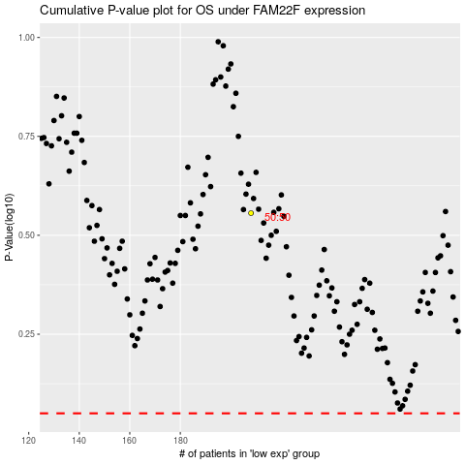

 |  |  |  |  |  | cases_OS | p_OS | rank | exp
 |  |  |  |  |  |  | cases_RFS | p_RFS | rank | exp

