FAM23A _multivariate
Reported by Tex Li-Hsing Chi. tex@gate.sinica.edu.tw 2019-08-20

Table 2. The clinicopathological features of HNSCC cohort and FAM23A expression. (Chi square test)
Cutoff at -0.224 (50.0%)
 |  | FAM23A expression |  | FAM23A expression |  | (Optimised)
 | Features | Low | (%) | High | (%) | Case no | P-value | Remark | Matthews
Gender | Female | 155 | 37.3 | 151 | 36.4 | 415 | 0.6768 | 0 | 0
2 | Male | 52 | 12.5 | 57 | 13.7
Age at diagnosis | <=65y | 141 | 34 | 133 | 32 | 415 | 0.4272 | 0 | 0
4 | >65y | 66 | 15.9 | 75 | 18.1
Clinical T Status | T1+T2 | 77 | 18.6 | 72 | 17.3 | 415 | 0.6556 | 0 | 0
6 | T3+T4 | 130 | 31.3 | 136 | 32.8
Clinical N Status | N0 | 111 | 26.7 | 105 | 25.3 | 415 | 0.5875 | 0 | 0
8 | N1-3 | 96 | 23.1 | 103 | 24.8
Clinical M Status | M0 | 206 | 49.6 | 206 | 49.6 | 415 | 1 | 0 | 0
10 | M1 | 1 | 0.2 | 2 | 0.5
Clinical Stage | Stage I+II | 53 | 12.8 | 49 | 11.8 | 415 | 0.7113 | 0 | 0
12 | Stage III+IV | 154 | 37.1 | 159 | 38.3
Surgical Margin status | Negative | 154 | 37.1 | 164 | 39.5 | 415 | 0.2984 | 0 | 0
14 | Positive | 53 | 12.8 | 44 | 10.6
Tobacco Exposure | Low | 77 | 18.6 | 84 | 20.2 | 415 | 0.5459 | 0 | 0
16 | High | 130 | 31.3 | 124 | 29.9

Table 3. Univariate/Multivariate Cox's proportional hazards regression analyses on OS time of FAM23A gene expression in HNSCC

 |  | Univariate |  |  |  | Multivariate
 | Features | HR | CI95%(L) | CI95%(H) | P-value | HR | CI95%(L) | CI95%(H) | P-value
1 | Female | 1 |  |  |  | 1
Gender | Male | 1.157 | 0.843 | 1.587 | 0.367 | 1.195 | 0.855 | 1.67 | 0.297
11 | <=65y | 1 |  |  |  | 1
Age at diagnosis | >65y | 1.329 | 0.99 | 1.784 | 0.058 | 1.382 | 1.017 | 1.879 | 0.039
12 | T1+T2 | 1 |  |  |  | 1
Clinical T Status | T3+T4 | 1.409 | 1.028 | 1.931 | 0.033 | 2.173 | 1.148 | 4.111 | 0.017
13 | N0 | 1 |  |  |  | 1
Clinical N Status | N1-3 | 1.185 | 0.89 | 1.577 | 0.246 | 1.255 | 0.879 | 1.791 | 0.211
14 | M0 | 1 |  |  |  | 1
Clinical M Status | M1 | 4.097 | 1.009 | 16.644 | 0.049 | 8.812 | 1.916 | 40.529 | 0.005
15 | Stage I+II | 1 |  |  |  | 1
Clinical Stage | Stage III+IV | 1.245 | 0.882 | 1.759 | 0.213 | 0.497 | 0.231 | 1.067 | 0.073
16 | Negative | 1 |  |  |  | 1
Surgical Margin status | Positive | 1.591 | 1.155 | 2.191 | 0.004 | 1.707 | 1.233 | 2.363 | 0.001
17 | Low | 1 |  |  |  | 1
Tobacco Exposure | High | 1.364 | 1.008 | 1.844 | 0.044 | 1.491 | 1.079 | 2.06 | 0.016
18 | Low | 1 |  |  |  | 1
RNAseq(z-score) | High | 1.172 | 0.88 | 1.561 | 0.278 | 1.204 | 0.898 | 1.615 | 0.215

Table 4. Univariate/Multivariate Cox's proportional hazards regression analyses on RFS time of FAM23A gene expression in HNSCC

 |  | Univariate |  |  |  | Multivariate
 | Features | HR | CI95%(L) | CI95%(H) | P-value | HR | CI95%(L) | CI95%(H) | P-value
1 | Female | 1 |  |  |  | 1
Gender | Male | 1.157 | 0.843 | 1.587 | 0.367 | 1.195 | 0.855 | 1.67 | 0.297
11 | <=65y | 1 |  |  |  | 1
Age at diagnosis | >65y | 1.329 | 0.99 | 1.784 | 0.058 | 1.382 | 1.017 | 1.879 | 0.039
12 | T1+T2 | 1 |  |  |  | 1
Clinical T Status | T3+T4 | 1.409 | 1.028 | 1.931 | 0.033 | 2.173 | 1.148 | 4.111 | 0.017
13 | N0 | 1 |  |  |  | 1
Clinical N Status | N1-3 | 1.185 | 0.89 | 1.577 | 0.246 | 1.255 | 0.879 | 1.791 | 0.211
14 | M0 | 1 |  |  |  | 1
Clinical M Status | M1 | 4.097 | 1.009 | 16.644 | 0.049 | 8.812 | 1.916 | 40.529 | 0.005
15 | Stage I+II | 1 |  |  |  | 1
Clinical Stage | Stage III+IV | 1.245 | 0.882 | 1.759 | 0.213 | 0.497 | 0.231 | 1.067 | 0.073
16 | Negative | 1 |  |  |  | 1
Surgical Margin status | Positive | 1.591 | 1.155 | 2.191 | 0.004 | 1.707 | 1.233 | 2.363 | 0.001
17 | Low | 1 |  |  |  | 1
Tobacco Exposure | High | 1.364 | 1.008 | 1.844 | 0.044 | 1.491 | 1.079 | 2.06 | 0.016
18 | Low | 1 |  |  |  | 1
RNAseq(z-score) | High | 1.172 | 0.88 | 1.561 | 0.278 | 1.204 | 0.898 | 1.615 | 0.215

Kaplan-Meier survival estimate: Cutoff at -0.224 (50.0%)



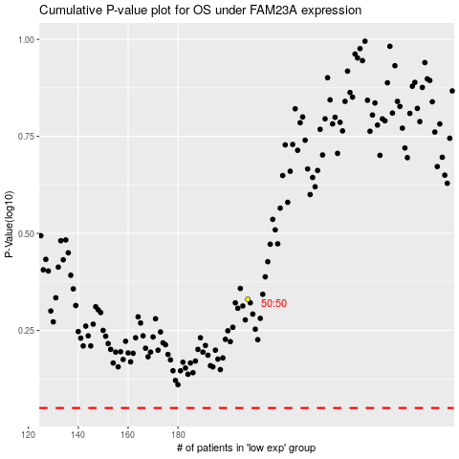

 |  |  |  |  |  | cases_OS | p_OS | rank | exp
 |  |  |  |  |  |  | cases_RFS | p_RFS | rank | exp

