FAM24B _multivariate
Reported by Tex Li-Hsing Chi. tex@gate.sinica.edu.tw 2019-08-20

Table 2. The clinicopathological features of HNSCC cohort and FAM24B expression. (Chi square test)
Cutoff at -0.237 (49.8%)
 |  | FAM24B expression |  | FAM24B expression |  | (Optimised)
 | Features | Low | (%) | High | (%) | Case no | P-value | Remark | Matthews
Gender | Female | 143 | 34.5 | 163 | 39.3 | 415 | 0.0416 | 1 | 0
2 | Male | 64 | 15.4 | 45 | 10.8
Age at diagnosis | <=65y | 125 | 30.1 | 149 | 35.9 | 415 | 0.0206 | 1 | 0
4 | >65y | 82 | 19.8 | 59 | 14.2
Clinical T Status | T1+T2 | 76 | 18.3 | 73 | 17.6 | 415 | 0.8092 | 0 | 0
6 | T3+T4 | 131 | 31.6 | 135 | 32.5
Clinical N Status | N0 | 118 | 28.4 | 98 | 23.6 | 415 | 0.0551 | 1 | 0
8 | N1-3 | 89 | 21.4 | 110 | 26.5
Clinical M Status | M0 | 206 | 49.6 | 206 | 49.6 | 415 | 1 | 0 | 0
10 | M1 | 1 | 0.2 | 2 | 0.5
Clinical Stage | Stage I+II | 59 | 14.2 | 43 | 10.4 | 415 | 0.0822 | 0 | 0
12 | Stage III+IV | 148 | 35.7 | 165 | 39.8
Surgical Margin status | Negative | 166 | 40 | 152 | 36.6 | 415 | 0.1042 | 0 | 0
14 | Positive | 41 | 9.9 | 56 | 13.5
Tobacco Exposure | Low | 90 | 21.7 | 71 | 17.1 | 415 | 0.0559 | 0 | 0
16 | High | 117 | 28.2 | 137 | 33

Table 3. Univariate/Multivariate Cox's proportional hazards regression analyses on OS time of FAM24B gene expression in HNSCC

 |  | Univariate |  |  |  | Multivariate
 | Features | HR | CI95%(L) | CI95%(H) | P-value | HR | CI95%(L) | CI95%(H) | P-value
1 | Female | 1 |  |  |  | 1
Gender | Male | 1.157 | 0.843 | 1.587 | 0.367 | 1.206 | 0.863 | 1.686 | 0.272
11 | <=65y | 1 |  |  |  | 1
Age at diagnosis | >65y | 1.329 | 0.99 | 1.784 | 0.058 | 1.396 | 1.026 | 1.898 | 0.033
12 | T1+T2 | 1 |  |  |  | 1
Clinical T Status | T3+T4 | 1.409 | 1.028 | 1.931 | 0.033 | 2.212 | 1.169 | 4.186 | 0.015
13 | N0 | 1 |  |  |  | 1
Clinical N Status | N1-3 | 1.185 | 0.89 | 1.577 | 0.246 | 1.236 | 0.866 | 1.765 | 0.244
14 | M0 | 1 |  |  |  | 1
Clinical M Status | M1 | 4.097 | 1.009 | 16.644 | 0.049 | 9.417 | 2.054 | 43.169 | 0.004
15 | Stage I+II | 1 |  |  |  | 1
Clinical Stage | Stage III+IV | 1.245 | 0.882 | 1.759 | 0.213 | 0.502 | 0.234 | 1.079 | 0.077
16 | Negative | 1 |  |  |  | 1
Surgical Margin status | Positive | 1.591 | 1.155 | 2.191 | 0.004 | 1.661 | 1.199 | 2.3 | 0.002
17 | Low | 1 |  |  |  | 1
Tobacco Exposure | High | 1.364 | 1.008 | 1.844 | 0.044 | 1.441 | 1.042 | 1.993 | 0.027
18 | Low | 1 |  |  |  | 1
RNAseq(z-score) | High | 1.101 | 0.826 | 1.467 | 0.513 | 1.05 | 0.778 | 1.416 | 0.752

Table 4. Univariate/Multivariate Cox's proportional hazards regression analyses on RFS time of FAM24B gene expression in HNSCC

 |  | Univariate |  |  |  | Multivariate
 | Features | HR | CI95%(L) | CI95%(H) | P-value | HR | CI95%(L) | CI95%(H) | P-value
1 | Female | 1 |  |  |  | 1
Gender | Male | 1.157 | 0.843 | 1.587 | 0.367 | 1.206 | 0.863 | 1.686 | 0.272
11 | <=65y | 1 |  |  |  | 1
Age at diagnosis | >65y | 1.329 | 0.99 | 1.784 | 0.058 | 1.396 | 1.026 | 1.898 | 0.033
12 | T1+T2 | 1 |  |  |  | 1
Clinical T Status | T3+T4 | 1.409 | 1.028 | 1.931 | 0.033 | 2.212 | 1.169 | 4.186 | 0.015
13 | N0 | 1 |  |  |  | 1
Clinical N Status | N1-3 | 1.185 | 0.89 | 1.577 | 0.246 | 1.236 | 0.866 | 1.765 | 0.244
14 | M0 | 1 |  |  |  | 1
Clinical M Status | M1 | 4.097 | 1.009 | 16.644 | 0.049 | 9.417 | 2.054 | 43.169 | 0.004
15 | Stage I+II | 1 |  |  |  | 1
Clinical Stage | Stage III+IV | 1.245 | 0.882 | 1.759 | 0.213 | 0.502 | 0.234 | 1.079 | 0.077
16 | Negative | 1 |  |  |  | 1
Surgical Margin status | Positive | 1.591 | 1.155 | 2.191 | 0.004 | 1.661 | 1.199 | 2.3 | 0.002
17 | Low | 1 |  |  |  | 1
Tobacco Exposure | High | 1.364 | 1.008 | 1.844 | 0.044 | 1.441 | 1.042 | 1.993 | 0.027
18 | Low | 1 |  |  |  | 1
RNAseq(z-score) | High | 1.101 | 0.826 | 1.467 | 0.513 | 1.05 | 0.778 | 1.416 | 0.752

Kaplan-Meier survival estimate: Cutoff at -0.237 (49.8%)



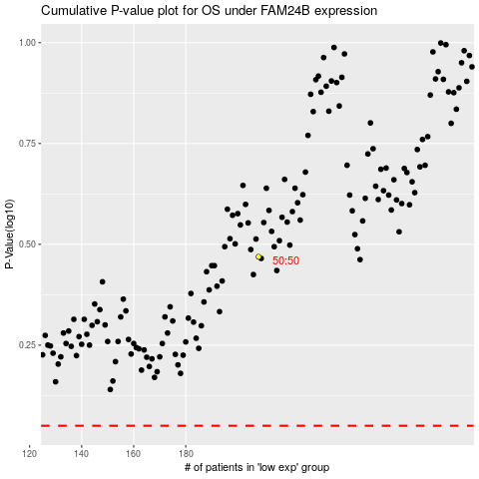

 |  |  |  |  |  | cases_OS | p_OS | rank | exp
 |  |  |  |  |  |  | cases_RFS | p_RFS | rank | exp

