FAM25B _multivariate
Reported by Tex Li-Hsing Chi. tex@gate.sinica.edu.tw 2019-08-20

Table 2. The clinicopathological features of HNSCC cohort and FAM25B expression. (Chi square test)
Cutoff at -0.269 (53.6%)
 |  | FAM25B expression |  | FAM25B expression |  | (Optimised)
 | Features | Low | (%) | High | (%) | Case no | P-value | Remark | Matthews
Gender | Female | 175 | 42.2 | 131 | 31.6 | 415 | 0.0156 | 1 | 0
2 | Male | 47 | 11.3 | 62 | 14.9
Age at diagnosis | <=65y | 144 | 34.7 | 130 | 31.3 | 415 | 0.6666 | 0 | 0
4 | >65y | 78 | 18.8 | 63 | 15.2
Clinical T Status | T1+T2 | 86 | 20.7 | 63 | 15.2 | 415 | 0.2346 | 0 | 0
6 | T3+T4 | 136 | 32.8 | 130 | 31.3
Clinical N Status | N0 | 108 | 26 | 108 | 26 | 415 | 0.1651 | 0 | 0
8 | N1-3 | 114 | 27.5 | 85 | 20.5
Clinical M Status | M0 | 221 | 53.3 | 191 | 46 | 415 | 0.5997 | 0 | 0
10 | M1 | 1 | 0.2 | 2 | 0.5
Clinical Stage | Stage I+II | 54 | 13 | 48 | 11.6 | 415 | 0.9884 | 0 | 0
12 | Stage III+IV | 168 | 40.5 | 145 | 34.9
Surgical Margin status | Negative | 164 | 39.5 | 154 | 37.1 | 415 | 0.1645 | 0 | 0
14 | Positive | 58 | 14 | 39 | 9.4
Tobacco Exposure | Low | 76 | 18.3 | 85 | 20.5 | 415 | 0.0439 | 1 | 0
16 | High | 146 | 35.2 | 108 | 26

Table 3. Univariate/Multivariate Cox's proportional hazards regression analyses on OS time of FAM25B gene expression in HNSCC

 |  | Univariate |  |  |  | Multivariate
 | Features | HR | CI95%(L) | CI95%(H) | P-value | HR | CI95%(L) | CI95%(H) | P-value
1 | Female | 1 |  |  |  | 1
Gender | Male | 1.157 | 0.843 | 1.587 | 0.367 | 1.29 | 0.92 | 1.811 | 0.14
11 | <=65y | 1 |  |  |  | 1
Age at diagnosis | >65y | 1.329 | 0.99 | 1.784 | 0.058 | 1.362 | 1 | 1.854 | 0.05
12 | T1+T2 | 1 |  |  |  | 1
Clinical T Status | T3+T4 | 1.409 | 1.028 | 1.931 | 0.033 | 2.435 | 1.284 | 4.619 | 0.006
13 | N0 | 1 |  |  |  | 1
Clinical N Status | N1-3 | 1.185 | 0.89 | 1.577 | 0.246 | 1.235 | 0.864 | 1.766 | 0.247
14 | M0 | 1 |  |  |  | 1
Clinical M Status | M1 | 4.097 | 1.009 | 16.644 | 0.049 | 12.113 | 2.612 | 56.168 | 0.001
15 | Stage I+II | 1 |  |  |  | 1
Clinical Stage | Stage III+IV | 1.245 | 0.882 | 1.759 | 0.213 | 0.467 | 0.217 | 1.004 | 0.051
16 | Negative | 1 |  |  |  | 1
Surgical Margin status | Positive | 1.591 | 1.155 | 2.191 | 0.004 | 1.665 | 1.204 | 2.301 | 0.002
17 | Low | 1 |  |  |  | 1
Tobacco Exposure | High | 1.364 | 1.008 | 1.844 | 0.044 | 1.4 | 1.014 | 1.933 | 0.041
18 | Low | 1 |  |  |  | 1
RNAseq(z-score) | High | 0.691 | 0.515 | 0.927 | 0.014 | 0.65 | 0.481 | 0.88 | 0.005

Table 4. Univariate/Multivariate Cox's proportional hazards regression analyses on RFS time of FAM25B gene expression in HNSCC

 |  | Univariate |  |  |  | Multivariate
 | Features | HR | CI95%(L) | CI95%(H) | P-value | HR | CI95%(L) | CI95%(H) | P-value
1 | Female | 1 |  |  |  | 1
Gender | Male | 1.157 | 0.843 | 1.587 | 0.367 | 1.29 | 0.92 | 1.811 | 0.14
11 | <=65y | 1 |  |  |  | 1
Age at diagnosis | >65y | 1.329 | 0.99 | 1.784 | 0.058 | 1.362 | 1 | 1.854 | 0.05
12 | T1+T2 | 1 |  |  |  | 1
Clinical T Status | T3+T4 | 1.409 | 1.028 | 1.931 | 0.033 | 2.435 | 1.284 | 4.619 | 0.006
13 | N0 | 1 |  |  |  | 1
Clinical N Status | N1-3 | 1.185 | 0.89 | 1.577 | 0.246 | 1.235 | 0.864 | 1.766 | 0.247
14 | M0 | 1 |  |  |  | 1
Clinical M Status | M1 | 4.097 | 1.009 | 16.644 | 0.049 | 12.113 | 2.612 | 56.168 | 0.001
15 | Stage I+II | 1 |  |  |  | 1
Clinical Stage | Stage III+IV | 1.245 | 0.882 | 1.759 | 0.213 | 0.467 | 0.217 | 1.004 | 0.051
16 | Negative | 1 |  |  |  | 1
Surgical Margin status | Positive | 1.591 | 1.155 | 2.191 | 0.004 | 1.665 | 1.204 | 2.301 | 0.002
17 | Low | 1 |  |  |  | 1
Tobacco Exposure | High | 1.364 | 1.008 | 1.844 | 0.044 | 1.4 | 1.014 | 1.933 | 0.041
18 | Low | 1 |  |  |  | 1
RNAseq(z-score) | High | 0.691 | 0.515 | 0.927 | 0.014 | 0.65 | 0.481 | 0.88 | 0.005

Kaplan-Meier survival estimate: Cutoff at -0.269 (53.6%)

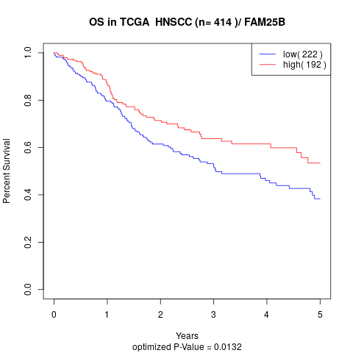

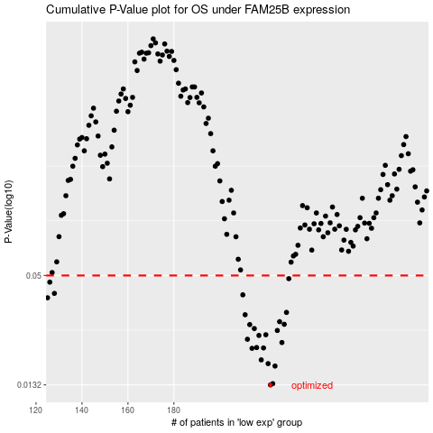

 |  |  |  |  |  | cases_OS | p_OS | rank | exp
 |  |  |  |  |  | 222 | 0.0132 | 291 | -0.26948950945
 |  |  |  |  |  | 223 | 0.0134 | 324 | -0.26824527172
 |  |  |  |  |  | 224 | 0.0166 | 232 | -0.26805658903
 |  |  |  |  |  | 221 | 0.0171 | 236 | -0.27247194195
 |  |  |  |  |  | 218 | 0.0179 | 294 | -0.27503636517
 |  |  |  |  |  | 214 | 0.0206 | 149 | -0.27939179057
 |  |  |  |  |  | 219 | 0.0207 | 316 | -0.27492363022
 |  |  |  |  |  | 216 | 0.0208 | 36 | -0.27619575502
 |  |  |  |  |  | 227 | 0.0221 | 84 | -0.26664710561
 |  |  |  |  |  | 212 | 0.023 | 334 | -0.28065471857
 |  |  |  |  |  | 217 | 0.0241 | 302 | -0.27545823118
 |  |  |  |  |  | 220 | 0.0243 | 261 | -0.2730902041
 |  |  |  |  |  | 225 | 0.0256 | 307 | -0.26781242888
 |  |  |  |  |  | 215 | 0.0262 | 107 | -0.2784047665
 |  |  |  |  |  | 213 | 0.0275 | 123 | -0.28011448087
 |  |  |  |  |  | 228 | 0.0276 | 382 | -0.26641362561
 |  |  |  |  |  | 226 | 0.0285 | 185 | -0.26672097666
 |  |  |  |  |  | 211 | 0.031 | 12 | -0.28130205446
 |  |  |  |  |  | 229 | 0.0319 | 183 | -0.26587783798
 |  |  |  |  |  | 125 | 0.0381 | 337 | -0.32947399098
 |  |  |  |  |  | 210 | 0.0395 | 86 | -0.28148777044
 |  |  |  |  |  | 128 | 0.0402 | 63 | -0.32853206089
 |  |  |  |  |  | 126 | 0.0461 | 346 | -0.32927996821
 |  |  |  |  |  | 230 | 0.0481 | 59 | -0.26475998205
 |  |  |  |  |  |  | cases_RFS | p_RFS | rank | exp
 |  |  |  |  |  |  | 221 | 0.0132 | 236 | -0.27247194195
 |  |  |  |  |  |  | 222 | 0.0134 | 291 | -0.26948950945
 |  |  |  |  |  |  | 223 | 0.0166 | 324 | -0.26824527172
 |  |  |  |  |  |  | 220 | 0.0171 | 261 | -0.2730902041
 |  |  |  |  |  |  | 217 | 0.0179 | 302 | -0.27545823118
 |  |  |  |  |  |  | 213 | 0.0206 | 123 | -0.28011448087
 |  |  |  |  |  |  | 218 | 0.0207 | 294 | -0.27503636517
 |  |  |  |  |  |  | 215 | 0.0208 | 107 | -0.2784047665
 |  |  |  |  |  |  | 226 | 0.0221 | 185 | -0.26672097666
 |  |  |  |  |  |  | 211 | 0.023 | 12 | -0.28130205446
 |  |  |  |  |  |  | 216 | 0.0241 | 36 | -0.27619575502
 |  |  |  |  |  |  | 219 | 0.0243 | 316 | -0.27492363022
 |  |  |  |  |  |  | 224 | 0.0256 | 232 | -0.26805658903
 |  |  |  |  |  |  | 214 | 0.0262 | 149 | -0.27939179057
 |  |  |  |  |  |  | 212 | 0.0275 | 334 | -0.28065471857
 |  |  |  |  |  |  | 227 | 0.0276 | 84 | -0.26664710561
 |  |  |  |  |  |  | 225 | 0.0285 | 307 | -0.26781242888
 |  |  |  |  |  |  | 210 | 0.031 | 86 | -0.28148777044
 |  |  |  |  |  |  | 228 | 0.0319 | 382 | -0.26641362561
 |  |  |  |  |  |  |  | 0.0381 | 367 | -0.33022664504
 |  |  |  |  |  |  | 209 | 0.0395 | 159 | -0.28276909203
 |  |  |  |  |  |  | 127 | 0.0402 | 92 | -0.32860682195
 |  |  |  |  |  |  | 125 | 0.0461 | 337 | -0.32947399098
 |  |  |  |  |  |  | 229 | 0.0481 | 183 | -0.26587783798

