FAM26E _multivariate
Reported by Tex Li-Hsing Chi. tex@gate.sinica.edu.tw 2019-08-20

Table 2. The clinicopathological features of HNSCC cohort and FAM26E expression. (Chi square test)
Cutoff at -0.269 (49.8%)
 |  | FAM26E expression |  | FAM26E expression |  | (Optimised)
 | Features | Low | (%) | High | (%) | Case no | P-value | Remark | Matthews
Gender | Female | 158 | 38.1 | 148 | 35.7 | 415 | 0.2774 | 0 | 0
2 | Male | 49 | 11.8 | 60 | 14.5
Age at diagnosis | <=65y | 139 | 33.5 | 135 | 32.5 | 415 | 0.7044 | 0 | 0
4 | >65y | 68 | 16.4 | 73 | 17.6
Clinical T Status | T1+T2 | 71 | 17.1 | 78 | 18.8 | 415 | 0.5638 | 0 | 0
6 | T3+T4 | 136 | 32.8 | 130 | 31.3
Clinical N Status | N0 | 109 | 26.3 | 107 | 25.8 | 415 | 0.8812 | 0 | 0
8 | N1-3 | 98 | 23.6 | 101 | 24.3
Clinical M Status | M0 | 206 | 49.6 | 206 | 49.6 | 415 | 1 | 0 | 0
10 | M1 | 1 | 0.2 | 2 | 0.5
Clinical Stage | Stage I+II | 43 | 10.4 | 59 | 14.2 | 415 | 0.0925 | 0 | 0
12 | Stage III+IV | 164 | 39.5 | 149 | 35.9
Surgical Margin status | Negative | 158 | 38.1 | 160 | 38.6 | 415 | 0.9081 | 0 | 0
14 | Positive | 49 | 11.8 | 48 | 11.6
Tobacco Exposure | Low | 80 | 19.3 | 81 | 19.5 | 415 | 1 | 0 | 0
16 | High | 127 | 30.6 | 127 | 30.6

Table 3. Univariate/Multivariate Cox's proportional hazards regression analyses on OS time of FAM26E gene expression in HNSCC

 |  | Univariate |  |  |  | Multivariate
 | Features | HR | CI95%(L) | CI95%(H) | P-value | HR | CI95%(L) | CI95%(H) | P-value
1 | Female | 1 |  |  |  | 1
Gender | Male | 1.157 | 0.843 | 1.587 | 0.367 | 1.203 | 0.861 | 1.681 | 0.279
11 | <=65y | 1 |  |  |  | 1
Age at diagnosis | >65y | 1.329 | 0.99 | 1.784 | 0.058 | 1.392 | 1.024 | 1.891 | 0.035
12 | T1+T2 | 1 |  |  |  | 1
Clinical T Status | T3+T4 | 1.409 | 1.028 | 1.931 | 0.033 | 2.217 | 1.172 | 4.196 | 0.014
13 | N0 | 1 |  |  |  | 1
Clinical N Status | N1-3 | 1.185 | 0.89 | 1.577 | 0.246 | 1.247 | 0.873 | 1.781 | 0.224
14 | M0 | 1 |  |  |  | 1
Clinical M Status | M1 | 4.097 | 1.009 | 16.644 | 0.049 | 9.628 | 2.092 | 44.308 | 0.004
15 | Stage I+II | 1 |  |  |  | 1
Clinical Stage | Stage III+IV | 1.245 | 0.882 | 1.759 | 0.213 | 0.496 | 0.23 | 1.069 | 0.074
16 | Negative | 1 |  |  |  | 1
Surgical Margin status | Positive | 1.591 | 1.155 | 2.191 | 0.004 | 1.667 | 1.206 | 2.304 | 0.002
17 | Low | 1 |  |  |  | 1
Tobacco Exposure | High | 1.364 | 1.008 | 1.844 | 0.044 | 1.448 | 1.05 | 1.995 | 0.024
18 | Low | 1 |  |  |  | 1
RNAseq(z-score) | High | 0.938 | 0.705 | 1.249 | 0.663 | 0.941 | 0.704 | 1.257 | 0.678

Table 4. Univariate/Multivariate Cox's proportional hazards regression analyses on RFS time of FAM26E gene expression in HNSCC

 |  | Univariate |  |  |  | Multivariate
 | Features | HR | CI95%(L) | CI95%(H) | P-value | HR | CI95%(L) | CI95%(H) | P-value
1 | Female | 1 |  |  |  | 1
Gender | Male | 1.157 | 0.843 | 1.587 | 0.367 | 1.203 | 0.861 | 1.681 | 0.279
11 | <=65y | 1 |  |  |  | 1
Age at diagnosis | >65y | 1.329 | 0.99 | 1.784 | 0.058 | 1.392 | 1.024 | 1.891 | 0.035
12 | T1+T2 | 1 |  |  |  | 1
Clinical T Status | T3+T4 | 1.409 | 1.028 | 1.931 | 0.033 | 2.217 | 1.172 | 4.196 | 0.014
13 | N0 | 1 |  |  |  | 1
Clinical N Status | N1-3 | 1.185 | 0.89 | 1.577 | 0.246 | 1.247 | 0.873 | 1.781 | 0.224
14 | M0 | 1 |  |  |  | 1
Clinical M Status | M1 | 4.097 | 1.009 | 16.644 | 0.049 | 9.628 | 2.092 | 44.308 | 0.004
15 | Stage I+II | 1 |  |  |  | 1
Clinical Stage | Stage III+IV | 1.245 | 0.882 | 1.759 | 0.213 | 0.496 | 0.23 | 1.069 | 0.074
16 | Negative | 1 |  |  |  | 1
Surgical Margin status | Positive | 1.591 | 1.155 | 2.191 | 0.004 | 1.667 | 1.206 | 2.304 | 0.002
17 | Low | 1 |  |  |  | 1
Tobacco Exposure | High | 1.364 | 1.008 | 1.844 | 0.044 | 1.448 | 1.05 | 1.995 | 0.024
18 | Low | 1 |  |  |  | 1
RNAseq(z-score) | High | 0.938 | 0.705 | 1.249 | 0.663 | 0.941 | 0.704 | 1.257 | 0.678

Kaplan-Meier survival estimate: Cutoff at -0.269 (49.8%)



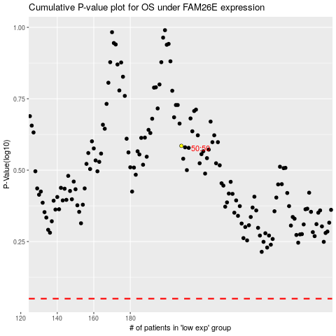

 |  |  |  |  |  | cases_OS | p_OS | rank | exp
 |  |  |  |  |  |  | cases_RFS | p_RFS | rank | exp

