FAM26F _multivariate
Reported by Tex Li-Hsing Chi. tex@gate.sinica.edu.tw 2019-08-20

Table 2. The clinicopathological features of HNSCC cohort and FAM26F expression. (Chi square test)
Cutoff at -0.344 (49.8%)
 |  | FAM26F expression |  | FAM26F expression |  | (Optimised)
 | Features | Low | (%) | High | (%) | Case no | P-value | Remark | Matthews
Gender | Female | 156 | 37.6 | 150 | 36.1 | 415 | 0.5222 | 0 | 0
2 | Male | 51 | 12.3 | 58 | 14
Age at diagnosis | <=65y | 148 | 35.7 | 126 | 30.4 | 415 | 0.0248 | 1 | 0
4 | >65y | 59 | 14.2 | 82 | 19.8
Clinical T Status | T1+T2 | 62 | 14.9 | 87 | 21 | 415 | 0.0156 | 1 | 0
6 | T3+T4 | 145 | 34.9 | 121 | 29.2
Clinical N Status | N0 | 117 | 28.2 | 99 | 23.9 | 415 | 0.0852 | 1 | 0
8 | N1-3 | 90 | 21.7 | 109 | 26.3
Clinical M Status | M0 | 207 | 49.9 | 205 | 49.4 | 415 | 0.2482 | 0 | 0
10 | M1 | 0 | 0 | 3 | 0.7
Clinical Stage | Stage I+II | 45 | 10.8 | 57 | 13.7 | 415 | 0.2202 | 0 | 0
12 | Stage III+IV | 162 | 39 | 151 | 36.4
Surgical Margin status | Negative | 160 | 38.6 | 158 | 38.1 | 415 | 0.8167 | 0 | 0
14 | Positive | 47 | 11.3 | 50 | 12
Tobacco Exposure | Low | 64 | 15.4 | 97 | 23.4 | 415 | 0.0012 | 1 | 0
16 | High | 143 | 34.5 | 111 | 26.7

Table 3. Univariate/Multivariate Cox's proportional hazards regression analyses on OS time of FAM26F gene expression in HNSCC

 |  | Univariate |  |  |  | Multivariate
 | Features | HR | CI95%(L) | CI95%(H) | P-value | HR | CI95%(L) | CI95%(H) | P-value
1 | Female | 1 |  |  |  | 1
Gender | Male | 1.157 | 0.843 | 1.587 | 0.367 | 1.201 | 0.86 | 1.679 | 0.282
11 | <=65y | 1 |  |  |  | 1
Age at diagnosis | >65y | 1.329 | 0.99 | 1.784 | 0.058 | 1.407 | 1.033 | 1.916 | 0.03
12 | T1+T2 | 1 |  |  |  | 1
Clinical T Status | T3+T4 | 1.409 | 1.028 | 1.931 | 0.033 | 2.2 | 1.164 | 4.16 | 0.015
13 | N0 | 1 |  |  |  | 1
Clinical N Status | N1-3 | 1.185 | 0.89 | 1.577 | 0.246 | 1.26 | 0.88 | 1.803 | 0.207
14 | M0 | 1 |  |  |  | 1
Clinical M Status | M1 | 4.097 | 1.009 | 16.644 | 0.049 | 9.869 | 2.136 | 45.595 | 0.003
15 | Stage I+II | 1 |  |  |  | 1
Clinical Stage | Stage III+IV | 1.245 | 0.882 | 1.759 | 0.213 | 0.494 | 0.229 | 1.063 | 0.071
16 | Negative | 1 |  |  |  | 1
Surgical Margin status | Positive | 1.591 | 1.155 | 2.191 | 0.004 | 1.684 | 1.218 | 2.329 | 0.002
17 | Low | 1 |  |  |  | 1
Tobacco Exposure | High | 1.364 | 1.008 | 1.844 | 0.044 | 1.432 | 1.035 | 1.98 | 0.03
18 | Low | 1 |  |  |  | 1
RNAseq(z-score) | High | 0.927 | 0.696 | 1.235 | 0.605 | 0.908 | 0.672 | 1.227 | 0.531

Table 4. Univariate/Multivariate Cox's proportional hazards regression analyses on RFS time of FAM26F gene expression in HNSCC

 |  | Univariate |  |  |  | Multivariate
 | Features | HR | CI95%(L) | CI95%(H) | P-value | HR | CI95%(L) | CI95%(H) | P-value
1 | Female | 1 |  |  |  | 1
Gender | Male | 1.157 | 0.843 | 1.587 | 0.367 | 1.201 | 0.86 | 1.679 | 0.282
11 | <=65y | 1 |  |  |  | 1
Age at diagnosis | >65y | 1.329 | 0.99 | 1.784 | 0.058 | 1.407 | 1.033 | 1.916 | 0.03
12 | T1+T2 | 1 |  |  |  | 1
Clinical T Status | T3+T4 | 1.409 | 1.028 | 1.931 | 0.033 | 2.2 | 1.164 | 4.16 | 0.015
13 | N0 | 1 |  |  |  | 1
Clinical N Status | N1-3 | 1.185 | 0.89 | 1.577 | 0.246 | 1.26 | 0.88 | 1.803 | 0.207
14 | M0 | 1 |  |  |  | 1
Clinical M Status | M1 | 4.097 | 1.009 | 16.644 | 0.049 | 9.869 | 2.136 | 45.595 | 0.003
15 | Stage I+II | 1 |  |  |  | 1
Clinical Stage | Stage III+IV | 1.245 | 0.882 | 1.759 | 0.213 | 0.494 | 0.229 | 1.063 | 0.071
16 | Negative | 1 |  |  |  | 1
Surgical Margin status | Positive | 1.591 | 1.155 | 2.191 | 0.004 | 1.684 | 1.218 | 2.329 | 0.002
17 | Low | 1 |  |  |  | 1
Tobacco Exposure | High | 1.364 | 1.008 | 1.844 | 0.044 | 1.432 | 1.035 | 1.98 | 0.03
18 | Low | 1 |  |  |  | 1
RNAseq(z-score) | High | 0.927 | 0.696 | 1.235 | 0.605 | 0.908 | 0.672 | 1.227 | 0.531

Kaplan-Meier survival estimate: Cutoff at -0.344 (49.8%)



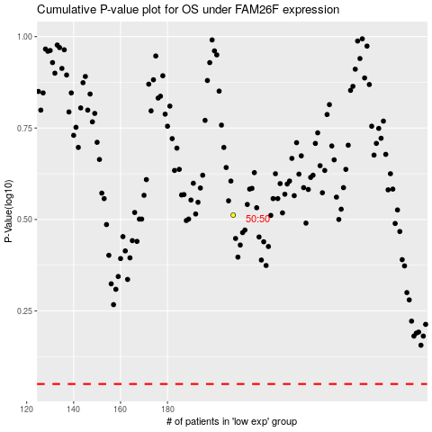

 |  |  |  |  |  | cases_OS | p_OS | rank | exp
 |  |  |  |  |  |  | cases_RFS | p_RFS | rank | exp

