FAM27A _multivariate
Reported by Tex Li-Hsing Chi. tex@gate.sinica.edu.tw 2019-08-20

Table 2. The clinicopathological features of HNSCC cohort and FAM27A expression. (Chi square test)
Cutoff at -0.236 (49.8%)
 |  | FAM27A expression |  | FAM27A expression |  | (Optimised)
 | Features | Low | (%) | High | (%) | Case no | P-value | Remark | Matthews
Gender | Female | 144 | 34.7 | 162 | 39 | 415 | 0.0697 | 0 | 0
2 | Male | 63 | 15.2 | 46 | 11.1
Age at diagnosis | <=65y | 138 | 33.3 | 136 | 32.8 | 415 | 0.8634 | 0 | 0
4 | >65y | 69 | 16.6 | 72 | 17.3
Clinical T Status | T1+T2 | 75 | 18.1 | 74 | 17.8 | 415 | 0.9707 | 0 | 0
6 | T3+T4 | 132 | 31.8 | 134 | 32.3
Clinical N Status | N0 | 115 | 27.7 | 101 | 24.3 | 415 | 0.184 | 1 | 0
8 | N1-3 | 92 | 22.2 | 107 | 25.8
Clinical M Status | M0 | 204 | 49.2 | 208 | 50.1 | 415 | 0.1232 | 0 | 0
10 | M1 | 3 | 0.7 | 0 | 0
Clinical Stage | Stage I+II | 52 | 12.5 | 50 | 12 | 415 | 0.8871 | 0 | 0
12 | Stage III+IV | 155 | 37.3 | 158 | 38.1
Surgical Margin status | Negative | 161 | 38.8 | 157 | 37.8 | 415 | 0.6429 | 0 | 0
14 | Positive | 46 | 11.1 | 51 | 12.3
Tobacco Exposure | Low | 84 | 20.2 | 77 | 18.6 | 415 | 0.4816 | 0 | 0
16 | High | 123 | 29.6 | 131 | 31.6

Table 3. Univariate/Multivariate Cox's proportional hazards regression analyses on OS time of FAM27A gene expression in HNSCC

 |  | Univariate |  |  |  | Multivariate
 | Features | HR | CI95%(L) | CI95%(H) | P-value | HR | CI95%(L) | CI95%(H) | P-value
1 | Female | 1 |  |  |  | 1
Gender | Male | 1.157 | 0.843 | 1.587 | 0.367 | 1.202 | 0.861 | 1.68 | 0.28
11 | <=65y | 1 |  |  |  | 1
Age at diagnosis | >65y | 1.329 | 0.99 | 1.784 | 0.058 | 1.39 | 1.022 | 1.891 | 0.036
12 | T1+T2 | 1 |  |  |  | 1
Clinical T Status | T3+T4 | 1.409 | 1.028 | 1.931 | 0.033 | 2.203 | 1.165 | 4.165 | 0.015
13 | N0 | 1 |  |  |  | 1
Clinical N Status | N1-3 | 1.185 | 0.89 | 1.577 | 0.246 | 1.238 | 0.864 | 1.773 | 0.244
14 | M0 | 1 |  |  |  | 1
Clinical M Status | M1 | 4.097 | 1.009 | 16.644 | 0.049 | 9.481 | 2.048 | 43.884 | 0.004
15 | Stage I+II | 1 |  |  |  | 1
Clinical Stage | Stage III+IV | 1.245 | 0.882 | 1.759 | 0.213 | 0.505 | 0.235 | 1.085 | 0.08
16 | Negative | 1 |  |  |  | 1
Surgical Margin status | Positive | 1.591 | 1.155 | 2.191 | 0.004 | 1.67 | 1.209 | 2.309 | 0.002
17 | Low | 1 |  |  |  | 1
Tobacco Exposure | High | 1.364 | 1.008 | 1.844 | 0.044 | 1.453 | 1.055 | 2.002 | 0.022
18 | Low | 1 |  |  |  | 1
RNAseq(z-score) | High | 1.027 | 0.771 | 1.369 | 0.855 | 1.014 | 0.756 | 1.358 | 0.928

Table 4. Univariate/Multivariate Cox's proportional hazards regression analyses on RFS time of FAM27A gene expression in HNSCC

 |  | Univariate |  |  |  | Multivariate
 | Features | HR | CI95%(L) | CI95%(H) | P-value | HR | CI95%(L) | CI95%(H) | P-value
1 | Female | 1 |  |  |  | 1
Gender | Male | 1.157 | 0.843 | 1.587 | 0.367 | 1.202 | 0.861 | 1.68 | 0.28
11 | <=65y | 1 |  |  |  | 1
Age at diagnosis | >65y | 1.329 | 0.99 | 1.784 | 0.058 | 1.39 | 1.022 | 1.891 | 0.036
12 | T1+T2 | 1 |  |  |  | 1
Clinical T Status | T3+T4 | 1.409 | 1.028 | 1.931 | 0.033 | 2.203 | 1.165 | 4.165 | 0.015
13 | N0 | 1 |  |  |  | 1
Clinical N Status | N1-3 | 1.185 | 0.89 | 1.577 | 0.246 | 1.238 | 0.864 | 1.773 | 0.244
14 | M0 | 1 |  |  |  | 1
Clinical M Status | M1 | 4.097 | 1.009 | 16.644 | 0.049 | 9.481 | 2.048 | 43.884 | 0.004
15 | Stage I+II | 1 |  |  |  | 1
Clinical Stage | Stage III+IV | 1.245 | 0.882 | 1.759 | 0.213 | 0.505 | 0.235 | 1.085 | 0.08
16 | Negative | 1 |  |  |  | 1
Surgical Margin status | Positive | 1.591 | 1.155 | 2.191 | 0.004 | 1.67 | 1.209 | 2.309 | 0.002
17 | Low | 1 |  |  |  | 1
Tobacco Exposure | High | 1.364 | 1.008 | 1.844 | 0.044 | 1.453 | 1.055 | 2.002 | 0.022
18 | Low | 1 |  |  |  | 1
RNAseq(z-score) | High | 1.027 | 0.771 | 1.369 | 0.855 | 1.014 | 0.756 | 1.358 | 0.928

Kaplan-Meier survival estimate: Cutoff at -0.236 (49.8%)



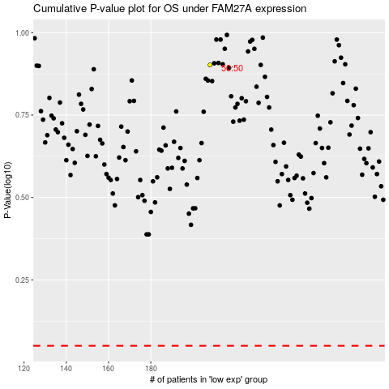

 |  |  |  |  |  | cases_OS | p_OS | rank | exp
 |  |  |  |  |  |  | cases_RFS | p_RFS | rank | exp

