FAM27C _multivariate
Reported by Tex Li-Hsing Chi. tex@gate.sinica.edu.tw 2019-08-20

Table 2. The clinicopathological features of HNSCC cohort and FAM27C expression. (Chi square test)
Cutoff at -0.215 (49.8%)
 |  | FAM27C expression |  | FAM27C expression |  | (Optimised)
 | Features | Low | (%) | High | (%) | Case no | P-value | Remark | Matthews
Gender | Female | 144 | 34.7 | 162 | 39 | 415 | 0.0697 | 0 | 0
2 | Male | 63 | 15.2 | 46 | 11.1
Age at diagnosis | <=65y | 135 | 32.5 | 139 | 33.5 | 415 | 0.8084 | 0 | 0
4 | >65y | 72 | 17.3 | 69 | 16.6
Clinical T Status | T1+T2 | 78 | 18.8 | 71 | 17.1 | 415 | 0.5152 | 0 | 0
6 | T3+T4 | 129 | 31.1 | 137 | 33
Clinical N Status | N0 | 119 | 28.7 | 97 | 23.4 | 415 | 0.0345 | 1 | 0
8 | N1-3 | 88 | 21.2 | 111 | 26.7
Clinical M Status | M0 | 204 | 49.2 | 208 | 50.1 | 415 | 0.1232 | 0 | 0
10 | M1 | 3 | 0.7 | 0 | 0
Clinical Stage | Stage I+II | 57 | 13.7 | 45 | 10.8 | 415 | 0.1998 | 0 | 0
12 | Stage III+IV | 150 | 36.1 | 163 | 39.3
Surgical Margin status | Negative | 162 | 39 | 156 | 37.6 | 415 | 0.4867 | 0 | 0
14 | Positive | 45 | 10.8 | 52 | 12.5
Tobacco Exposure | Low | 87 | 21 | 74 | 17.8 | 415 | 0.1911 | 0 | 0
16 | High | 120 | 28.9 | 134 | 32.3

Table 3. Univariate/Multivariate Cox's proportional hazards regression analyses on OS time of FAM27C gene expression in HNSCC

 |  | Univariate |  |  |  | Multivariate
 | Features | HR | CI95%(L) | CI95%(H) | P-value | HR | CI95%(L) | CI95%(H) | P-value
1 | Female | 1 |  |  |  | 1
Gender | Male | 1.157 | 0.843 | 1.587 | 0.367 | 1.192 | 0.852 | 1.668 | 0.305
11 | <=65y | 1 |  |  |  | 1
Age at diagnosis | >65y | 1.329 | 0.99 | 1.784 | 0.058 | 1.395 | 1.026 | 1.897 | 0.034
12 | T1+T2 | 1 |  |  |  | 1
Clinical T Status | T3+T4 | 1.409 | 1.028 | 1.931 | 0.033 | 2.194 | 1.16 | 4.149 | 0.016
13 | N0 | 1 |  |  |  | 1
Clinical N Status | N1-3 | 1.185 | 0.89 | 1.577 | 0.246 | 1.256 | 0.878 | 1.796 | 0.213
14 | M0 | 1 |  |  |  | 1
Clinical M Status | M1 | 4.097 | 1.009 | 16.644 | 0.049 | 8.92 | 1.923 | 41.388 | 0.005
15 | Stage I+II | 1 |  |  |  | 1
Clinical Stage | Stage III+IV | 1.245 | 0.882 | 1.759 | 0.213 | 0.508 | 0.237 | 1.092 | 0.083
16 | Negative | 1 |  |  |  | 1
Surgical Margin status | Positive | 1.591 | 1.155 | 2.191 | 0.004 | 1.67 | 1.209 | 2.307 | 0.002
17 | Low | 1 |  |  |  | 1
Tobacco Exposure | High | 1.364 | 1.008 | 1.844 | 0.044 | 1.455 | 1.056 | 2.006 | 0.022
18 | Low | 1 |  |  |  | 1
RNAseq(z-score) | High | 0.927 | 0.696 | 1.236 | 0.606 | 0.923 | 0.687 | 1.241 | 0.597

Table 4. Univariate/Multivariate Cox's proportional hazards regression analyses on RFS time of FAM27C gene expression in HNSCC

 |  | Univariate |  |  |  | Multivariate
 | Features | HR | CI95%(L) | CI95%(H) | P-value | HR | CI95%(L) | CI95%(H) | P-value
1 | Female | 1 |  |  |  | 1
Gender | Male | 1.157 | 0.843 | 1.587 | 0.367 | 1.192 | 0.852 | 1.668 | 0.305
11 | <=65y | 1 |  |  |  | 1
Age at diagnosis | >65y | 1.329 | 0.99 | 1.784 | 0.058 | 1.395 | 1.026 | 1.897 | 0.034
12 | T1+T2 | 1 |  |  |  | 1
Clinical T Status | T3+T4 | 1.409 | 1.028 | 1.931 | 0.033 | 2.194 | 1.16 | 4.149 | 0.016
13 | N0 | 1 |  |  |  | 1
Clinical N Status | N1-3 | 1.185 | 0.89 | 1.577 | 0.246 | 1.256 | 0.878 | 1.796 | 0.213
14 | M0 | 1 |  |  |  | 1
Clinical M Status | M1 | 4.097 | 1.009 | 16.644 | 0.049 | 8.92 | 1.923 | 41.388 | 0.005
15 | Stage I+II | 1 |  |  |  | 1
Clinical Stage | Stage III+IV | 1.245 | 0.882 | 1.759 | 0.213 | 0.508 | 0.237 | 1.092 | 0.083
16 | Negative | 1 |  |  |  | 1
Surgical Margin status | Positive | 1.591 | 1.155 | 2.191 | 0.004 | 1.67 | 1.209 | 2.307 | 0.002
17 | Low | 1 |  |  |  | 1
Tobacco Exposure | High | 1.364 | 1.008 | 1.844 | 0.044 | 1.455 | 1.056 | 2.006 | 0.022
18 | Low | 1 |  |  |  | 1
RNAseq(z-score) | High | 0.927 | 0.696 | 1.236 | 0.606 | 0.923 | 0.687 | 1.241 | 0.597

Kaplan-Meier survival estimate: Cutoff at -0.215 (49.8%)



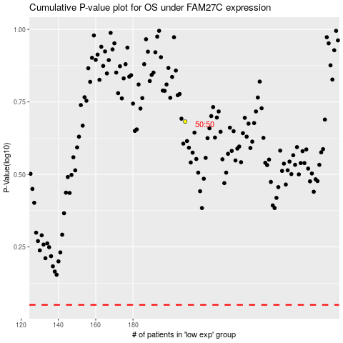

 |  |  |  |  |  | cases_OS | p_OS | rank | exp
 |  |  |  |  |  |  | cases_RFS | p_RFS | rank | exp

