FAM32A _multivariate
Reported by Tex Li-Hsing Chi. tex@gate.sinica.edu.tw 2019-08-19

Table 2. The clinicopathological features of HNSCC cohort and FAM32A expression. (Chi square test)
Cutoff at -0.24 (50.0%)
 |  | FAM32A expression |  | FAM32A expression |  | (Optimised)
 | Features | Low | (%) | High | (%) | Case no | P-value | Remark | Matthews
Gender | Female | 148 | 35.7 | 158 | 38.1 | 415 | 0.3567 | 0 | 0
2 | Male | 59 | 14.2 | 50 | 12
Age at diagnosis | <=65y | 137 | 33 | 137 | 33 | 415 | 1 | 0 | 0
4 | >65y | 70 | 16.9 | 71 | 17.1
Clinical T Status | T1+T2 | 72 | 17.3 | 77 | 18.6 | 415 | 0.7095 | 0 | 0
6 | T3+T4 | 135 | 32.5 | 131 | 31.6
Clinical N Status | N0 | 103 | 24.8 | 113 | 27.2 | 415 | 0.4047 | 0 | 0
8 | N1-3 | 104 | 25.1 | 95 | 22.9
Clinical M Status | M0 | 206 | 49.6 | 206 | 49.6 | 415 | 1 | 0 | 0
10 | M1 | 1 | 0.2 | 2 | 0.5
Clinical Stage | Stage I+II | 45 | 10.8 | 57 | 13.7 | 415 | 0.2202 | 0 | 0
12 | Stage III+IV | 162 | 39 | 151 | 36.4
Surgical Margin status | Negative | 164 | 39.5 | 154 | 37.1 | 415 | 0.2462 | 0 | 0
14 | Positive | 43 | 10.4 | 54 | 13
Tobacco Exposure | Low | 84 | 20.2 | 77 | 18.6 | 415 | 0.4816 | 0 | 0
16 | High | 123 | 29.6 | 131 | 31.6

Table 3. Univariate/Multivariate Cox's proportional hazards regression analyses on OS time of FAM32A gene expression in HNSCC

 |  | Univariate |  |  |  | Multivariate
 | Features | HR | CI95%(L) | CI95%(H) | P-value | HR | CI95%(L) | CI95%(H) | P-value
1 | Female | 1 |  |  |  | 1
Gender | Male | 1.157 | 0.843 | 1.587 | 0.367 | 1.2 | 0.86 | 1.676 | 0.284
11 | <=65y | 1 |  |  |  | 1
Age at diagnosis | >65y | 1.329 | 0.99 | 1.784 | 0.058 | 1.395 | 1.026 | 1.897 | 0.034
12 | T1+T2 | 1 |  |  |  | 1
Clinical T Status | T3+T4 | 1.409 | 1.028 | 1.931 | 0.033 | 2.215 | 1.17 | 4.191 | 0.015
13 | N0 | 1 |  |  |  | 1
Clinical N Status | N1-3 | 1.185 | 0.89 | 1.577 | 0.246 | 1.242 | 0.871 | 1.773 | 0.232
14 | M0 | 1 |  |  |  | 1
Clinical M Status | M1 | 4.097 | 1.009 | 16.644 | 0.049 | 9.608 | 2.086 | 44.254 | 0.004
15 | Stage I+II | 1 |  |  |  | 1
Clinical Stage | Stage III+IV | 1.245 | 0.882 | 1.759 | 0.213 | 0.5 | 0.233 | 1.075 | 0.076
16 | Negative | 1 |  |  |  | 1
Surgical Margin status | Positive | 1.591 | 1.155 | 2.191 | 0.004 | 1.681 | 1.215 | 2.327 | 0.002
17 | Low | 1 |  |  |  | 1
Tobacco Exposure | High | 1.364 | 1.008 | 1.844 | 0.044 | 1.459 | 1.058 | 2.011 | 0.021
18 | Low | 1 |  |  |  | 1
RNAseq(z-score) | High | 1.052 | 0.79 | 1.4 | 0.73 | 0.951 | 0.712 | 1.27 | 0.733

Table 4. Univariate/Multivariate Cox's proportional hazards regression analyses on RFS time of FAM32A gene expression in HNSCC

 |  | Univariate |  |  |  | Multivariate
 | Features | HR | CI95%(L) | CI95%(H) | P-value | HR | CI95%(L) | CI95%(H) | P-value
1 | Female | 1 |  |  |  | 1
Gender | Male | 1.157 | 0.843 | 1.587 | 0.367 | 1.2 | 0.86 | 1.676 | 0.284
11 | <=65y | 1 |  |  |  | 1
Age at diagnosis | >65y | 1.329 | 0.99 | 1.784 | 0.058 | 1.395 | 1.026 | 1.897 | 0.034
12 | T1+T2 | 1 |  |  |  | 1
Clinical T Status | T3+T4 | 1.409 | 1.028 | 1.931 | 0.033 | 2.215 | 1.17 | 4.191 | 0.015
13 | N0 | 1 |  |  |  | 1
Clinical N Status | N1-3 | 1.185 | 0.89 | 1.577 | 0.246 | 1.242 | 0.871 | 1.773 | 0.232
14 | M0 | 1 |  |  |  | 1
Clinical M Status | M1 | 4.097 | 1.009 | 16.644 | 0.049 | 9.608 | 2.086 | 44.254 | 0.004
15 | Stage I+II | 1 |  |  |  | 1
Clinical Stage | Stage III+IV | 1.245 | 0.882 | 1.759 | 0.213 | 0.5 | 0.233 | 1.075 | 0.076
16 | Negative | 1 |  |  |  | 1
Surgical Margin status | Positive | 1.591 | 1.155 | 2.191 | 0.004 | 1.681 | 1.215 | 2.327 | 0.002
17 | Low | 1 |  |  |  | 1
Tobacco Exposure | High | 1.364 | 1.008 | 1.844 | 0.044 | 1.459 | 1.058 | 2.011 | 0.021
18 | Low | 1 |  |  |  | 1
RNAseq(z-score) | High | 1.052 | 0.79 | 1.4 | 0.73 | 0.951 | 0.712 | 1.27 | 0.733

Kaplan-Meier survival estimate: Cutoff at -0.24 (50.0%)



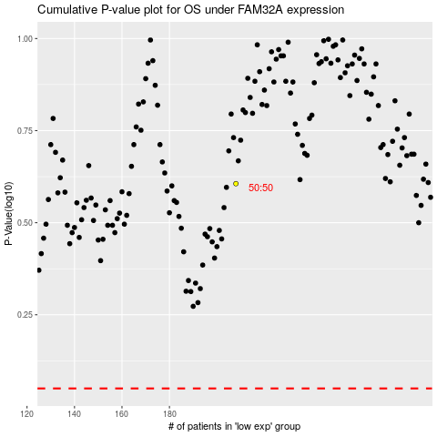

 |  |  |  |  |  | cases_OS | p_OS | rank | exp
 |  |  |  |  |  |  | cases_RFS | p_RFS | rank | exp

