FAM35B2 _multivariate
Reported by Tex Li-Hsing Chi. tex@gate.sinica.edu.tw 2019-08-19

Table 2. The clinicopathological features of HNSCC cohort and FAM35B2 expression. (Chi square test)
Cutoff at -0.073 (49.8%)
 |  | FAM35B2 expression |  | FAM35B2 expression |  | (Optimised)
 | Features | Low | (%) | High | (%) | Case no | P-value | Remark | Matthews
Gender | Female | 150 | 36.1 | 156 | 37.6 | 415 | 0.6344 | 0 | 0
2 | Male | 57 | 13.7 | 52 | 12.5
Age at diagnosis | <=65y | 132 | 31.8 | 142 | 34.2 | 415 | 0.3874 | 0 | 0
4 | >65y | 75 | 18.1 | 66 | 15.9
Clinical T Status | T1+T2 | 74 | 17.8 | 75 | 18.1 | 415 | 1 | 0 | 0
6 | T3+T4 | 133 | 32 | 133 | 32
Clinical N Status | N0 | 119 | 28.7 | 97 | 23.4 | 415 | 0.0345 | 1 | 0
8 | N1-3 | 88 | 21.2 | 111 | 26.7
Clinical M Status | M0 | 205 | 49.4 | 207 | 49.9 | 415 | 0.6232 | 0 | 0
10 | M1 | 2 | 0.5 | 1 | 0.2
Clinical Stage | Stage I+II | 52 | 12.5 | 50 | 12 | 415 | 0.8871 | 0 | 0
12 | Stage III+IV | 155 | 37.3 | 158 | 38.1
Surgical Margin status | Negative | 163 | 39.3 | 155 | 37.3 | 415 | 0.3537 | 0 | 0
14 | Positive | 44 | 10.6 | 53 | 12.8
Tobacco Exposure | Low | 92 | 22.2 | 69 | 16.6 | 415 | 0.0206 | 1 | 0
16 | High | 115 | 27.7 | 139 | 33.5

Table 3. Univariate/Multivariate Cox's proportional hazards regression analyses on OS time of FAM35B2 gene expression in HNSCC

 |  | Univariate |  |  |  | Multivariate
 | Features | HR | CI95%(L) | CI95%(H) | P-value | HR | CI95%(L) | CI95%(H) | P-value
1 | Female | 1 |  |  |  | 1
Gender | Male | 1.157 | 0.843 | 1.587 | 0.367 | 1.183 | 0.845 | 1.655 | 0.327
11 | <=65y | 1 |  |  |  | 1
Age at diagnosis | >65y | 1.329 | 0.99 | 1.784 | 0.058 | 1.388 | 1.022 | 1.885 | 0.036
12 | T1+T2 | 1 |  |  |  | 1
Clinical T Status | T3+T4 | 1.409 | 1.028 | 1.931 | 0.033 | 2.196 | 1.161 | 4.152 | 0.016
13 | N0 | 1 |  |  |  | 1
Clinical N Status | N1-3 | 1.185 | 0.89 | 1.577 | 0.246 | 1.277 | 0.893 | 1.825 | 0.18
14 | M0 | 1 |  |  |  | 1
Clinical M Status | M1 | 4.097 | 1.009 | 16.644 | 0.049 | 8.993 | 1.96 | 41.262 | 0.005
15 | Stage I+II | 1 |  |  |  | 1
Clinical Stage | Stage III+IV | 1.245 | 0.882 | 1.759 | 0.213 | 0.498 | 0.232 | 1.069 | 0.074
16 | Negative | 1 |  |  |  | 1
Surgical Margin status | Positive | 1.591 | 1.155 | 2.191 | 0.004 | 1.682 | 1.217 | 2.324 | 0.002
17 | Low | 1 |  |  |  | 1
Tobacco Exposure | High | 1.364 | 1.008 | 1.844 | 0.044 | 1.471 | 1.067 | 2.027 | 0.018
18 | Low | 1 |  |  |  | 1
RNAseq(z-score) | High | 0.838 | 0.629 | 1.117 | 0.228 | 0.811 | 0.606 | 1.084 | 0.156

Table 4. Univariate/Multivariate Cox's proportional hazards regression analyses on RFS time of FAM35B2 gene expression in HNSCC

 |  | Univariate |  |  |  | Multivariate
 | Features | HR | CI95%(L) | CI95%(H) | P-value | HR | CI95%(L) | CI95%(H) | P-value
1 | Female | 1 |  |  |  | 1
Gender | Male | 1.157 | 0.843 | 1.587 | 0.367 | 1.183 | 0.845 | 1.655 | 0.327
11 | <=65y | 1 |  |  |  | 1
Age at diagnosis | >65y | 1.329 | 0.99 | 1.784 | 0.058 | 1.388 | 1.022 | 1.885 | 0.036
12 | T1+T2 | 1 |  |  |  | 1
Clinical T Status | T3+T4 | 1.409 | 1.028 | 1.931 | 0.033 | 2.196 | 1.161 | 4.152 | 0.016
13 | N0 | 1 |  |  |  | 1
Clinical N Status | N1-3 | 1.185 | 0.89 | 1.577 | 0.246 | 1.277 | 0.893 | 1.825 | 0.18
14 | M0 | 1 |  |  |  | 1
Clinical M Status | M1 | 4.097 | 1.009 | 16.644 | 0.049 | 8.993 | 1.96 | 41.262 | 0.005
15 | Stage I+II | 1 |  |  |  | 1
Clinical Stage | Stage III+IV | 1.245 | 0.882 | 1.759 | 0.213 | 0.498 | 0.232 | 1.069 | 0.074
16 | Negative | 1 |  |  |  | 1
Surgical Margin status | Positive | 1.591 | 1.155 | 2.191 | 0.004 | 1.682 | 1.217 | 2.324 | 0.002
17 | Low | 1 |  |  |  | 1
Tobacco Exposure | High | 1.364 | 1.008 | 1.844 | 0.044 | 1.471 | 1.067 | 2.027 | 0.018
18 | Low | 1 |  |  |  | 1
RNAseq(z-score) | High | 0.838 | 0.629 | 1.117 | 0.228 | 0.811 | 0.606 | 1.084 | 0.156

Kaplan-Meier survival estimate: Cutoff at -0.073 (49.8%)



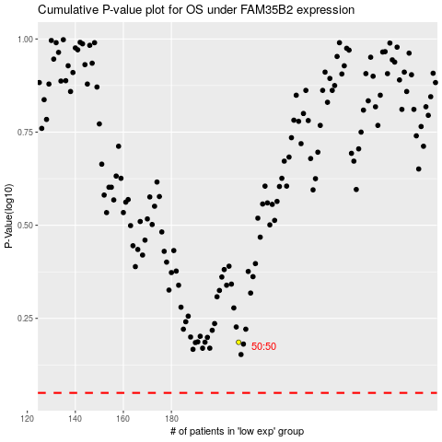

 |  |  |  |  |  | cases_OS | p_OS | rank | exp
 |  |  |  |  |  |  | cases_RFS | p_RFS | rank | exp

