FAM38A _multivariate
Reported by Tex Li-Hsing Chi. tex@gate.sinica.edu.tw 2019-08-19

Table 2. The clinicopathological features of HNSCC cohort and FAM38A expression. (Chi square test)
Cutoff at 0.345 (62.1%)
 |  | FAM38A expression |  | FAM38A expression |  | (Optimised)
 | Features | Low | (%) | High | (%) | Case no | P-value | Remark | Matthews
Gender | Female | 188 | 45.3 | 118 | 28.4 | 415 | 0.6897 | 0 | 0
2 | Male | 70 | 16.9 | 39 | 9.4
Age at diagnosis | <=65y | 169 | 40.7 | 105 | 25.3 | 415 | 0.8572 | 0 | 0
4 | >65y | 89 | 21.4 | 52 | 12.5
Clinical T Status | T1+T2 | 103 | 24.8 | 46 | 11.1 | 415 | 0.0373 | 1 | 0
6 | T3+T4 | 155 | 37.3 | 111 | 26.7
Clinical N Status | N0 | 134 | 32.3 | 82 | 19.8 | 415 | 1 | 0 | 0
8 | N1-3 | 124 | 29.9 | 75 | 18.1
Clinical M Status | M0 | 257 | 61.9 | 155 | 37.3 | 415 | 0.5599 | 0 | 0
10 | M1 | 1 | 0.2 | 2 | 0.5
Clinical Stage | Stage I+II | 67 | 16.1 | 35 | 8.4 | 415 | 0.4679 | 0 | 0
12 | Stage III+IV | 191 | 46 | 122 | 29.4
Surgical Margin status | Negative | 197 | 47.5 | 121 | 29.2 | 415 | 0.9052 | 0 | 0
14 | Positive | 61 | 14.7 | 36 | 8.7
Tobacco Exposure | Low | 95 | 22.9 | 66 | 15.9 | 415 | 0.3006 | 0 | 0
16 | High | 163 | 39.3 | 91 | 21.9

Table 3. Univariate/Multivariate Cox's proportional hazards regression analyses on OS time of FAM38A gene expression in HNSCC

 |  | Univariate |  |  |  | Multivariate
 | Features | HR | CI95%(L) | CI95%(H) | P-value | HR | CI95%(L) | CI95%(H) | P-value
1 | Female | 1 |  |  |  | 1
Gender | Male | 1.157 | 0.843 | 1.587 | 0.367 | 1.215 | 0.868 | 1.7 | 0.256
11 | <=65y | 1 |  |  |  | 1
Age at diagnosis | >65y | 1.329 | 0.99 | 1.784 | 0.058 | 1.371 | 1.007 | 1.866 | 0.045
12 | T1+T2 | 1 |  |  |  | 1
Clinical T Status | T3+T4 | 1.409 | 1.028 | 1.931 | 0.033 | 2.037 | 1.07 | 3.88 | 0.03
13 | N0 | 1 |  |  |  | 1
Clinical N Status | N1-3 | 1.185 | 0.89 | 1.577 | 0.246 | 1.237 | 0.867 | 1.764 | 0.241
14 | M0 | 1 |  |  |  | 1
Clinical M Status | M1 | 4.097 | 1.009 | 16.644 | 0.049 | 8.334 | 1.806 | 38.468 | 0.007
15 | Stage I+II | 1 |  |  |  | 1
Clinical Stage | Stage III+IV | 1.245 | 0.882 | 1.759 | 0.213 | 0.53 | 0.246 | 1.14 | 0.104
16 | Negative | 1 |  |  |  | 1
Surgical Margin status | Positive | 1.591 | 1.155 | 2.191 | 0.004 | 1.659 | 1.201 | 2.292 | 0.002
17 | Low | 1 |  |  |  | 1
Tobacco Exposure | High | 1.364 | 1.008 | 1.844 | 0.044 | 1.491 | 1.079 | 2.061 | 0.016
18 | Low | 1 |  |  |  | 1
RNAseq(z-score) | High | 1.374 | 1.027 | 1.838 | 0.032 | 1.282 | 0.952 | 1.727 | 0.101

Table 4. Univariate/Multivariate Cox's proportional hazards regression analyses on RFS time of FAM38A gene expression in HNSCC

 |  | Univariate |  |  |  | Multivariate
 | Features | HR | CI95%(L) | CI95%(H) | P-value | HR | CI95%(L) | CI95%(H) | P-value
1 | Female | 1 |  |  |  | 1
Gender | Male | 1.157 | 0.843 | 1.587 | 0.367 | 1.215 | 0.868 | 1.7 | 0.256
11 | <=65y | 1 |  |  |  | 1
Age at diagnosis | >65y | 1.329 | 0.99 | 1.784 | 0.058 | 1.371 | 1.007 | 1.866 | 0.045
12 | T1+T2 | 1 |  |  |  | 1
Clinical T Status | T3+T4 | 1.409 | 1.028 | 1.931 | 0.033 | 2.037 | 1.07 | 3.88 | 0.03
13 | N0 | 1 |  |  |  | 1
Clinical N Status | N1-3 | 1.185 | 0.89 | 1.577 | 0.246 | 1.237 | 0.867 | 1.764 | 0.241
14 | M0 | 1 |  |  |  | 1
Clinical M Status | M1 | 4.097 | 1.009 | 16.644 | 0.049 | 8.334 | 1.806 | 38.468 | 0.007
15 | Stage I+II | 1 |  |  |  | 1
Clinical Stage | Stage III+IV | 1.245 | 0.882 | 1.759 | 0.213 | 0.53 | 0.246 | 1.14 | 0.104
16 | Negative | 1 |  |  |  | 1
Surgical Margin status | Positive | 1.591 | 1.155 | 2.191 | 0.004 | 1.659 | 1.201 | 2.292 | 0.002
17 | Low | 1 |  |  |  | 1
Tobacco Exposure | High | 1.364 | 1.008 | 1.844 | 0.044 | 1.491 | 1.079 | 2.061 | 0.016
18 | Low | 1 |  |  |  | 1
RNAseq(z-score) | High | 1.374 | 1.027 | 1.838 | 0.032 | 1.282 | 0.952 | 1.727 | 0.101

Kaplan-Meier survival estimate: Cutoff at 0.345 (62.1%)



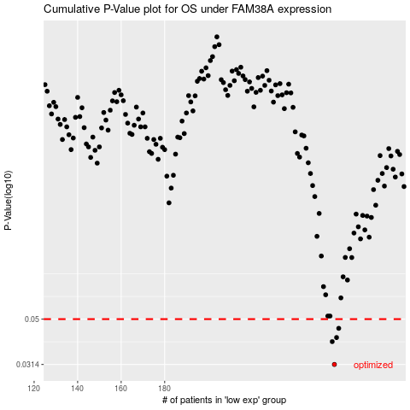

 |  |  |  |  |  | cases_OS | p_OS | rank | exp
 |  |  |  |  |  | 258 | 0.0314 | 385 | 0.34466281844
 |  |  |  |  |  | 257 | 0.0397 | 139 | 0.34403479549
 |  |  |  |  |  | 259 | 0.0414 | 211 | 0.35189475159
 |  |  |  |  |  | 260 | 0.0455 | 61 | 0.36185788352
 |  |  |  |  |  |  | cases_RFS | p_RFS | rank | exp
 |  |  |  |  |  |  | 257 | 0.0314 | 139 | 0.34403479549
 |  |  |  |  |  |  | 256 | 0.0397 | 106 | 0.34320569885
 |  |  |  |  |  |  | 258 | 0.0414 | 385 | 0.34466281844
 |  |  |  |  |  |  | 259 | 0.0455 | 211 | 0.35189475159

