FAM3A _multivariate
Reported by Tex Li-Hsing Chi. tex@gate.sinica.edu.tw 2019-08-19

Table 2. The clinicopathological features of HNSCC cohort and FAM3A expression. (Chi square test)
Cutoff at -0.146 (55.3%)
 |  | FAM3A expression |  | FAM3A expression |  | (Optimised)
 | Features | Low | (%) | High | (%) | Case no | P-value | Remark | Matthews
Gender | Female | 166 | 40 | 140 | 33.7 | 415 | 0.488 | 0 | 0
2 | Male | 64 | 15.4 | 45 | 10.8
Age at diagnosis | <=65y | 151 | 36.4 | 123 | 29.6 | 415 | 0.9409 | 0 | 0
4 | >65y | 79 | 19 | 62 | 14.9
Clinical T Status | T1+T2 | 89 | 21.4 | 60 | 14.5 | 415 | 0.2228 | 0 | 0
6 | T3+T4 | 141 | 34 | 125 | 30.1
Clinical N Status | N0 | 122 | 29.4 | 94 | 22.7 | 415 | 0.7236 | 0 | 0
8 | N1-3 | 108 | 26 | 91 | 21.9
Clinical M Status | M0 | 230 | 55.4 | 182 | 43.9 | 415 | 0.0878 | 0 | 0
10 | M1 | 0 | 0 | 3 | 0.7
Clinical Stage | Stage I+II | 61 | 14.7 | 41 | 9.9 | 415 | 0.3625 | 0 | 0
12 | Stage III+IV | 169 | 40.7 | 144 | 34.7
Surgical Margin status | Negative | 176 | 42.4 | 142 | 34.2 | 415 | 1 | 0 | 0
14 | Positive | 54 | 13 | 43 | 10.4
Tobacco Exposure | Low | 91 | 21.9 | 70 | 16.9 | 415 | 0.7615 | 0 | 0
16 | High | 139 | 33.5 | 115 | 27.7

Table 3. Univariate/Multivariate Cox's proportional hazards regression analyses on OS time of FAM3A gene expression in HNSCC

 |  | Univariate |  |  |  | Multivariate
 | Features | HR | CI95%(L) | CI95%(H) | P-value | HR | CI95%(L) | CI95%(H) | P-value
1 | Female | 1 |  |  |  | 1
Gender | Male | 1.157 | 0.843 | 1.587 | 0.367 | 1.193 | 0.854 | 1.668 | 0.301
11 | <=65y | 1 |  |  |  | 1
Age at diagnosis | >65y | 1.329 | 0.99 | 1.784 | 0.058 | 1.398 | 1.029 | 1.9 | 0.032
12 | T1+T2 | 1 |  |  |  | 1
Clinical T Status | T3+T4 | 1.409 | 1.028 | 1.931 | 0.033 | 2.168 | 1.147 | 4.098 | 0.017
13 | N0 | 1 |  |  |  | 1
Clinical N Status | N1-3 | 1.185 | 0.89 | 1.577 | 0.246 | 1.251 | 0.877 | 1.786 | 0.217
14 | M0 | 1 |  |  |  | 1
Clinical M Status | M1 | 4.097 | 1.009 | 16.644 | 0.049 | 8.235 | 1.78 | 38.099 | 0.007
15 | Stage I+II | 1 |  |  |  | 1
Clinical Stage | Stage III+IV | 1.245 | 0.882 | 1.759 | 0.213 | 0.497 | 0.231 | 1.066 | 0.072
16 | Negative | 1 |  |  |  | 1
Surgical Margin status | Positive | 1.591 | 1.155 | 2.191 | 0.004 | 1.645 | 1.191 | 2.274 | 0.003
17 | Low | 1 |  |  |  | 1
Tobacco Exposure | High | 1.364 | 1.008 | 1.844 | 0.044 | 1.449 | 1.052 | 1.996 | 0.023
18 | Low | 1 |  |  |  | 1
RNAseq(z-score) | High | 1.346 | 1.01 | 1.793 | 0.043 | 1.248 | 0.932 | 1.67 | 0.137

Table 4. Univariate/Multivariate Cox's proportional hazards regression analyses on RFS time of FAM3A gene expression in HNSCC

 |  | Univariate |  |  |  | Multivariate
 | Features | HR | CI95%(L) | CI95%(H) | P-value | HR | CI95%(L) | CI95%(H) | P-value
1 | Female | 1 |  |  |  | 1
Gender | Male | 1.157 | 0.843 | 1.587 | 0.367 | 1.193 | 0.854 | 1.668 | 0.301
11 | <=65y | 1 |  |  |  | 1
Age at diagnosis | >65y | 1.329 | 0.99 | 1.784 | 0.058 | 1.398 | 1.029 | 1.9 | 0.032
12 | T1+T2 | 1 |  |  |  | 1
Clinical T Status | T3+T4 | 1.409 | 1.028 | 1.931 | 0.033 | 2.168 | 1.147 | 4.098 | 0.017
13 | N0 | 1 |  |  |  | 1
Clinical N Status | N1-3 | 1.185 | 0.89 | 1.577 | 0.246 | 1.251 | 0.877 | 1.786 | 0.217
14 | M0 | 1 |  |  |  | 1
Clinical M Status | M1 | 4.097 | 1.009 | 16.644 | 0.049 | 8.235 | 1.78 | 38.099 | 0.007
15 | Stage I+II | 1 |  |  |  | 1
Clinical Stage | Stage III+IV | 1.245 | 0.882 | 1.759 | 0.213 | 0.497 | 0.231 | 1.066 | 0.072
16 | Negative | 1 |  |  |  | 1
Surgical Margin status | Positive | 1.591 | 1.155 | 2.191 | 0.004 | 1.645 | 1.191 | 2.274 | 0.003
17 | Low | 1 |  |  |  | 1
Tobacco Exposure | High | 1.364 | 1.008 | 1.844 | 0.044 | 1.449 | 1.052 | 1.996 | 0.023
18 | Low | 1 |  |  |  | 1
RNAseq(z-score) | High | 1.346 | 1.01 | 1.793 | 0.043 | 1.248 | 0.932 | 1.67 | 0.137

Kaplan-Meier survival estimate: Cutoff at -0.146 (55.3%)



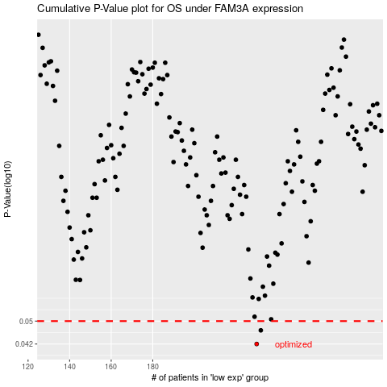

 |  |  |  |  |  | cases_OS | p_OS | rank | exp
 |  |  |  |  |  | 230 | 0.042 | 274 | -0.146038469
 |  |  |  |  |  | 232 | 0.0466 | 99 | -0.13786798532
 |  |  |  |  |  |  | cases_RFS | p_RFS | rank | exp
 |  |  |  |  |  |  | 229 | 0.042 | 233 | -0.14808440428
 |  |  |  |  |  |  | 231 | 0.0466 | 73 | -0.14091326764

