FAM43B _multivariate
Reported by Tex Li-Hsing Chi. tex@gate.sinica.edu.tw 2019-08-19

Table 2. The clinicopathological features of HNSCC cohort and FAM43B expression. (Chi square test)
Cutoff at -0.246 (49.8%)
 |  | FAM43B expression |  | FAM43B expression |  | (Optimised)
 | Features | Low | (%) | High | (%) | Case no | P-value | Remark | Matthews
Gender | Female | 148 | 35.7 | 158 | 38.1 | 415 | 0.3567 | 0 | 0
2 | Male | 59 | 14.2 | 50 | 12
Age at diagnosis | <=65y | 133 | 32 | 141 | 34 | 415 | 0.5111 | 0 | 0
4 | >65y | 74 | 17.8 | 67 | 16.1
Clinical T Status | T1+T2 | 79 | 19 | 70 | 16.9 | 415 | 0.3924 | 0 | 0
6 | T3+T4 | 128 | 30.8 | 138 | 33.3
Clinical N Status | N0 | 114 | 27.5 | 102 | 24.6 | 415 | 0.2576 | 1 | 0
8 | N1-3 | 93 | 22.4 | 106 | 25.5
Clinical M Status | M0 | 205 | 49.4 | 207 | 49.9 | 415 | 0.6232 | 0 | 0
10 | M1 | 2 | 0.5 | 1 | 0.2
Clinical Stage | Stage I+II | 54 | 13 | 48 | 11.6 | 415 | 0.5498 | 0 | 0
12 | Stage III+IV | 153 | 36.9 | 160 | 38.6
Surgical Margin status | Negative | 156 | 37.6 | 162 | 39 | 415 | 0.5636 | 0 | 0
14 | Positive | 51 | 12.3 | 46 | 11.1
Tobacco Exposure | Low | 83 | 20 | 78 | 18.8 | 415 | 0.6152 | 0 | 0
16 | High | 124 | 29.9 | 130 | 31.3

Table 3. Univariate/Multivariate Cox's proportional hazards regression analyses on OS time of FAM43B gene expression in HNSCC

 |  | Univariate |  |  |  | Multivariate
 | Features | HR | CI95%(L) | CI95%(H) | P-value | HR | CI95%(L) | CI95%(H) | P-value
1 | Female | 1 |  |  |  | 1
Gender | Male | 1.157 | 0.843 | 1.587 | 0.367 | 1.192 | 0.852 | 1.668 | 0.305
11 | <=65y | 1 |  |  |  | 1
Age at diagnosis | >65y | 1.329 | 0.99 | 1.784 | 0.058 | 1.381 | 1.015 | 1.88 | 0.04
12 | T1+T2 | 1 |  |  |  | 1
Clinical T Status | T3+T4 | 1.409 | 1.028 | 1.931 | 0.033 | 2.229 | 1.177 | 4.222 | 0.014
13 | N0 | 1 |  |  |  | 1
Clinical N Status | N1-3 | 1.185 | 0.89 | 1.577 | 0.246 | 1.25 | 0.875 | 1.785 | 0.219
14 | M0 | 1 |  |  |  | 1
Clinical M Status | M1 | 4.097 | 1.009 | 16.644 | 0.049 | 9.38 | 2.046 | 43.003 | 0.004
15 | Stage I+II | 1 |  |  |  | 1
Clinical Stage | Stage III+IV | 1.245 | 0.882 | 1.759 | 0.213 | 0.497 | 0.231 | 1.069 | 0.074
16 | Negative | 1 |  |  |  | 1
Surgical Margin status | Positive | 1.591 | 1.155 | 2.191 | 0.004 | 1.672 | 1.21 | 2.311 | 0.002
17 | Low | 1 |  |  |  | 1
Tobacco Exposure | High | 1.364 | 1.008 | 1.844 | 0.044 | 1.454 | 1.055 | 2.005 | 0.022
18 | Low | 1 |  |  |  | 1
RNAseq(z-score) | High | 0.916 | 0.687 | 1.222 | 0.552 | 0.921 | 0.687 | 1.234 | 0.58

Table 4. Univariate/Multivariate Cox's proportional hazards regression analyses on RFS time of FAM43B gene expression in HNSCC

 |  | Univariate |  |  |  | Multivariate
 | Features | HR | CI95%(L) | CI95%(H) | P-value | HR | CI95%(L) | CI95%(H) | P-value
1 | Female | 1 |  |  |  | 1
Gender | Male | 1.157 | 0.843 | 1.587 | 0.367 | 1.192 | 0.852 | 1.668 | 0.305
11 | <=65y | 1 |  |  |  | 1
Age at diagnosis | >65y | 1.329 | 0.99 | 1.784 | 0.058 | 1.381 | 1.015 | 1.88 | 0.04
12 | T1+T2 | 1 |  |  |  | 1
Clinical T Status | T3+T4 | 1.409 | 1.028 | 1.931 | 0.033 | 2.229 | 1.177 | 4.222 | 0.014
13 | N0 | 1 |  |  |  | 1
Clinical N Status | N1-3 | 1.185 | 0.89 | 1.577 | 0.246 | 1.25 | 0.875 | 1.785 | 0.219
14 | M0 | 1 |  |  |  | 1
Clinical M Status | M1 | 4.097 | 1.009 | 16.644 | 0.049 | 9.38 | 2.046 | 43.003 | 0.004
15 | Stage I+II | 1 |  |  |  | 1
Clinical Stage | Stage III+IV | 1.245 | 0.882 | 1.759 | 0.213 | 0.497 | 0.231 | 1.069 | 0.074
16 | Negative | 1 |  |  |  | 1
Surgical Margin status | Positive | 1.591 | 1.155 | 2.191 | 0.004 | 1.672 | 1.21 | 2.311 | 0.002
17 | Low | 1 |  |  |  | 1
Tobacco Exposure | High | 1.364 | 1.008 | 1.844 | 0.044 | 1.454 | 1.055 | 2.005 | 0.022
18 | Low | 1 |  |  |  | 1
RNAseq(z-score) | High | 0.916 | 0.687 | 1.222 | 0.552 | 0.921 | 0.687 | 1.234 | 0.58

Kaplan-Meier survival estimate: Cutoff at -0.246 (49.8%)



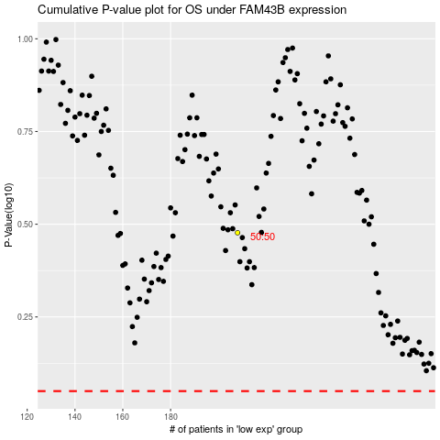

 |  |  |  |  |  | cases_OS | p_OS | rank | exp
 |  |  |  |  |  |  | cases_RFS | p_RFS | rank | exp

