FAM45A _multivariate
Reported by Tex Li-Hsing Chi. tex@gate.sinica.edu.tw 2019-08-19

Table 2. The clinicopathological features of HNSCC cohort and FAM45A expression. (Chi square test)
Cutoff at -0.158 (50.0%)
 |  | FAM45A expression |  | FAM45A expression |  | (Optimised)
 | Features | Low | (%) | High | (%) | Case no | P-value | Remark | Matthews
Gender | Female | 156 | 37.6 | 150 | 36.1 | 415 | 0.5222 | 0 | 0
2 | Male | 51 | 12.3 | 58 | 14
Age at diagnosis | <=65y | 144 | 34.7 | 130 | 31.3 | 415 | 0.1568 | 0 | 0
4 | >65y | 63 | 15.2 | 78 | 18.8
Clinical T Status | T1+T2 | 88 | 21.2 | 61 | 14.7 | 415 | 0.007 | 1 | 0
6 | T3+T4 | 119 | 28.7 | 147 | 35.4
Clinical N Status | N0 | 97 | 23.4 | 119 | 28.7 | 415 | 0.0442 | 1 | 0
8 | N1-3 | 110 | 26.5 | 89 | 21.4
Clinical M Status | M0 | 205 | 49.4 | 207 | 49.9 | 415 | 0.6232 | 0 | 0
10 | M1 | 2 | 0.5 | 1 | 0.2
Clinical Stage | Stage I+II | 53 | 12.8 | 49 | 11.8 | 415 | 0.7113 | 0 | 0
12 | Stage III+IV | 154 | 37.1 | 159 | 38.3
Surgical Margin status | Negative | 159 | 38.3 | 159 | 38.3 | 415 | 1 | 0 | 0
14 | Positive | 48 | 11.6 | 49 | 11.8
Tobacco Exposure | Low | 78 | 18.8 | 83 | 20 | 415 | 0.6873 | 0 | 0
16 | High | 129 | 31.1 | 125 | 30.1

Table 3. Univariate/Multivariate Cox's proportional hazards regression analyses on OS time of FAM45A gene expression in HNSCC

 |  | Univariate |  |  |  | Multivariate
 | Features | HR | CI95%(L) | CI95%(H) | P-value | HR | CI95%(L) | CI95%(H) | P-value
1 | Female | 1 |  |  |  | 1
Gender | Male | 1.157 | 0.843 | 1.587 | 0.367 | 1.196 | 0.857 | 1.67 | 0.293
11 | <=65y | 1 |  |  |  | 1
Age at diagnosis | >65y | 1.329 | 0.99 | 1.784 | 0.058 | 1.393 | 1.025 | 1.894 | 0.034
12 | T1+T2 | 1 |  |  |  | 1
Clinical T Status | T3+T4 | 1.409 | 1.028 | 1.931 | 0.033 | 2.172 | 1.147 | 4.112 | 0.017
13 | N0 | 1 |  |  |  | 1
Clinical N Status | N1-3 | 1.185 | 0.89 | 1.577 | 0.246 | 1.261 | 0.881 | 1.804 | 0.205
14 | M0 | 1 |  |  |  | 1
Clinical M Status | M1 | 4.097 | 1.009 | 16.644 | 0.049 | 9.368 | 2.043 | 42.96 | 0.004
15 | Stage I+II | 1 |  |  |  | 1
Clinical Stage | Stage III+IV | 1.245 | 0.882 | 1.759 | 0.213 | 0.504 | 0.235 | 1.082 | 0.079
16 | Negative | 1 |  |  |  | 1
Surgical Margin status | Positive | 1.591 | 1.155 | 2.191 | 0.004 | 1.687 | 1.219 | 2.333 | 0.002
17 | Low | 1 |  |  |  | 1
Tobacco Exposure | High | 1.364 | 1.008 | 1.844 | 0.044 | 1.45 | 1.053 | 1.998 | 0.023
18 | Low | 1 |  |  |  | 1
RNAseq(z-score) | High | 1.113 | 0.836 | 1.483 | 0.463 | 1.11 | 0.829 | 1.487 | 0.482

Table 4. Univariate/Multivariate Cox's proportional hazards regression analyses on RFS time of FAM45A gene expression in HNSCC

 |  | Univariate |  |  |  | Multivariate
 | Features | HR | CI95%(L) | CI95%(H) | P-value | HR | CI95%(L) | CI95%(H) | P-value
1 | Female | 1 |  |  |  | 1
Gender | Male | 1.157 | 0.843 | 1.587 | 0.367 | 1.196 | 0.857 | 1.67 | 0.293
11 | <=65y | 1 |  |  |  | 1
Age at diagnosis | >65y | 1.329 | 0.99 | 1.784 | 0.058 | 1.393 | 1.025 | 1.894 | 0.034
12 | T1+T2 | 1 |  |  |  | 1
Clinical T Status | T3+T4 | 1.409 | 1.028 | 1.931 | 0.033 | 2.172 | 1.147 | 4.112 | 0.017
13 | N0 | 1 |  |  |  | 1
Clinical N Status | N1-3 | 1.185 | 0.89 | 1.577 | 0.246 | 1.261 | 0.881 | 1.804 | 0.205
14 | M0 | 1 |  |  |  | 1
Clinical M Status | M1 | 4.097 | 1.009 | 16.644 | 0.049 | 9.368 | 2.043 | 42.96 | 0.004
15 | Stage I+II | 1 |  |  |  | 1
Clinical Stage | Stage III+IV | 1.245 | 0.882 | 1.759 | 0.213 | 0.504 | 0.235 | 1.082 | 0.079
16 | Negative | 1 |  |  |  | 1
Surgical Margin status | Positive | 1.591 | 1.155 | 2.191 | 0.004 | 1.687 | 1.219 | 2.333 | 0.002
17 | Low | 1 |  |  |  | 1
Tobacco Exposure | High | 1.364 | 1.008 | 1.844 | 0.044 | 1.45 | 1.053 | 1.998 | 0.023
18 | Low | 1 |  |  |  | 1
RNAseq(z-score) | High | 1.113 | 0.836 | 1.483 | 0.463 | 1.11 | 0.829 | 1.487 | 0.482

Kaplan-Meier survival estimate: Cutoff at -0.158 (50.0%)



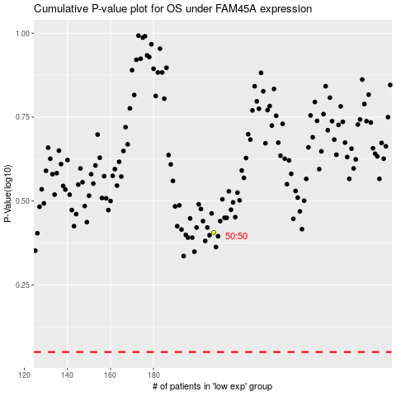

 |  |  |  |  |  | cases_OS | p_OS | rank | exp
 |  |  |  |  |  |  | cases_RFS | p_RFS | rank | exp

