FAM45B _multivariate
Reported by Tex Li-Hsing Chi. tex@gate.sinica.edu.tw 2019-08-19

Table 2. The clinicopathological features of HNSCC cohort and FAM45B expression. (Chi square test)
Cutoff at -0.072 (49.8%)
 |  | FAM45B expression |  | FAM45B expression |  | (Optimised)
 | Features | Low | (%) | High | (%) | Case no | P-value | Remark | Matthews
Gender | Female | 154 | 37.1 | 152 | 36.6 | 415 | 0.8463 | 0 | 0
2 | Male | 53 | 12.8 | 56 | 13.5
Age at diagnosis | <=65y | 141 | 34 | 133 | 32 | 415 | 0.4272 | 0 | 0
4 | >65y | 66 | 15.9 | 75 | 18.1
Clinical T Status | T1+T2 | 82 | 19.8 | 67 | 16.1 | 415 | 0.1417 | 0 | 0
6 | T3+T4 | 125 | 30.1 | 141 | 34
Clinical N Status | N0 | 100 | 24.1 | 116 | 28 | 415 | 0.1548 | 0 | 0
8 | N1-3 | 107 | 25.8 | 92 | 22.2
Clinical M Status | M0 | 205 | 49.4 | 207 | 49.9 | 415 | 0.6232 | 0 | 0
10 | M1 | 2 | 0.5 | 1 | 0.2
Clinical Stage | Stage I+II | 49 | 11.8 | 53 | 12.8 | 415 | 0.7535 | 0 | 0
12 | Stage III+IV | 158 | 38.1 | 155 | 37.3
Surgical Margin status | Negative | 153 | 36.9 | 165 | 39.8 | 415 | 0.2036 | 0 | 0
14 | Positive | 54 | 13 | 43 | 10.4
Tobacco Exposure | Low | 80 | 19.3 | 81 | 19.5 | 415 | 1 | 0 | 0
16 | High | 127 | 30.6 | 127 | 30.6

Table 3. Univariate/Multivariate Cox's proportional hazards regression analyses on OS time of FAM45B gene expression in HNSCC

 |  | Univariate |  |  |  | Multivariate
 | Features | HR | CI95%(L) | CI95%(H) | P-value | HR | CI95%(L) | CI95%(H) | P-value
1 | Female | 1 |  |  |  | 1
Gender | Male | 1.157 | 0.843 | 1.587 | 0.367 | 1.198 | 0.857 | 1.675 | 0.29
11 | <=65y | 1 |  |  |  | 1
Age at diagnosis | >65y | 1.329 | 0.99 | 1.784 | 0.058 | 1.387 | 1.02 | 1.886 | 0.037
12 | T1+T2 | 1 |  |  |  | 1
Clinical T Status | T3+T4 | 1.409 | 1.028 | 1.931 | 0.033 | 2.22 | 1.173 | 4.201 | 0.014
13 | N0 | 1 |  |  |  | 1
Clinical N Status | N1-3 | 1.185 | 0.89 | 1.577 | 0.246 | 1.237 | 0.867 | 1.765 | 0.241
14 | M0 | 1 |  |  |  | 1
Clinical M Status | M1 | 4.097 | 1.009 | 16.644 | 0.049 | 9.402 | 2.051 | 43.094 | 0.004
15 | Stage I+II | 1 |  |  |  | 1
Clinical Stage | Stage III+IV | 1.245 | 0.882 | 1.759 | 0.213 | 0.499 | 0.232 | 1.074 | 0.075
16 | Negative | 1 |  |  |  | 1
Surgical Margin status | Positive | 1.591 | 1.155 | 2.191 | 0.004 | 1.658 | 1.197 | 2.296 | 0.002
17 | Low | 1 |  |  |  | 1
Tobacco Exposure | High | 1.364 | 1.008 | 1.844 | 0.044 | 1.449 | 1.051 | 1.997 | 0.023
18 | Low | 1 |  |  |  | 1
RNAseq(z-score) | High | 0.887 | 0.666 | 1.183 | 0.415 | 0.944 | 0.704 | 1.265 | 0.699

Table 4. Univariate/Multivariate Cox's proportional hazards regression analyses on RFS time of FAM45B gene expression in HNSCC

 |  | Univariate |  |  |  | Multivariate
 | Features | HR | CI95%(L) | CI95%(H) | P-value | HR | CI95%(L) | CI95%(H) | P-value
1 | Female | 1 |  |  |  | 1
Gender | Male | 1.157 | 0.843 | 1.587 | 0.367 | 1.198 | 0.857 | 1.675 | 0.29
11 | <=65y | 1 |  |  |  | 1
Age at diagnosis | >65y | 1.329 | 0.99 | 1.784 | 0.058 | 1.387 | 1.02 | 1.886 | 0.037
12 | T1+T2 | 1 |  |  |  | 1
Clinical T Status | T3+T4 | 1.409 | 1.028 | 1.931 | 0.033 | 2.22 | 1.173 | 4.201 | 0.014
13 | N0 | 1 |  |  |  | 1
Clinical N Status | N1-3 | 1.185 | 0.89 | 1.577 | 0.246 | 1.237 | 0.867 | 1.765 | 0.241
14 | M0 | 1 |  |  |  | 1
Clinical M Status | M1 | 4.097 | 1.009 | 16.644 | 0.049 | 9.402 | 2.051 | 43.094 | 0.004
15 | Stage I+II | 1 |  |  |  | 1
Clinical Stage | Stage III+IV | 1.245 | 0.882 | 1.759 | 0.213 | 0.499 | 0.232 | 1.074 | 0.075
16 | Negative | 1 |  |  |  | 1
Surgical Margin status | Positive | 1.591 | 1.155 | 2.191 | 0.004 | 1.658 | 1.197 | 2.296 | 0.002
17 | Low | 1 |  |  |  | 1
Tobacco Exposure | High | 1.364 | 1.008 | 1.844 | 0.044 | 1.449 | 1.051 | 1.997 | 0.023
18 | Low | 1 |  |  |  | 1
RNAseq(z-score) | High | 0.887 | 0.666 | 1.183 | 0.415 | 0.944 | 0.704 | 1.265 | 0.699

Kaplan-Meier survival estimate: Cutoff at -0.072 (49.8%)



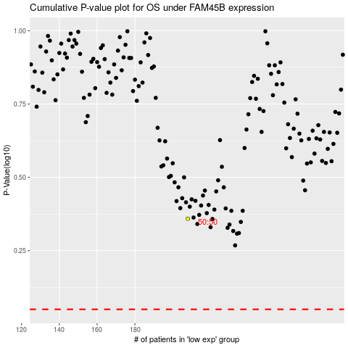

 |  |  |  |  |  | cases_OS | p_OS | rank | exp
 |  |  |  |  |  |  | cases_RFS | p_RFS | rank | exp

