FAM49A _multivariate
Reported by Tex Li-Hsing Chi. tex@gate.sinica.edu.tw 2019-08-19

Table 2. The clinicopathological features of HNSCC cohort and FAM49A expression. (Chi square test)
Cutoff at -0.185 (49.8%)
 |  | FAM49A expression |  | FAM49A expression |  | (Optimised)
 | Features | Low | (%) | High | (%) | Case no | P-value | Remark | Matthews
Gender | Female | 171 | 41.2 | 135 | 32.5 | 415 | 1e-04 | 1 | 0
2 | Male | 36 | 8.7 | 73 | 17.6
Age at diagnosis | <=65y | 152 | 36.6 | 122 | 29.4 | 415 | 0.0021 | 1 | 0
4 | >65y | 55 | 13.3 | 86 | 20.7
Clinical T Status | T1+T2 | 77 | 18.6 | 72 | 17.3 | 415 | 0.6556 | 0 | 0
6 | T3+T4 | 130 | 31.3 | 136 | 32.8
Clinical N Status | N0 | 111 | 26.7 | 105 | 25.3 | 415 | 0.5875 | 0 | 0
8 | N1-3 | 96 | 23.1 | 103 | 24.8
Clinical M Status | M0 | 204 | 49.2 | 208 | 50.1 | 415 | 0.1232 | 0 | 0
10 | M1 | 3 | 0.7 | 0 | 0
Clinical Stage | Stage I+II | 52 | 12.5 | 50 | 12 | 415 | 0.8871 | 0 | 0
12 | Stage III+IV | 155 | 37.3 | 158 | 38.1
Surgical Margin status | Negative | 152 | 36.6 | 166 | 40 | 415 | 0.1329 | 0 | 0
14 | Positive | 55 | 13.3 | 42 | 10.1
Tobacco Exposure | Low | 63 | 15.2 | 98 | 23.6 | 415 | 6e-04 | 1 | 0
16 | High | 144 | 34.7 | 110 | 26.5

Table 3. Univariate/Multivariate Cox's proportional hazards regression analyses on OS time of FAM49A gene expression in HNSCC

 |  | Univariate |  |  |  | Multivariate
 | Features | HR | CI95%(L) | CI95%(H) | P-value | HR | CI95%(L) | CI95%(H) | P-value
1 | Female | 1 |  |  |  | 1
Gender | Male | 1.157 | 0.843 | 1.587 | 0.367 | 1.175 | 0.836 | 1.651 | 0.354
11 | <=65y | 1 |  |  |  | 1
Age at diagnosis | >65y | 1.329 | 0.99 | 1.784 | 0.058 | 1.385 | 1.019 | 1.884 | 0.038
12 | T1+T2 | 1 |  |  |  | 1
Clinical T Status | T3+T4 | 1.409 | 1.028 | 1.931 | 0.033 | 2.18 | 1.153 | 4.125 | 0.017
13 | N0 | 1 |  |  |  | 1
Clinical N Status | N1-3 | 1.185 | 0.89 | 1.577 | 0.246 | 1.231 | 0.862 | 1.758 | 0.252
14 | M0 | 1 |  |  |  | 1
Clinical M Status | M1 | 4.097 | 1.009 | 16.644 | 0.049 | 9.794 | 2.126 | 45.118 | 0.003
15 | Stage I+II | 1 |  |  |  | 1
Clinical Stage | Stage III+IV | 1.245 | 0.882 | 1.759 | 0.213 | 0.511 | 0.238 | 1.098 | 0.085
16 | Negative | 1 |  |  |  | 1
Surgical Margin status | Positive | 1.591 | 1.155 | 2.191 | 0.004 | 1.677 | 1.214 | 2.317 | 0.002
17 | Low | 1 |  |  |  | 1
Tobacco Exposure | High | 1.364 | 1.008 | 1.844 | 0.044 | 1.471 | 1.066 | 2.031 | 0.019
18 | Low | 1 |  |  |  | 1
RNAseq(z-score) | High | 1.094 | 0.821 | 1.458 | 0.538 | 1.105 | 0.817 | 1.495 | 0.515

Table 4. Univariate/Multivariate Cox's proportional hazards regression analyses on RFS time of FAM49A gene expression in HNSCC

 |  | Univariate |  |  |  | Multivariate
 | Features | HR | CI95%(L) | CI95%(H) | P-value | HR | CI95%(L) | CI95%(H) | P-value
1 | Female | 1 |  |  |  | 1
Gender | Male | 1.157 | 0.843 | 1.587 | 0.367 | 1.175 | 0.836 | 1.651 | 0.354
11 | <=65y | 1 |  |  |  | 1
Age at diagnosis | >65y | 1.329 | 0.99 | 1.784 | 0.058 | 1.385 | 1.019 | 1.884 | 0.038
12 | T1+T2 | 1 |  |  |  | 1
Clinical T Status | T3+T4 | 1.409 | 1.028 | 1.931 | 0.033 | 2.18 | 1.153 | 4.125 | 0.017
13 | N0 | 1 |  |  |  | 1
Clinical N Status | N1-3 | 1.185 | 0.89 | 1.577 | 0.246 | 1.231 | 0.862 | 1.758 | 0.252
14 | M0 | 1 |  |  |  | 1
Clinical M Status | M1 | 4.097 | 1.009 | 16.644 | 0.049 | 9.794 | 2.126 | 45.118 | 0.003
15 | Stage I+II | 1 |  |  |  | 1
Clinical Stage | Stage III+IV | 1.245 | 0.882 | 1.759 | 0.213 | 0.511 | 0.238 | 1.098 | 0.085
16 | Negative | 1 |  |  |  | 1
Surgical Margin status | Positive | 1.591 | 1.155 | 2.191 | 0.004 | 1.677 | 1.214 | 2.317 | 0.002
17 | Low | 1 |  |  |  | 1
Tobacco Exposure | High | 1.364 | 1.008 | 1.844 | 0.044 | 1.471 | 1.066 | 2.031 | 0.019
18 | Low | 1 |  |  |  | 1
RNAseq(z-score) | High | 1.094 | 0.821 | 1.458 | 0.538 | 1.105 | 0.817 | 1.495 | 0.515

Kaplan-Meier survival estimate: Cutoff at -0.185 (49.8%)



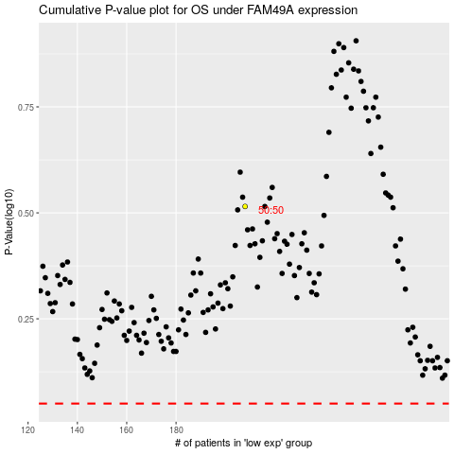

 |  |  |  |  |  | cases_OS | p_OS | rank | exp
 |  |  |  |  |  |  | cases_RFS | p_RFS | rank | exp

